Figure1
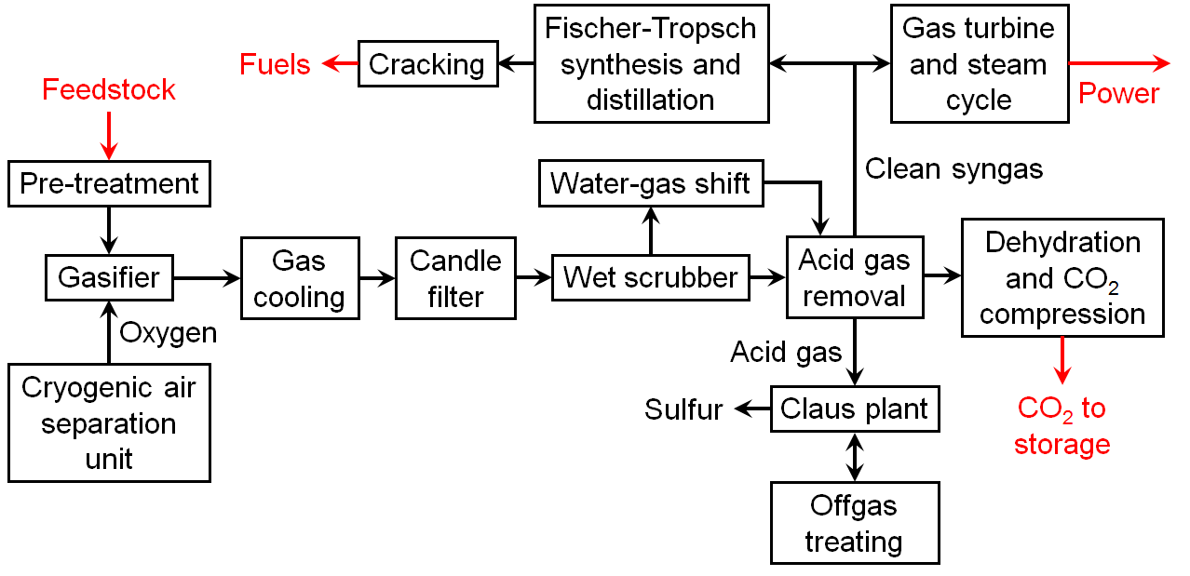

Fig. 1 Schematic of CBtLE process with MARKAL-modeled components labeled in red (adapted from Knoope et al. 2013)

There are no data associated with this figure.

Figure2
 | CO2 emissions (Mt/yr)
Scenario | 2005 | 2010 | 2015 | 2020 | 2025 | 2030 | 2035 | 2040 | 2045 | 2050 | 2055
Business as usual | 5936 | 5494 | 5314 | 5235 | 5283 | 5270 | 5290 | 5389 | 5538 | 5722 | 5914
10 % reduction | 5936 | 5494 | 5314 | 5235 | 5253 | 5271 | 5288 | 5306 | 5324 | 5342 | 5360
20 % reduction | 5936 | 5494 | 5314 | 5235 | 5154 | 5073 | 4992 | 4911 | 4829 | 4748 | 4667
30 % reduction | 5936 | 5494 | 5314 | 5235 | 5055 | 4875 | 4695 | 4515 | 4335 | 4155 | 3975
40 % reduction | 5936 | 5494 | 5314 | 5235 | 4956 | 4677 | 4398 | 4119 | 3840 | 3561 | 3282
50 % reduction | 5936 | 5494 | 5314 | 5235 | 4857 | 4479 | 4101 | 3723 | 3346 | 2968 | 2590
60 % reduction | 5936 | 5494 | 5314 | 5235 | 4758 | 4281 | 3805 | 3328 | 2851 | 2374 | 1897
70 % reduction | 5936 | 5494 | 5314 | 5235 | 4659 | 4083 | 3508 | 2932 | 2356 | 1781 | 1205
80 % reduction | 5936 | 5494 | 5314 | 5235 | 4560 | 3886 | 3211 | 2536 | 1862 | 1187 | 512

 |  | Fig. 2 CO2 constraint scenarios

 | Data Dictionary

 | Scenarios
 | Percentages | Reflect reduction in CO2 emissions in 2050 relative to 2005 levels

 | Units
 | Mt | Megatonnes, or 10^6 metric tons
 | yr | Year

 | Other
 | CO2 | Carbon dioxide

 | Targets
 | 10 % reduction | 10 % reduction by 2050, relative to 2005, implemented linearally from 2020
 | 20 % reduction | 20 % reduction by 2050, relative to 2005, implemented linearally from 2020
 | 30 % reduction | 30 % reduction by 2050, relative to 2005, implemented linearally from 2020
 | 40 % reduction | 40 % reduction by 2050, relative to 2005, implemented linearally from 2020
 | 50 % reduction | 50 % reduction by 2050, relative to 2005, implemented linearally from 2020
 | 60 % reduction | 60 % reduction by 2050, relative to 2005, implemented linearally from 2020

Figure3
Oil prices (2012$/bbl) | 2005 | 2010 | 2015 | 2020 | 2025 | 2030 | 2035 | 2040 | 2045 | 2050 | 2055
Scenario 1 (low) | 52.37 | 78.62 | 70.80 | 65.98 | 68.19 | 68.82 | 71.59 | 72.94 | 74.83 | 76.00 | 76.44
Scenario 2 | 52.37 | 78.62 | 76.39 | 75.27 | 77.63 | 80.29 | 82.89 | 86.71 | 89.80 | 92.17 | 93.82
Scenario 3 | 52.37 | 78.62 | 82.91 | 83.64 | 87.07 | 90.61 | 95.45 | 100.47 | 104.77 | 108.34 | 111.19
Scenario 4 | 52.37 | 78.62 | 89.43 | 92.00 | 96.51 | 102.08 | 108.01 | 114.23 | 119.73 | 124.51 | 128.57
Scenario 5 | 52.37 | 78.62 | 95.02 | 101.29 | 105.95 | 112.40 | 120.57 | 129.37 | 137.69 | 145.53 | 152.89
Scenario 6 (ref.) | 52.37 | 78.62 | 101.54 | 109.66 | 115.39 | 123.87 | 133.13 | 143.13 | 152.66 | 161.70 | 170.26
Scenario 7 | 52.37 | 78.62 | 108.06 | 118.95 | 124.83 | 134.19 | 144.43 | 156.90 | 169.12 | 181.11 | 192.85
Scenario 8 | 52.37 | 78.62 | 113.65 | 127.32 | 134.27 | 145.66 | 156.99 | 170.66 | 184.09 | 197.28 | 210.22
Scenario 9 | 52.37 | 78.62 | 120.17 | 135.68 | 143.71 | 155.98 | 169.55 | 184.42 | 199.05 | 213.45 | 227.60
Scenario 10 (high) | 52.37 | 78.62 | 126.69 | 144.97 | 153.15 | 167.45 | 182.11 | 198.18 | 214.02 | 229.62 | 244.97

 |  | Fig. 3 Oil price scenarios; “ref.” = “reference”

 | Data Dictionary

 | Units
 | 2012$ | Real dollars, adjusted to 2012 equivalent
 | bbl | Barrel

Figure4
National CO2 emissions (MT)
Scenario | 2025 | 2030 | 2035 | 2040 | 2045 | 2050 | 2055
Business as usual | 5283 | 5270 | 5290 | 5389 | 5538 | 5722 | 5914
10 % reduction | 5253 | 5271 | 5288 | 5306 | 5324 | 5342 | 5360
20 % reduction | 5154 | 5073 | 4992 | 4911 | 4829 | 4748 | 4667
30 % reduction | 5055 | 4875 | 4695 | 4515 | 4335 | 4155 | 3975
40 % reduction | 4956 | 4677 | 4398 | 4119 | 3840 | 3561 | 3282
50 % reduction | 4857 | 4479 | 4101 | 3723 | 3346 | 2968 | 2590
60 % reduction | 4758 | 4281 | 3805 | 3328 | 2851 | 2374 | 1897

CBtLE capacity [GW]
Scenario | 2025 | 2030 | 2035 | 2040 | 2045 | 2050 | 2055
Business as usual | 0 | 0 | 69 | 142 | 224 | 276 | 312
10 % reduction | 0 | 0 | 71 | 144 | 232 | 296 | 363
20 % reduction | 0 | 0 | 74 | 152 | 247 | 335 | 371
30 % reduction | 0 | 0 | 77 | 155 | 251 | 298 | 332
40 % reduction | 0 | 0 | 82 | 159 | 218 | 280 | 290
50 % reduction | 5 | 23 | 79 | 121 | 146 | 141 | 122
60 % reduction | 24 | 62 | 62 | 62 | 62 | 49 | 11

 |  | Fig. 4 Modeled estimates of CBtLE capacity vs. CO2 emission constraint for the years 2035–2055

 |  | Data Dictionary

 |  | CO2 | Carbon dioxide
 |  | MT | Megatonnes, or 10^6 metric tons
 |  | GW | Gigawatts, or 10^9 watts

Figure5
Price adjustment factor

Oil prices (2012$/bbl) | 2020 | 2025 | 2030 | 2035 | 2040 | 2045 | 2050 | 2055
Base | 92.93 | 104.90 | 114.69 | 125.59 | 137.63 | 149.66 | 161.70 | 173.74
1 | 65.98 | 68.19 | 68.82 | 71.59 | 72.94 | 74.83 | 76.00 | 76.44
2 | 75.27 | 77.63 | 80.29 | 82.89 | 86.71 | 89.80 | 92.17 | 93.82
3 | 83.64 | 87.07 | 90.61 | 95.45 | 100.47 | 104.77 | 108.34 | 111.19
4 | 92.00 | 96.51 | 102.08 | 108.01 | 114.23 | 119.73 | 124.51 | 128.57
5 | 101.29 | 105.95 | 112.40 | 120.57 | 129.37 | 137.69 | 145.53 | 152.89
6 | 109.66 | 115.39 | 123.87 | 133.13 | 143.13 | 152.66 | 161.70 | 170.26
7 | 118.95 | 124.83 | 134.19 | 144.43 | 156.90 | 169.12 | 181.11 | 192.85
8 | 127.32 | 134.27 | 145.66 | 156.99 | 170.66 | 184.09 | 197.28 | 210.22
9 | 135.68 | 143.71 | 155.98 | 169.55 | 184.42 | 199.05 | 213.45 | 227.60
10 | 144.97 | 153.15 | 167.45 | 182.11 | 198.18 | 214.02 | 229.62 | 244.97

CBTLE Capacity (GW) | 2020 | 2025 | 2030 | 2035 | 2040 | 2045 | 2050 | 2055
1 | 0 | 0 | 0 | 7 | 33 | 68 | 114 | 147
2 | 0 | 0 | 0 | 33 | 73 | 110 | 140 | 180
3 | 0 | 0 | 0 | 37 | 88 | 116 | 149 | 192
4 | 0 | 0 | 0 | 48 | 110 | 136 | 168 | 206
5 | 0 | 0 | 0 | 61 | 132 | 202 | 248 | 278
6 | 0 | 0 | 0 | 68 | 144 | 228 | 276 | 313
7 | 0 | 14 | 14 | 77 | 154 | 254 | 355 | 446
8 | 0 | 31 | 31 | 88 | 165 | 282 | 400 | 519
9 | 10 | 61 | 61 | 104 | 180 | 312 | 443 | 583
10 | 29 | 89 | 89 | 123 | 196 | 341 | 476 | 621

 |  |  | Fig. 5 Modeled estimates of CBtLE capacity vs. the price of oil for the years 2035–2055

 |  |  | Data Dictionary

 |  |  | CO2 | Carbon dioxide
 |  |  | bbl | barrel
 |  |  | 2012$ | Real dollars, adjusted to 2012 purchasing power
 |  |  | GW | Gigawatts, or 10^9 watts

Figure6
CBtLE capacity [GW]
CCS cost [$/tCO2] | 2035 | 2040 | 2045 | 2050 | 2055
-10 | 0 | 0 | 0 | 0 | 0
0 | 69 | 142 | 224 | 276 | 312
10 | 53 | 124 | 179 | 226 | 261
20 | 42 | 105 | 142 | 175 | 213
30 | 35 | 93 | 126 | 164 | 192
40 | 33 | 87 | 121 | 152 | 163
50 | 17 | 42 | 79 | 112 | 147

 | Fig. 6 Modeled estimates of CBtLE capacity vs. CCS costs for the years 2035–2055

 | Data Dictionary

 | CO2 | Carbon dioxide
 | tCO2 | metric tons of CO2
 | GW | Gigawatts, or 10^9 watts
 | $ | real dollars, adjusted to 2005 purchasing power
 | CCS | Carbon capture and sequestration
 | CBtLE | Coal and biomass to liquids and electricity (in this instance, the technology includes CCS)

Figure7
From file o6_cbtle+all_cat.xls, data sheet

 | GW of CBtLE capacity
YEAR | 2005 | 2010 | 2015 | 2020 | 2025 | 2030 | 2035 | 2040 | 2045 | 2050 | 2055
National | - | - | - | - | - | - | 68.36 | 144.37 | 228.00 | 276.57 | 313.69
R1 | - | - | - | - | - | - | - | - | - | - | -
R2 | - | - | - | - | - | - | 6.84 | 14.78 | 17.89 | 18.73 | 20.82
R3 | - | - | - | - | - | - | - | - | - | - | 6.83
R4 | - | - | - | - | - | - | 18.66 | 36.06 | 63.81 | 85.82 | 103.63
R5 | - | - | - | - | - | - | 0.74 | 1.99 | 2.18 | 2.18 | 5.09
R6 | - | - | - | - | - | - | 0.47 | 0.51 | 27.39 | 31.67 | 31.83
R7 | - | - | - | - | - | - | 27.24 | 68.84 | 88.58 | 109.63 | 113.52
R8 | - | - | - | - | - | - | 10.16 | 14.81 | 19.02 | 19.02 | 20.86
R9 | - | - | - | - | - | - | 4.25 | 7.38 | 9.14 | 9.51 | 11.11

 |  |  | Fig. 7 CBtLE capacity by region in the scenario with reference oil prices, $0/tCO2, and business-as-usual CO2 emissions. Alaska and Hawaii (not shown) are both part of the Pacific (red) region

 |  |  | Data Dictionary
 |  |  | GW | Gigawatts, or 10^9 watts
 |  |  | R1-R9 | U.S. Census Divisions 1 through 9

 |  |  | U.S. Census Divisions
 |  |  | 1 | New England
 |  |  | 2 | Middle Atlantic
 |  |  | 3 | East North Central
 |  |  | 4 | West North Central
 |  |  | 5 | South Atlantic
 |  |  | 6 | East South Central
 |  |  | 7 | West South Central
 |  |  | 8 | Mountain
 |  |  | 9 | Pacific

