Fig 8
The data for this review article are available in the literature cited or in the manuscript itself. For the reader's convenience, some data tables are pasted here. Spectra and instrument outputs are contained in the original citations, as applicable.

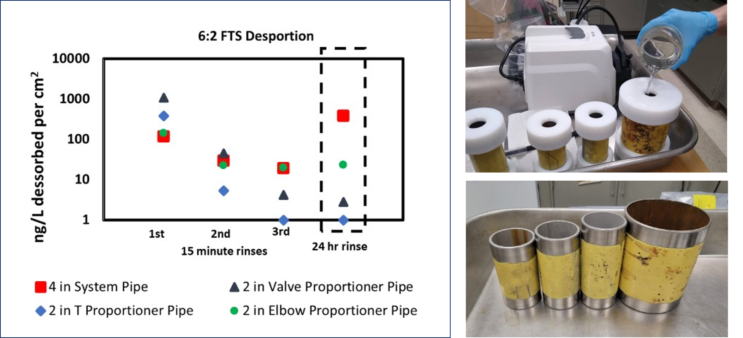
Concentration at Time of Sampling (ng/L)
2 inch T proportioner pipe (2T)
 | Rinse 1 | Rine 2 | Rinse 3 | Rinse 4
 | (15 minutes) | (15 minutes) | (15-minutes) | (24-hours)
PFBA | 270 | 0 | 0 | 0
PFPeA | 260 | 0 | 0 | 0
PFHxA | 2500 | 35 | 0 | 0
PFHpA | 69 | 0 | 0 | 0
PFOA | 0 | 0 | 0 | 0
PFNA | 0 | 0 | 0 | 0
PFDA | 0 | 0 | 0 | 0
4:2 FTS | 87 | 0 | 0 | 0
6:2 FTS | 110000 | 1500 | 0 | 0
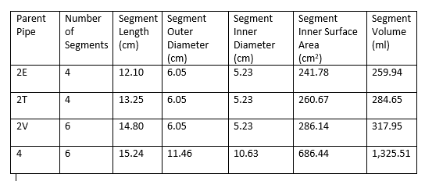
8:2 FTS | 290 | 63 | 27 | 42 | Figure 8. Rinsing pipes from segments with different origins, e.g., the "elbow" pipe was the straight piece adjacent to the elbow bend. The lower right panel shows the pipes studied in the left panel, and different amounts of corrosion can be seen. The pipes in the lower right panel are (left to right): “elbow”, “T”, “valve”, and 4 in pipe mentioned in the legend. The ng/L desorbed per cm2 is based on the following pipe dimensions.
PFBS | 0 | 0 | 0 | 0
PFOS | 0 | 0 | 0 | 0
ADONA | 0 | 0 | 0 | 0
GEN X | 0 | 0 | 0 | 43
Sum | 113476 | 1598 | 27 | 85
2 inch valve proportioner pipe (2V)
 | Rinse 1 | Rine 2 | Rinse 3 | Rinse 4
 | (15 minutes) | (15 minutes) | (15-minutes) | (24-hours)
PFBA | 1700 | 39 | 0 | 0
PFPeA | 1000 | 22 | 0 | 0
PFHxA | 12000 | 350 | 0 | 0
PFHpA | 57 | 0 | 0 | 0
PFOA | 0 | 0 | 0 | 0
PFNA | 0 | 0 | 0 | 0
PFDA | 0 | 0 | 0 | 0
4:2 FTS | 540 | 0 | 0 | 0
6:2 FTS | 260000 | 11000 | 1000 | 680
8:2 FTS | 370 | 61 | 0 | 28
PFBS | 0 | 0 | 0 | 0
PFOS | 0 | 0 | 0 | 0
ADONA | 0 | 0 | 0 | 12
GEN X | 0 | 0 | 0 | 0
Sum | 275667 | 11472 | 1000 | 720
2 inch elbow proportioner pipe (2E)
 | Rinse 1 | Rine 2 | Rinse 3 | Rinse 4
 | (15 minutes) | (15 minutes) | (15-minutes) | (24-hours)
PFBA | 110 | 0 | 0 | 0
PFPeA | 160 | 0 | 0 | 19
PFHxA | 1700 | 25 | 0 | 44
PFHpA | 140 | 0 | 0 | 0
PFOA | 21 | 0 | 0 | 0
PFNA | 0 | 0 | 0 | 0
PFDA | 0 | 0 | 0 | 0
4:2 FTS | 0 | 0 | 0 | 0
6:2 FTS | 37000 | 5800 | 5100 | 6000
8:2 FTS | 640 | 340 | 180 | 430
PFBS | 0 | 0 | 0 | 0
PFOS | 0 | 0 | 31 | 0
ADONA | 0 | 0 | 0 | 0
GEN X | 0 | 49 | 44 | 0
Sum | 39771 | 6214 | 5355 | 6493
4 inch system pipe (4)
 | Rinse 1 | Rine 2 | Rinse 3 | Rinse 4
 | (15 minutes) | (15 minutes) | (15-minutes) | (24-hours)
PFBA | 1500 | 26 | 22 | 140
PFPeA | 2200 | 25 | 23 | 210
PFHxA | 29000 | 670 | 170 | 1700
PFHpA | 0 | 0 | 0 | 100
PFOA | 300 | 0 | 0 | 980
PFNA | 0 | 0 | 0 | 0
PFDA | 0 | 0 | 0 | 21
4:2 FTS | 210 | 0 | 0 | 0
6:2 FTS | 81000 | 20000 | 13000 | 260000
8:2 FTS | 410 | 530 | 550 | 2100
PFBS | 0 | 0 | 0 | 0
PFOS | 16 | 32 | 0 | 0
ADONA | 0 | 0 | 0 | 0
GEN X | 0 | 56 | 0 | 42
Sum | 114636 | 21339 | 13765 | 265293

Fig 9
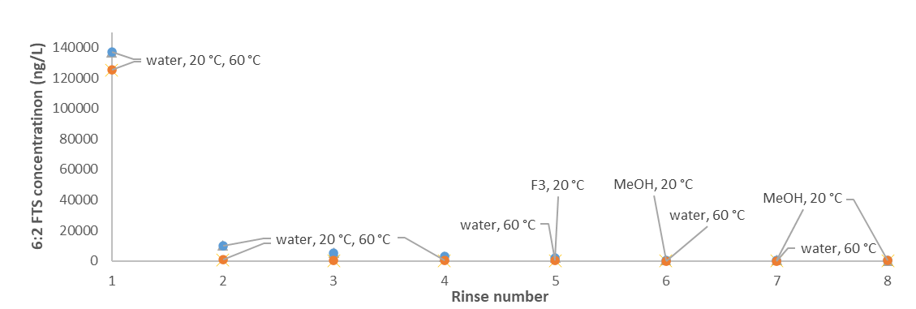
 | 6:2 FTS concentration (ng/L)
Rinse number | 20 °C | 60 °C
1 | 136896 | 125245
2 | 10072 | 787
3 | 5194 | 132
4 | 2927 | 126
5 | 1980 | 308
6 | 377 | 20
7 | 537 | <MRL
8 | 129 | 94

 |  |  | Figure 9. PFAS concentration as a function of rinse cycle for different solvents and temperatures. Rinses 1-4 are with deionized water at both temperatures (blue circles are 20 °C). Rinse 5 is with Avio Green fluorine free foam (F3) at 20 °C and water at 60 °C. Subsequent rinses are with methanol or water as labelled.

Fig 10
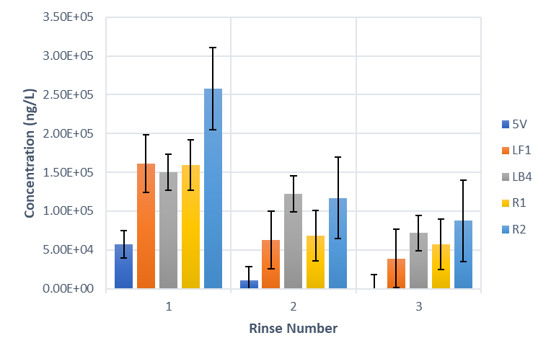
Component | Rinse Number | PFAS concentration sum (ng/L) | PFAS concentration sum standard deviation (ng/L)
5V, straight stainless steel pipe | 1 | 5.75E+04 | 3.37E+04
 | 2 | 1.07E+04 | 4.23E+02
 | 3 | 4.20E+02 | 1.60E+02
LF1, stainless steel elbow | 1 | 1.61E+05 | 4.89E+04
 | 2 | 6.31E+04 | 3.96E+03
 | 3 | 3.91E+04 | 1.30E+04
LB4, stainless steel elbow | 1 | 1.50E+05 | 2.12E+03
 | 2 | 1.22E+05 | 2.11E+03
 | 3 | 7.18E+04 | 1.20E+03
R1, brass proportioner | 1 | 1.59E+05 | 1.43E+05
 | 2 | 6.80E+04 | 1.34E+04
 | 3 | 5.68E+04 | 2.67E+04
R2, brass proportioner | 1 | 2.58E+05 | 1.37E+05
 | 2 | 1.17E+05 | 6.06E+04
 | 3 | 8.75E+04 | 3.44E+04
 |  |  |  | Figure 10. Component total (sum) PFAS concentrations during rinsing of several hangar system fire suppression system components.

Fig 13
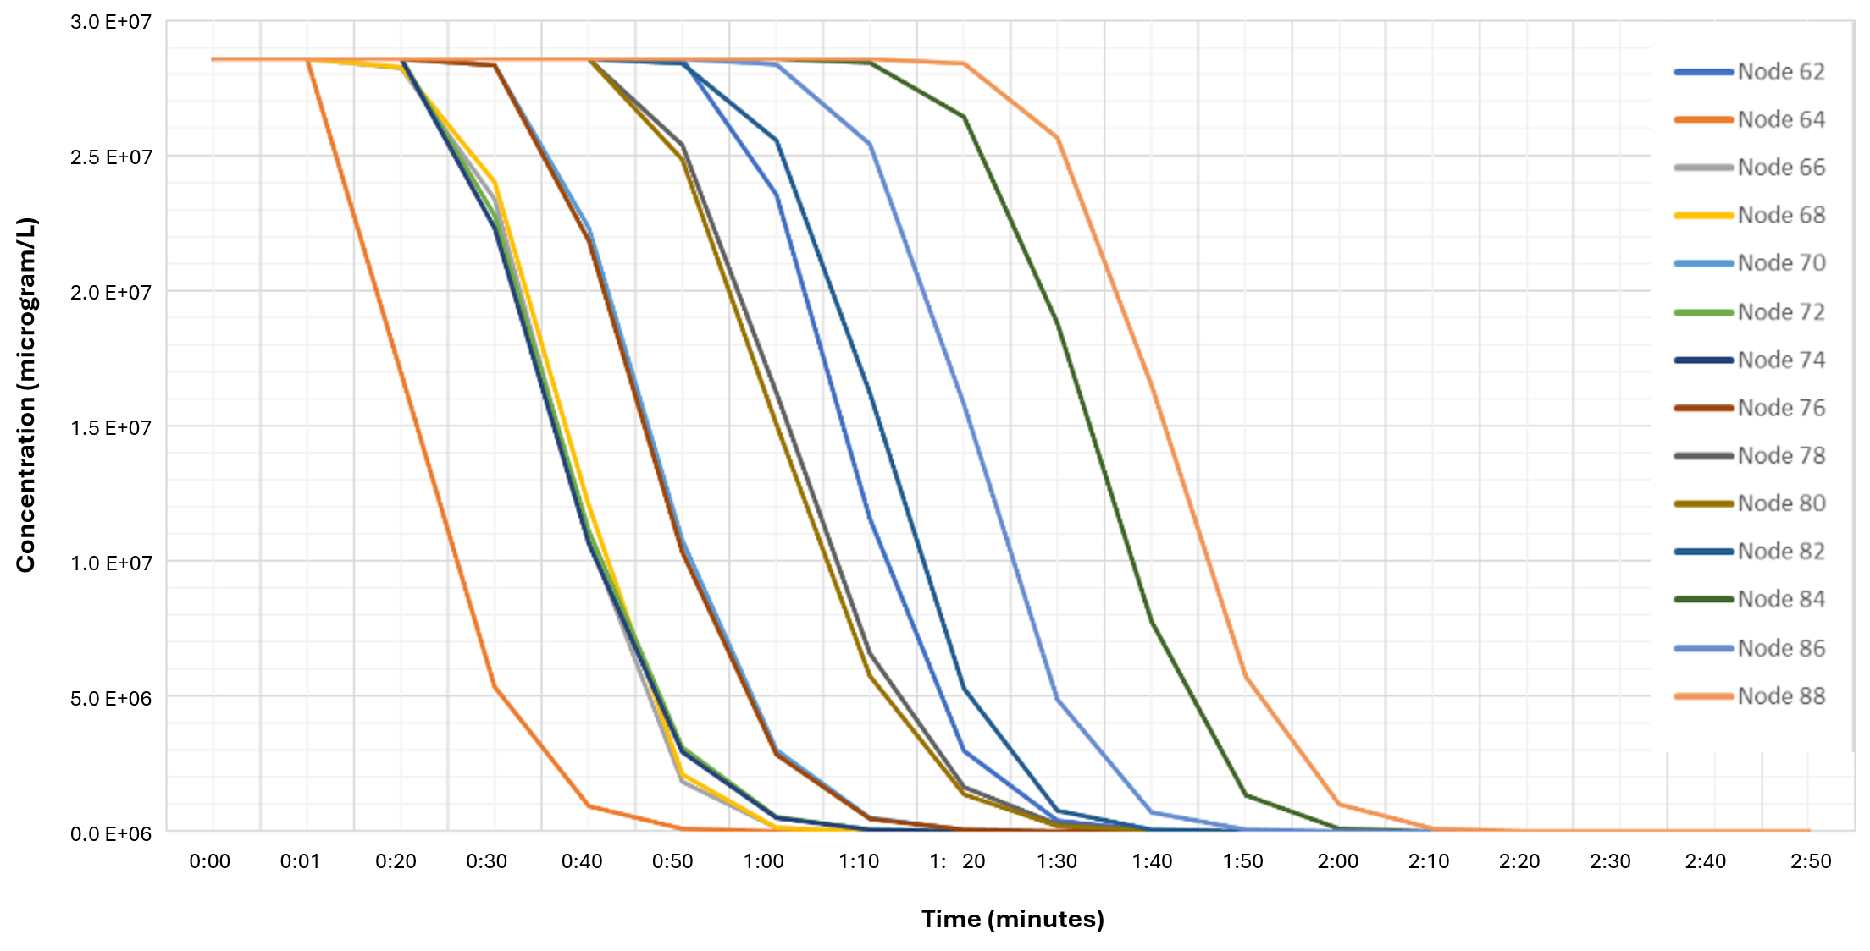

Figure 13. Modeled concentrations of PFAS as a function of time for C-17 hangar emitters after flushing at system design rates, only including those nodes corresponding to the exit points, i.e., the emitters. Supplemental Figure S1 shows that locations of the emitter nodes in the overall network of all nodes.

