Figure 1
PFAS = poly- and perfluoro alkyl substances
PAC = powdered activated carbon
 |  |  |  |  |  |  | Individual PFAS concentration (microgram/L)
 |  | Total (summed) PFAS concentration (microgram/L) |  |  |  |  | 0.0125 g PAC |  |  |  |  |  |  |  |  |  |  |  | 0.0175 g PAC |  |  |  |  |  |  |  |  |  |  |  | 0.0275 g PAC |  |  |  |  |  |  |  |  |  |  |  | 0.0375 g PAC |  |  |  |  |  |  |  |  |  |  |  | 0.0475 g PAC |  |  |  |  |  |  |  |  |  |  |  | 0.0575 g PAC
Time (hours) | 0.0125 g PAC | 0.0175 g PAC | 0.0275 g PAC | 0.0375 g PAC | 0.0475 g PAC | 0.0575 g PAC | 4:2 FTS | 6:2 FTS | 8:2 FTS | PFBA | PFPeA | PFBS | PFHxA | PFHpA | PFOA | PFDA | GenX | PFOS | 4:2 FTS | 6:2 FTS | 8:2 FTS | PFBA | PFPeA | PFBS | PFHxA | PFHpA | PFOA | PFDA | GenX | PFOS | 4:2 FTS | 6:2 FTS | 8:2 FTS | PFBA | PFPeA | PFBS | PFHxA | PFHpA | PFOA | PFDA | GenX | PFOS | 4:2 FTS | 6:2 FTS | 8:2 FTS | PFBA | PFPeA | PFBS | PFHxA | PFHpA | PFOA | PFDA | GenX | PFOS | 4:2 FTS | 6:2 FTS | 8:2 FTS | PFBA | PFPeA | PFBS | PFHxA | PFHpA | PFOA | PFDA | GenX | PFOS | 4:2 FTS | 6:2 FTS | 8:2 FTS | PFBA | PFPeA | PFBS | PFHxA | PFHpA | PFOA | PFDA | GenX | PFOS
0 | 249.2483 | 249.2483 | 249.2483 | 249.2483 | 249.2483 | 249.2483 | 0.135 | 178.333 | 0.0762 | 3.35 | 6.18 | 0.155 | 48.3 | 3.13 | 9.45 | 0.01 | 0.0191 | 0.11 | 0.135 | 178.333 | 0.0762 | 3.35 | 6.18 | 0.155 | 48.3 | 3.13 | 9.45 | 0.01 | 0.0191 | 0.11 | 0.135 | 178.333 | 0.0762 | 3.35 | 6.18 | 0.155 | 48.3 | 3.13 | 9.45 | 0.01 | 0.0191 | 0.11 | 0.135 | 178.333 | 0.0762 | 3.35 | 6.18 | 0.155 | 48.3 | 3.13 | 9.45 | 0.01 | 0.0191 | 0.11 | 0.135 | 178.333 | 0.0762 | 3.35 | 6.18 | 0.155 | 48.3 | 3.13 | 9.45 | 0.01 | 0.0191 | 0.11 | 0.135 | 178.333 | 0.0762 | 3.35 | 6.18 | 48.3 | 0.155 | 3.13 | 9.45 | 0.01 | 0.0191 | 0.11
2 | 197.8766 | 77.8855 | 77.8855 | 83.9415 | 104.0641 | 105.6974 | 0.125 | 143 | 0.0316 | 3.35 | 5.57 | 0 | 40.6 | 2.96 | 2.23 | 0.01 | 0 | 0 | 0.0725 | 56.3 | 0.033 | 2.1 | 2.58 | 0 | 16.8 | 0 | 0 | 0 | 0 | 0 | 0.0725 | 56.3 | 0.033 | 2.1 | 2.58 | 0 | 16.8 | 0 | 0 | 0 | 0 | 0 | 0.0806 | 59.3 | 0.0309 | 2.16 | 2.69 | 0 | 17.5 | 1.04 | 1.14 | 0 | 0 | 0 | 0.0781 | 74.5 | 0.026 | 2.46 | 3.28 | 0 | 21.3 | 1.38 | 1.04 | 0 | 0 | 0 | 0.0975 | 75.4 | 0.0299 | 2.23 | 3.42 | 21.9 | 0 | 1.54 | 1.08 | 0 | 0 | 0
4 | 172.8493 | 96.7222 | 96.7222 | 89.6788 | 107.0421 | 133.6863 | 0.122 | 130 | 0.0173 | 3.05 | 4.7 | 0 | 30.8 | 2.31 | 1.85 | 0 | 0 | 0 | 0.0755 | 66.7 | 0.0267 | 2.3 | 3.26 | 0 | 23 | 1.36 | 0 | 0 | 0 | 0 | 0.0755 | 66.7 | 0.0267 | 2.3 | 3.26 | 0 | 23 | 1.36 | 0 | 0 | 0 | 0 | 0.0769 | 63.8 | 0.0319 | 2.05 | 2.98 | 0 | 19.5 | 1.24 | 0 | 0 | 0 | 0 | 0.0889 | 76.8 | 0.0232 | 2.26 | 3.22 | 0 | 22.1 | 1.41 | 1.14 | 0 | 0 | 0 | 0.0962 | 98.6 | 0.019 | 2.53 | 3.75 | 25.6 | 0 | 1.77 | 1.31 | 0 | 0.0111 | 0
6 | 129.5595 | 129.4617 | 129.4617 | 81.4824 | 73.8223 | 54.4649 | 0.11 | 85.4 | 0.0295 | 3.17 | 5.17 | 0 | 32.1 | 2.01 | 1.57 | 0 | 0 | 0 | 0.0898 | 85.2 | 0.0319 | 3.32 | 5.03 | 0 | 32.4 | 2.05 | 1.34 | 0 | 0 | 0 | 0.0898 | 85.2 | 0.0319 | 3.32 | 5.03 | 0 | 32.4 | 2.05 | 1.34 | 0 | 0 | 0 | 0.0636 | 53.2 | 0.0288 | 2.43 | 3.41 | 0 | 21.2 | 1.15 | 0 | 0 | 0 | 0 | 0.0606 | 46.1 | 0.0317 | 2.51 | 3.17 | 0 | 20.8 | 1.15 | 0 | 0 | 0 | 0 | 0.0455 | 34.9 | 0.0294 | 2.12 | 2.47 | 14.9 | 0 | 0 | 0 | 0 | 0 | 0
24 | 121.0753 | 68.6339 | 68.6339 | 36.8146 | 28.4333 | 19.8027 | 0.19 | 80.7 | 0.0403 | 2.98 | 4.53 | 0.155 | 28.9 | 1.95 | 1.52 | 0 | 0 | 0.11 | 0.0898 | 41.3 | 0.0441 | 2.76 | 3.74 | 0 | 20.7 | 0 | 0 | 0 | 0 | 0 | 0.0898 | 41.3 | 0.0441 | 2.76 | 3.74 | 0 | 20.7 | 0 | 0 | 0 | 0 | 0 | 0.0563 | 19.8 | 0.0383 | 2.06 | 2.46 | 0 | 12.4 | 0 | 0 | 0 | 0 | 0 | 0.0463 | 14.4 | 0.037 | 2.22 | 2.21 | 0 | 9.52 | 0 | 0 | 0 | 0 | 0 | 0.0263 | 9.01 | 0.0364 | 1.9 | 1.82 | 7.01 | 0 | 0 | 0 | 0 | 0 | 0

Time (hours) |  |  |  |  |  |  | Standard deviation of Individual PFAS concentration (microgram/L)
0 | 14.806503943 | 14.811169468 | 14.811169468 | 14.816182606 | 15.111402086 | 14.803938496 | 0.008 | 14.259 | 0.014 | 0.267 | 0.491 | 0.015 | 3.868 | 0.257 | 0.757 | 0.001 | 0 | 0.01 | 0.014 | 14.264 | 0.007 | 0.271 | 0.496 | 0.013 | 3.868 | 0.243 | 0.754 | 0.004 | 0 | 0.013 | 0.014 | 14.264 | 0.007 | 0.271 | 0.496 | 0.013 | 3.868 | 0.243 | 0.754 | 0.004 | 0 | 0.013 | 0.01 | 14.271 | 0.013 | 0.268 | 0.5 | 0.021 | 3.86 | 0.256 | 0.755 | 0.001 | 0.003 | 0.011 | 0.011 | 14.261 | 0.007 | 0.275 | 0.496 | 0.008 | 4.9 | 0.253 | 0.763 | 0.007 | 0.005 | 0.015 | 0.015 | 14.257 | 0 | 0.27 | 0.496 | 3.865 | 0.012 | 0.244 | 0.76 | 0.008 | 0.005 | 0.006
2 | 11.907295915 | 4.7027863018 | 4.7027863018 | 4.9515497574 | 6.2129295827 | 8.1008016887 | 0.014 | 11.439 | 0.001 | 0.263 | 0.448 | 0 | 3.252 | 0.239 | 0.174 | 0.002 | 0 | 0 | 0.013 | 4.498 | 0.01 | 0.161 | 0.202 | 0.008 | 1.348 | 0.002 | 0 | 0 | 0.002 | 0.005 | 0.013 | 4.498 | 0.01 | 0.161 | 0.202 | 0.008 | 1.348 | 0.002 | 0 | 0 | 0.002 | 0.005 | 0.006 | 4.738 | 0.003 | 0.167 | 0.215 | 0.005 | 1.406 | 0.091 | 0.099 | 0.007 | 0.005 | 0.005 | 0 | 5.964 | 0.007 | 0.195 | 0.254 | 0.003 | 1.706 | 0.107 | 0.081 | 0.005 | 0.008 | 0.008 | 0.008 | 7.9 | 0.002 | 0.176 | 0.273 | 1.756 | 0.002 | 0.127 | 0.088 | 0.004 | 0.001 | 0.007
4 | 10.704771927 | 5.6577536178 | 5.6577536178 | 5.3486920831 | 9.7193469945 | 11.195938683 | 0.01 | 10.404 | 0 | 0.241 | 0.368 | 0.009 | 2.47 | 0.18 | 0.148 | 0 | 0.006 | 0 | 0.015 | 5.339 | 0 | 0.191 | 0.26 | 0 | 1.841 | 0.108 | 0.002 | 0 | 0 | 0 | 0.015 | 5.339 | 0 | 0.191 | 0.26 | 0 | 1.841 | 0.108 | 0.002 | 0 | 0 | 0 | 0.01 | 5.105 | 0 | 0.163 | 0.242 | 0.001 | 1.566 | 0.099 | 0.008 | 0.003 | 0.003 | 0.003 | 0.005 | 8.5 | 0.006 | 0.183 | 0.263 | 0.001 | 4.7 | 0.121 | 0.091 | 0.008 | 0 | 0 | 0.016 | 11 | 0.005 | 0.2 | 0.294 | 2.048 | 0.008 | 0.136 | 0.098 | 0.008 | 0.005 | 0.005
6 | 7.3224969785 | 7.3128553931 | 7.3128553931 | 4.5966090763 | 6.9111933846 | 3.3321989737 | 0.015 | 6.838 | 0.008 | 0.247 | 0.405 | 0.001 | 2.568 | 0.163 | 0.119 | 0.002 | 0.006 | 0 | 0.008 | 6.819 | 0.003 | 0.265 | 0.395 | 0 | 2.591 | 0.168 | 0.106 | 0.002 | 0.003 | 0.004 | 0.008 | 6.819 | 0.003 | 0.265 | 0.395 | 0 | 2.591 | 0.168 | 0.106 | 0.002 | 0.003 | 0.004 | 0.001 | 4.26 | 0.005 | 0.195 | 0.272 | 0.001 | 1.691 | 0.098 | 0.005 | 0.002 | 0.004 | 0.007 | 0.011 | 6.7 | 0.001 | 0.2 | 0.261 | 0.004 | 1.661 | 0.086 | 0 | 0.001 | 0.004 | 0.001 | 0.007 | 3.1 | 0.001 | 0.169 | 0.192 | 1.195 | 0.006 | 0.003 | 0.002 | 0.003 | 0.004 | 0.005
24 | 6.876244251 | 3.7193811313 | 3.7193811313 | 1.8803741649 | 1.4084903266 | 0.91953738369 | 0.017 | 6.459 | 0.005 | 0.243 | 0.361 | 0.021 | 2.31 | 0.153 | 0.12 | 0 | 0.002 | 0.004 | 0.008 | 3.31 | 0.004 | 0.219 | 0.301 | 0.002 | 1.655 | 0 | 0 | 0.003 | 0.004 | 0 | 0.008 | 3.31 | 0.004 | 0.219 | 0.301 | 0.002 | 1.655 | 0 | 0 | 0.003 | 0.004 | 0 | 0.009 | 1.576 | 0.002 | 0.162 | 0.199 | 0.002 | 0.993 | 0.001 | 0.001 | 0.003 | 0.001 | 0.006 | 0.003 | 1.152 | 0.008 | 0.177 | 0.184 | 0.002 | 0.769 | 0.004 | 0.007 | 0.002 | 0.007 | 0 | 0.006 | 0.7 | 0 | 0.151 | 0.142 | 0.559 | 0.003 | 0.002 | 0.006 | 0.002 | 0.005 | 0.005

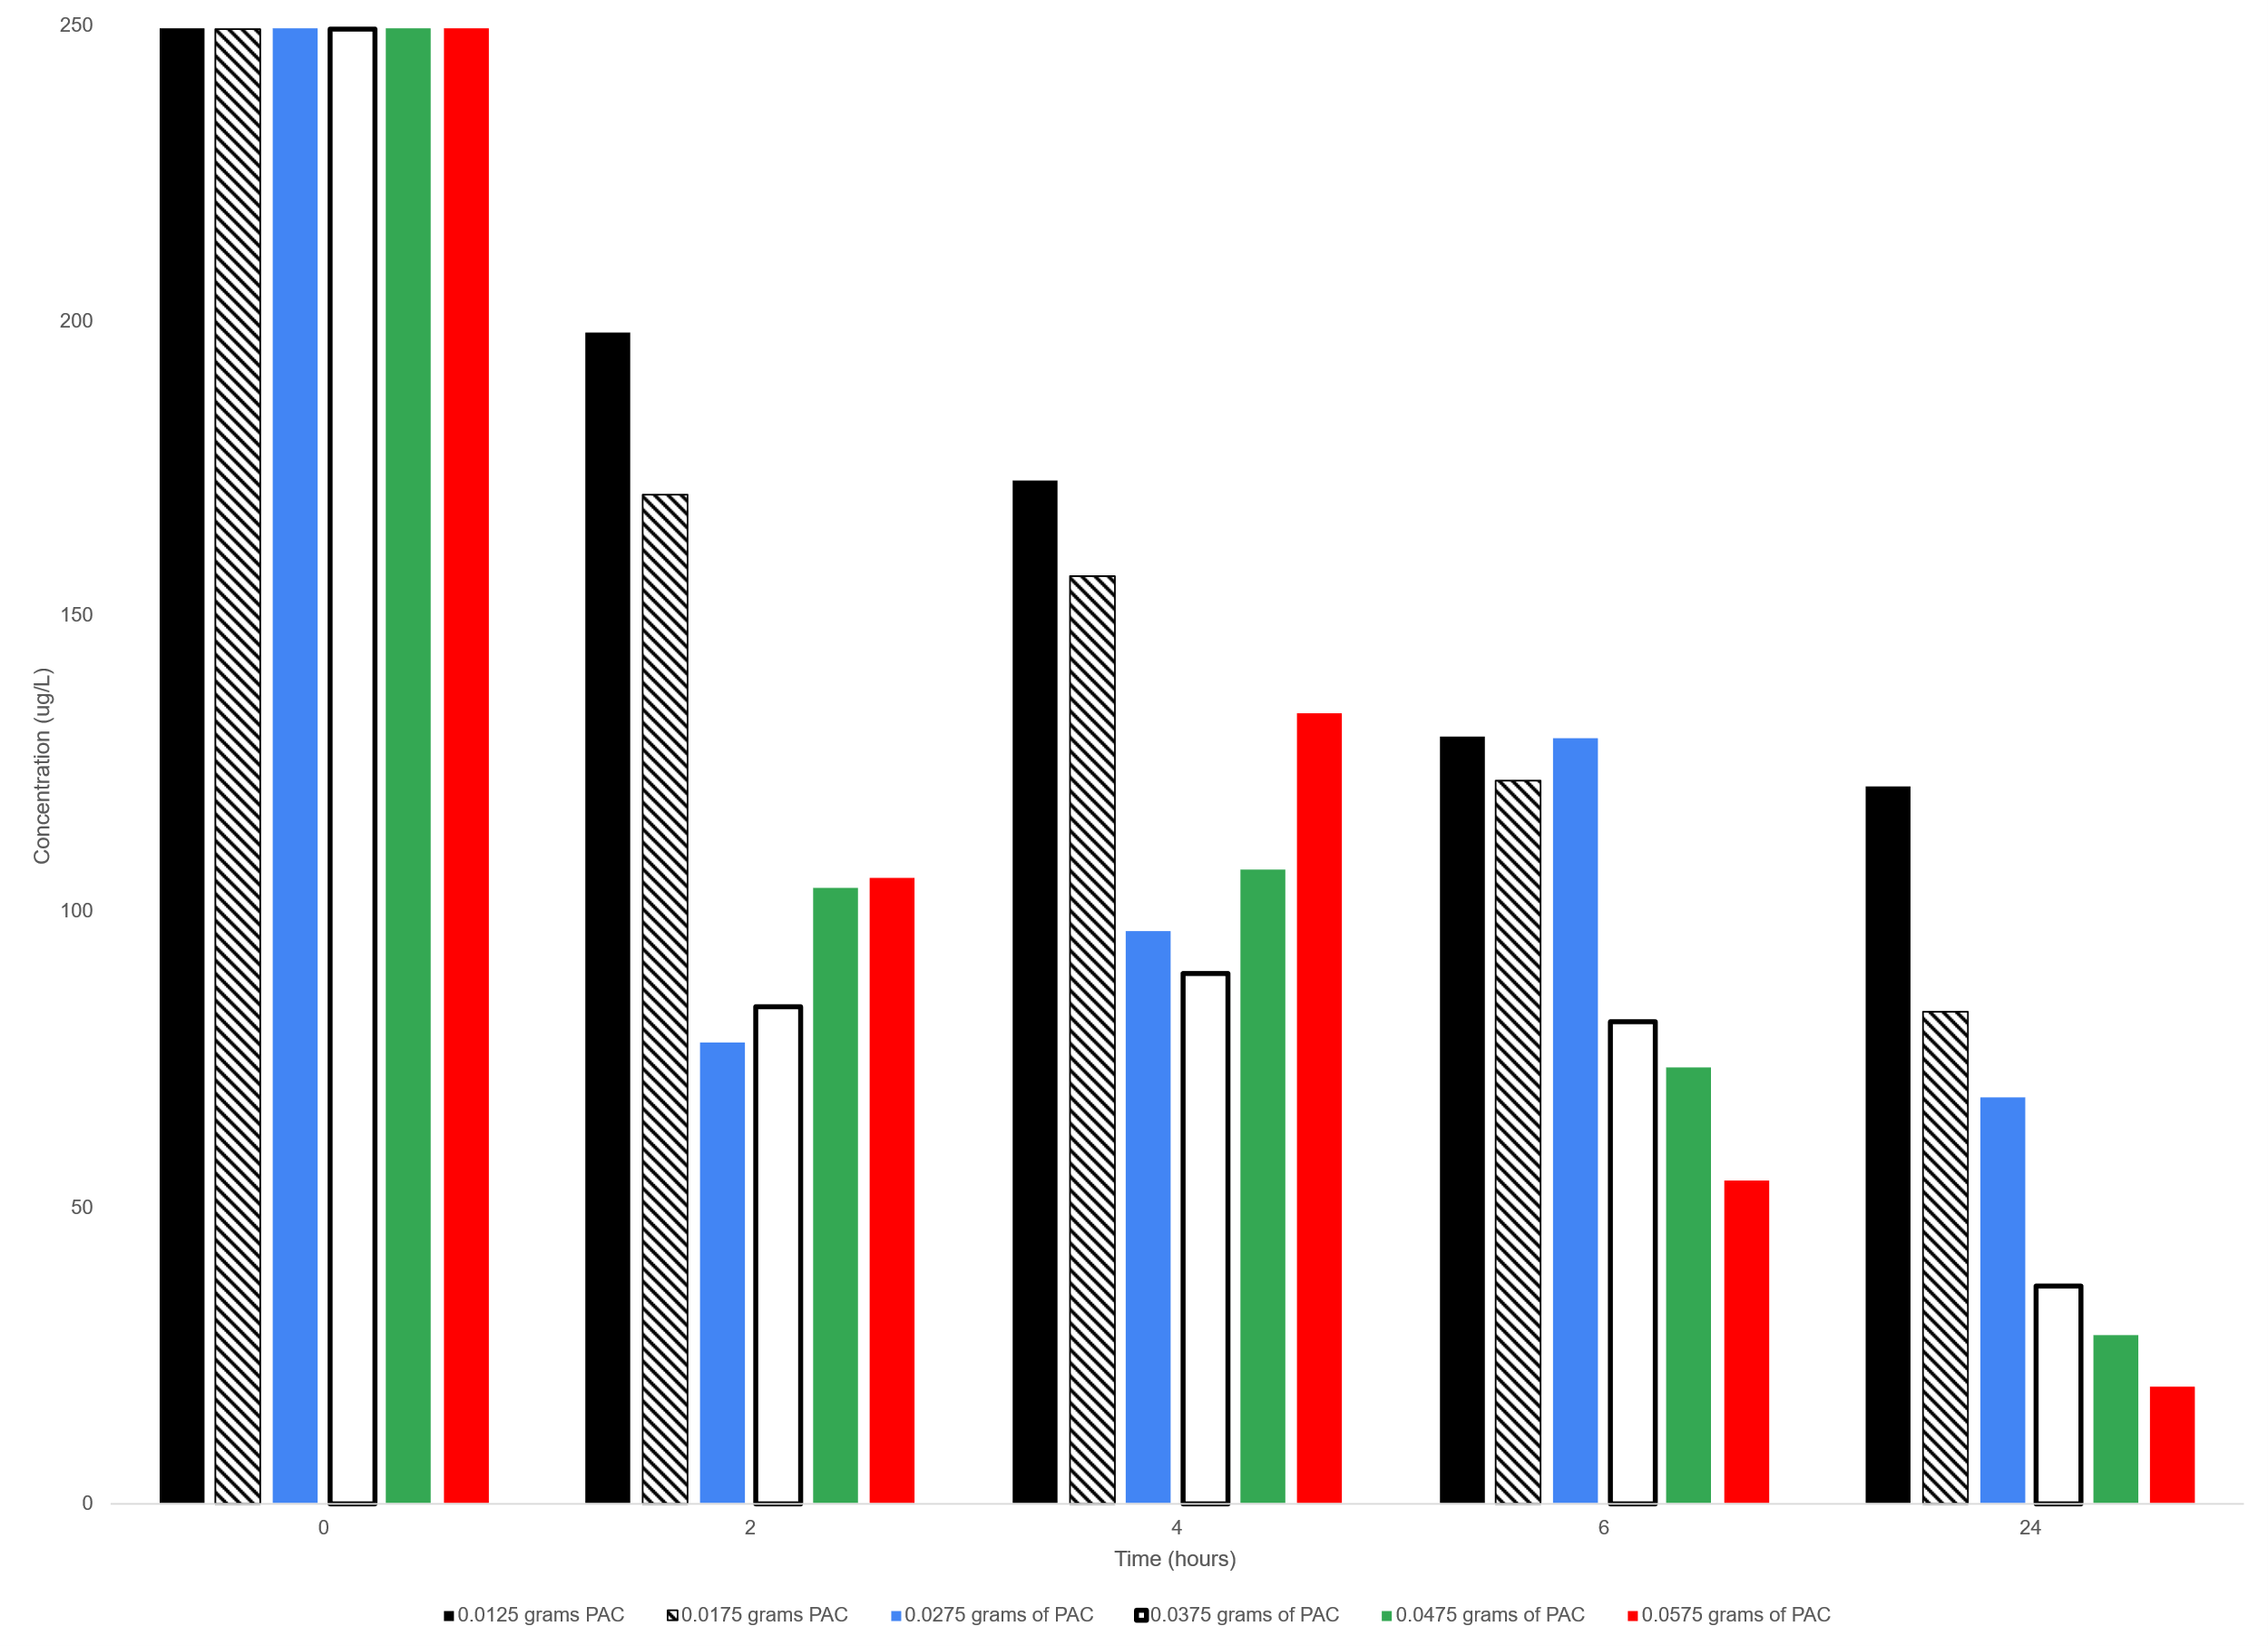

 |  | Figure 1. The effect of PAC mass on total (summed) PFAS for the five adsorption ex-periments removal for different adsorption times.

Figure 2 panel A
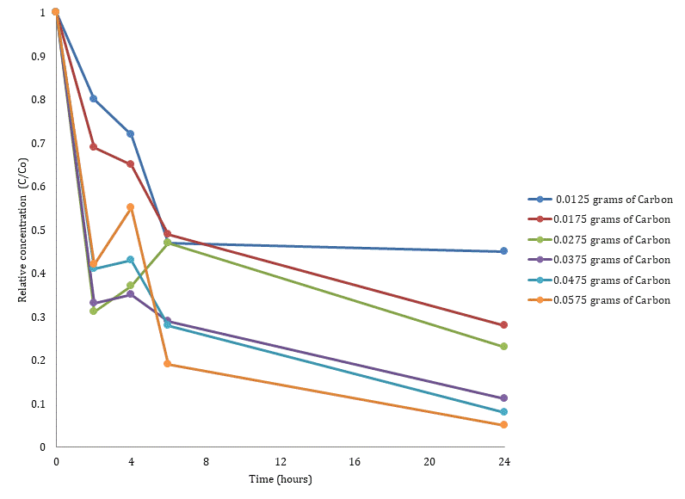
C/C0 = ratio of measured concentration to initial concentration

 |  | 6:2 FTS relative concentration (C/C0)
Time (hours) | 0.0125 g PAC | 0,0175 g PAC | 0.0275 g PAC | 0.0375 g PAC | 0,0475 g PAC | 0.0575 g PAC
0 | 1 | 1 | 1 | 1 | 1 | 1
2 | 0.8 | 0.69 | 0.31 | 0.33 | 0.41 | 0.42
4 | 0.72 | 0.65 | 0.37 | 0.35 | 0.43 | 0.55
6 | 0.47 | 0.49 | 0.47 | 0.29 | 0.28 | 0.19
24 | 0.45 | 0.28 | 0.23 | 0.11 | 0.08 | 0.05

Time (hours) |  | standard deviation of 6:2 FTS relative concentration (C/C0)
0 | 0 | 0 | 0 | 0 | 0 | 0
2 | 0.089 | 0.08 | 0.029 | 0.019 | 0.055 | 0.017
4 | 0.093 | 0.08 | 0.064 | 0 | 0 | 0.038
6 | 0 | 0.015 | 0.087 | 0.026 | 0 | 0
24 | 0.03 | 0 | 0 | 0 | 0 | 0

 |  |  |  |  |  |  | Figure 2 (panel A). The effect of activated carbon mass on 6:2 FTS removal.

Figure 2 panel B
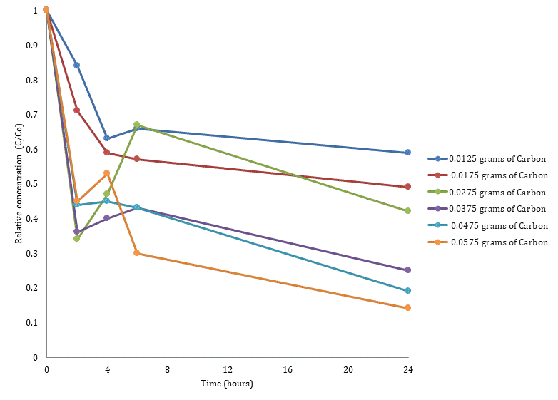
C/C0 = ratio of measured concentration to initial concentration

 |  | PFHxA relative concentration (C/C0)
Time (hours) | 0.0125 g PAC | 0,0175 g PAC | 0.0275 g PAC | 0.0375 g PAC | 0,0475 g PAC | 0.0575 g PAC
0 | 1 | 1 | 1 | 1 | 1 | 1
2 | 0.84 | 0.71 | 0.34 | 0.36 | 0.44 | 0.45
4 | 0.63 | 0.59 | 0.47 | 0.4 | 0.45 | 0.53
6 | 0.66 | 0.57 | 0.67 | 0.43 | 0.43 | 0.3
24 | 0.59 | 0.49 | 0.42 | 0.25 | 0.19 | 0.14

Time (hours) |  | standard deviation of PFHxA relative concentration (C/C0)
0 | 0 | 0 | 0 | 0 | 0 | 0
2 | 0.085 | 0.06 | 0.032 | 0 | 0.014 | 0.022
4 | 0 | 0.103 | 0.043 | 0 | 0.041 | 0.077
6 | 0.03 | 0.057 | 0.055 | 0.003 | 0.011 | 0.07
24 | 0.106 | 0.074 | 0.01 | 0 | 0.005 | 0.05

 |  |  |  |  |  |  | Figure 2 (panel B). The effect of activated carbon mass on PFHxA removal.

Figure 3
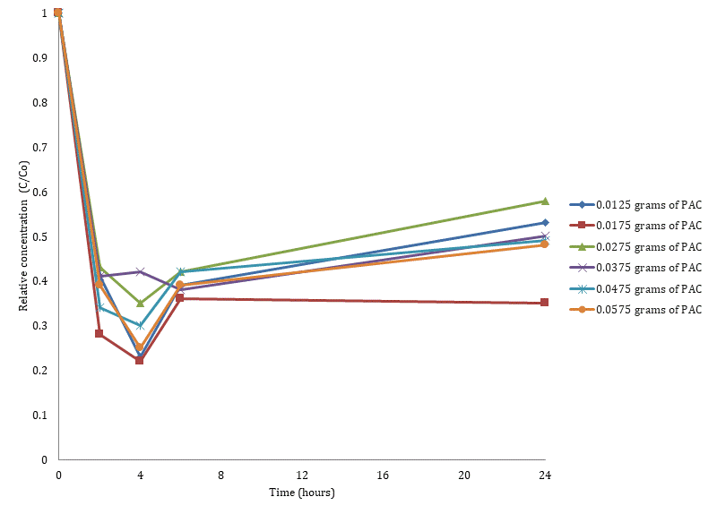
C/C0 = ratio of measured concentration to initial concentration

 |  | 8:2 FTS relative concentration (C/C0)
Time (hours) | 0.0125 g PAC | 0,0175 g PAC | 0.0275 g PAC | 0.0375 g PAC | 0,0475 g PAC | 0.0575 g PAC
0 | 1 | 1 | 1 | 1 | 1 | 1
2 | 0.41 | 0.28 | 0.43 | 0.41 | 0.34 | 0.39
4 | 0.23 | 0.22 | 0.35 | 0.42 | 0.3 | 0.25
6 | 0.39 | 0.36 | 0.42 | 0.38 | 0.42 | 0.39
24 | 0.53 | 0.35 | 0.58 | 0.5 | 0.49 | 0.48

Time (hours) |  | standard deviation of 8:2 FTS relative concentration (C/C0)
0 | 0 | 0 | 0 | 0 | 0 | 0
2 | 0.027 | 0.01 | 0.027 | 0.016 | 0.018 | 0.015
4 | 0.015 | 0.01 | 0.018 | 0.024 | 0.018 | 0.013
6 | 0.019 | 0.016 | 0.05 | 0.022 | 0.05 | 0.06
24 | 0.027 | 0.015 | 0.024 | 0.03 | 0.018 | 0.05

 |  |  |  |  |  |  | Figure 3. The effect of activated carbon mass on 8:2 FTS removal.

Figure A2
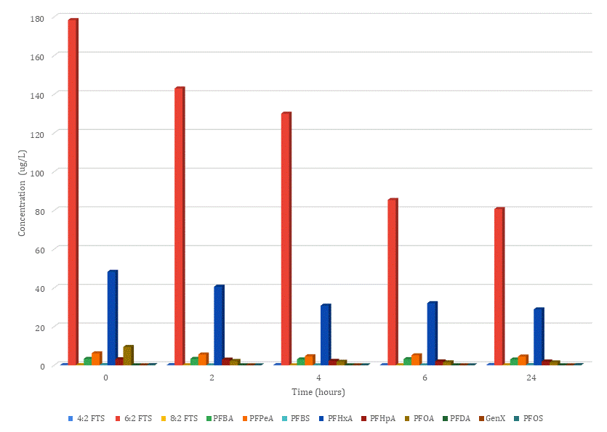
 |  |  |  |  | PFAS concentration (microgram/L)
Time (hours) | 4:2 FTS | 6:2 FTS | 8:2 FTS | PFBA | PFPeA | PFBS | PFHxA | PFHpA | PFOA | PFDA | GenX | PFOS
0 | 0.135 | 178.333 | 0.0762 | 3.35 | 6.18 | 0.155 | 48.3 | 3.13 | 9.45 | 0.01 | 0.0191 | 0.11
2 | 0.125 | 143 | 0.0316 | 3.35 | 5.57 | 0 | 40.6 | 2.96 | 2.23 | 0.01 | 0 | 0
4 | 0.122 | 130 | 0.0173 | 3.05 | 4.7 | 0 | 30.8 | 2.31 | 1.85 | 0 | 0 | 0
6 | 0.11 | 85.4 | 0.0295 | 3.17 | 5.17 | 0 | 32.1 | 2.01 | 1.57 | 0 | 0 | 0
24 | 0.19 | 80.7 | 0.0403 | 2.98 | 4.53 | 0.155 | 28.9 | 1.95 | 1.52 | 0 | 0 | 0.11

Time (hours) |  |  |  |  | Standard deviation of PFAS concentration (microgram/L)
0 | 0.008 | 14.259 | 0.014 | 0.267 | 0.491 | 0.015 | 3.868 | 0.257 | 0.757 | 0.001 | 0 | 0.01
2 | 0.014 | 11.439 | 0.001 | 0.263 | 0.448 | 0 | 3.252 | 0.239 | 0.174 | 0.002 | 0 | 0
4 | 0.01 | 10.404 | 0 | 0.241 | 0.368 | 0.009 | 2.47 | 0.18 | 0.148 | 0 | 0.006 | 0
6 | 0.015 | 6.838 | 0.008 | 0.247 | 0.405 | 0.001 | 2.568 | 0.163 | 0.119 | 0.002 | 0.006 | 0
24 | 0.017 | 6.459 | 0.005 | 0.243 | 0.361 | 0.021 | 2.31 | 0.153 | 0.12 | 0 | 0.002 | 0.004

 |  |  |  |  |  |  |  |  |  |  |  |  | Figure A2. Concentrations of PFAS after AFFF rinse water treatment with 0.0175 grams of PAC.

Figure A3
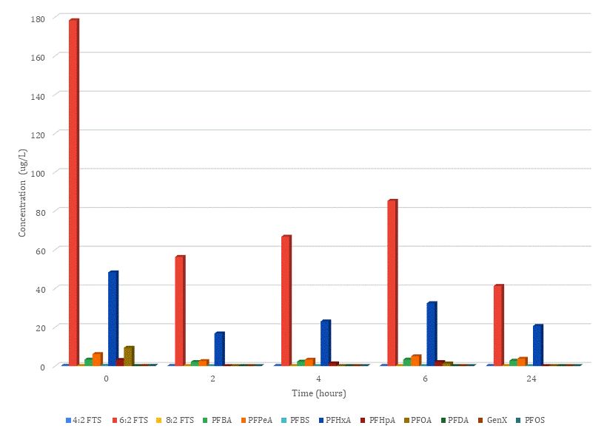
 |  |  |  |  | PFAS concentration (microgram/L)
Time (hours) | 4:2 FTS | 6:2 FTS | 8:2 FTS | PFBA | PFPeA | PFBS | PFHxA | PFHpA | PFOA | PFDA | GenX | PFOS
0 | 0.135 | 178.333 | 0.0762 | 3.35 | 6.18 | 0.155 | 48.3 | 3.13 | 9.45 | 0.01 | 0.0191 | 0.11
2 | 0.0725 | 56.3 | 0.033 | 2.1 | 2.58 | 0 | 16.8 | 0 | 0 | 0 | 0 | 0
4 | 0.0755 | 66.7 | 0.0267 | 2.3 | 3.26 | 0 | 23 | 1.36 | 0 | 0 | 0 | 0
6 | 0.0898 | 85.2 | 0.0319 | 3.32 | 5.03 | 0 | 32.4 | 2.05 | 1.34 | 0 | 0 | 0
24 | 0.0898 | 41.3 | 0.0441 | 2.76 | 3.74 | 0 | 20.7 | 0 | 0 | 0 | 0 | 0

Time (hours) |  |  |  |  | Standard deviation of PFAS concentration (microgram/L)
0 | 0.014 | 14.264 | 0.007 | 0.271 | 0.496 | 0.013 | 3.868 | 0.243 | 0.754 | 0.004 | 0 | 0.013
2 | 0.013 | 4.498 | 0.01 | 0.161 | 0.202 | 0.008 | 1.348 | 0.002 | 0 | 0 | 0.002 | 0.005
4 | 0.015 | 5.339 | 0 | 0.191 | 0.26 | 0 | 1.841 | 0.108 | 0.002 | 0 | 0 | 0
6 | 0.008 | 6.819 | 0.003 | 0.265 | 0.395 | 0 | 2.591 | 0.168 | 0.106 | 0.002 | 0.003 | 0.004
24 | 0.008 | 3.31 | 0.004 | 0.219 | 0.301 | 0.002 | 1.655 | 0 | 0 | 0.003 | 0.004 | 0

 |  |  |  |  |  |  |  |  |  |  |  |  | Figure A3. Concentrations of PFAS after AFFF rinse water treatment with 0.0275 grams of PAC.

Figure A4
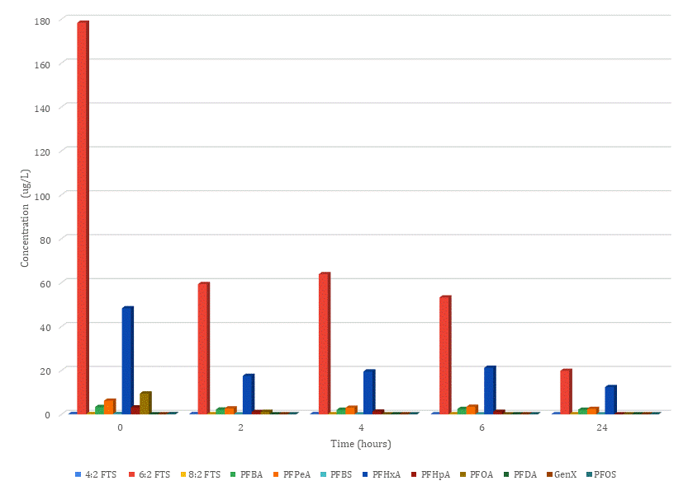
 |  |  |  |  | PFAS concentration (microgram/L)
Time (hours) | 4:2 FTS | 6:2 FTS | 8:2 FTS | PFBA | PFPeA | PFBS | PFHxA | PFHpA | PFOA | PFDA | GenX | PFOS
0 | 0.135 | 178.333 | 0.0762 | 3.35 | 6.18 | 0.155 | 48.3 | 3.13 | 9.45 | 0.01 | 0.0191 | 0.11
2 | 0.0806 | 59.3 | 0.0309 | 2.16 | 2.69 | 0 | 17.5 | 1.04 | 1.14 | 0 | 0 | 0
4 | 0.0769 | 63.8 | 0.0319 | 2.05 | 2.98 | 0 | 19.5 | 1.24 | 0 | 0 | 0 | 0
6 | 0.0636 | 53.2 | 0.0288 | 2.43 | 3.41 | 0 | 21.2 | 1.15 | 0 | 0 | 0 | 0
24 | 0.0563 | 19.8 | 0.0383 | 2.06 | 2.46 | 0 | 12.4 | 0 | 0 | 0 | 0 | 0

Time (hours) |  |  |  |  | Standard deviation of PFAS concentration (microgram/L)
0 | 0.01 | 14.271 | 0.013 | 0.268 | 0.5 | 0.021 | 3.86 | 0.256 | 0.755 | 0.001 | 0.003 | 0.011
2 | 0.006 | 4.738 | 0.003 | 0.167 | 0.215 | 0.005 | 1.406 | 0.091 | 0.099 | 0.007 | 0.005 | 0.005
4 | 0.01 | 5.105 | 0 | 0.163 | 0.242 | 0.001 | 1.566 | 0.099 | 0.008 | 0.003 | 0.003 | 0.003
6 | 0.001 | 4.26 | 0.005 | 0.195 | 0.272 | 0.001 | 1.691 | 0.098 | 0.005 | 0.002 | 0.004 | 0.007
24 | 0.009 | 1.576 | 0.002 | 0.162 | 0.199 | 0.002 | 0.993 | 0.001 | 0.001 | 0.003 | 0.001 | 0.006

 |  |  |  |  |  |  |  |  |  |  |  |  | Figure A4. Concentrations of PFAS after AFFF rinse water treatment with 0.0375 grams of PAC.

Figure A5
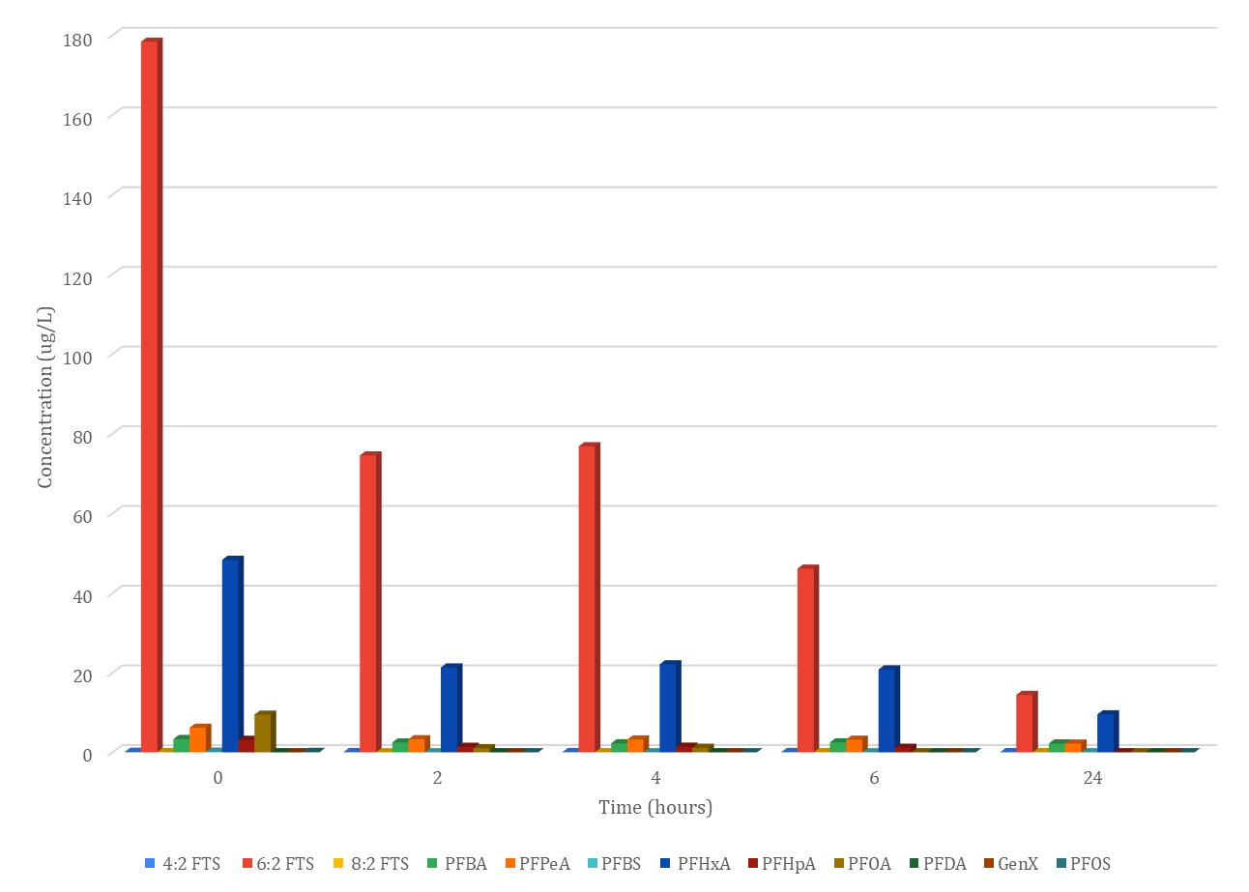
 |  |  |  |  | PFAS concentration (microgram/L)
Time (hours) | 4:2 FTS | 6:2 FTS | 8:2 FTS | PFBA | PFPeA | PFBS | PFHxA | PFHpA | PFOA | PFDA | GenX | PFOS
0 | 0.135 | 178.333 | 0.0762 | 3.35 | 6.18 | 0.155 | 48.3 | 3.13 | 9.45 | 0.01 | 0.0191 | 0.11
2 | 0.0781 | 74.5 | 0.026 | 2.46 | 3.28 | 0 | 21.3 | 1.38 | 1.04 | 0 | 0 | 0
4 | 0.0889 | 76.8 | 0.0232 | 2.26 | 3.22 | 0 | 22.1 | 1.41 | 1.14 | 0 | 0 | 0
6 | 0.0606 | 46.1 | 0.0317 | 2.51 | 3.17 | 0 | 20.8 | 1.15 | 0 | 0 | 0 | 0
24 | 0.0463 | 14.4 | 0.037 | 2.22 | 2.21 | 0 | 9.52 | 0 | 0 | 0 | 0 | 0

Time (hours) |  |  |  |  | Standard deviation of PFAS concentration (microgram/L)
0 | 0.011 | 14.261 | 0.007 | 0.275 | 0.496 | 0.008 | 4.9 | 0.253 | 0.763 | 0.007 | 0.005 | 0.015
2 | 0 | 5.964 | 0.007 | 0.195 | 0.254 | 0.003 | 1.706 | 0.107 | 0.081 | 0.005 | 0.008 | 0.008
4 | 0.005 | 8.5 | 0.006 | 0.183 | 0.263 | 0.001 | 4.7 | 0.121 | 0.091 | 0.008 | 0 | 0
6 | 0.011 | 6.7 | 0.001 | 0.2 | 0.261 | 0.004 | 1.661 | 0.086 | 0 | 0.001 | 0.004 | 0.001
24 | 0.003 | 1.152 | 0.008 | 0.177 | 0.184 | 0.002 | 0.769 | 0.004 | 0.007 | 0.002 | 0.007 | 0

 |  |  |  |  |  |  |  |  |  |  |  |  | Figure A5. Concentrations of PFAS after AFFF rinse water treatment with 0.0475 grams of PAC.

Figure A6
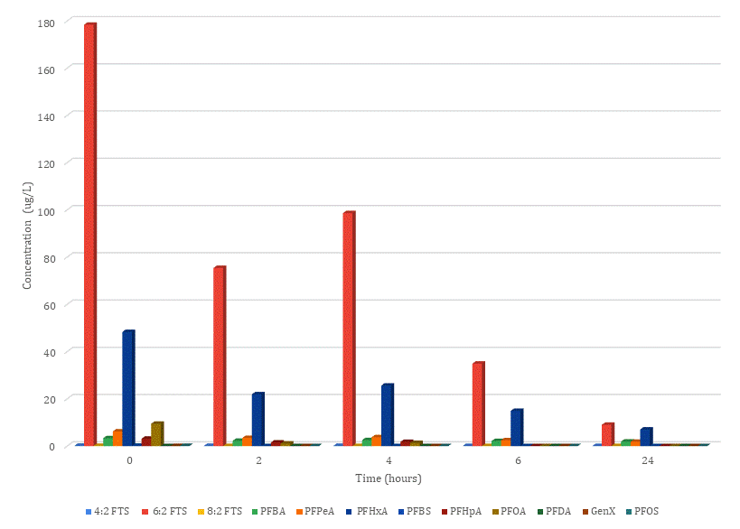
 |  |  |  |  | PFAS concentration (microgram/L)
Time (hours) | 4:2 FTS | 6:2 FTS | 8:2 FTS | PFBA | PFPeA | PFBS | PFHxA | PFHpA | PFOA | PFDA | GenX | PFOS
0 | 0.135 | 178.333 | 0.0762 | 3.35 | 6.18 | 48.3 | 0.155 | 3.13 | 9.45 | 0.01 | 0.0191 | 0.11
2 | 0.0975 | 75.4 | 0.0299 | 2.23 | 3.42 | 21.9 | 0 | 1.54 | 1.08 | 0 | 0 | 0
4 | 0.0962 | 98.6 | 0.019 | 2.53 | 3.75 | 25.6 | 0 | 1.77 | 1.31 | 0 | 0.0111 | 0
6 | 0.0455 | 34.9 | 0.0294 | 2.12 | 2.47 | 14.9 | 0 | 0 | 0 | 0 | 0 | 0
24 | 0.0263 | 9.01 | 0.0364 | 1.9 | 1.82 | 7.01 | 0 | 0 | 0 | 0 | 0 | 0

Time (hours) |  |  |  |  | Standard deviation of PFAS concentration (microgram/L)
0 | 0.015 | 14.257 | 0 | 0.27 | 0.496 | 3.865 | 0.012 | 0.244 | 0.76 | 0.008 | 0.005 | 0.006
2 | 0.008 | 7.9 | 0.002 | 0.176 | 0.273 | 1.756 | 0.002 | 0.127 | 0.088 | 0.004 | 0.001 | 0.007
4 | 0.016 | 11 | 0.005 | 0.2 | 0.294 | 2.048 | 0.008 | 0.136 | 0.098 | 0.008 | 0.005 | 0.005
6 | 0.007 | 3.1 | 0.001 | 0.169 | 0.192 | 1.195 | 0.006 | 0.003 | 0.002 | 0.003 | 0.004 | 0.005
24 | 0.006 | 0.7 | 0 | 0.151 | 0.142 | 0.559 | 0.003 | 0.002 | 0.006 | 0.002 | 0.005 | 0.005

 |  |  |  |  |  |  |  |  |  |  |  |  | Figure A6. Concentrations of PFAS after AFFF rinse water treatment with 0.0575 grams of PAC.

