02_Detects Commodities by Labs
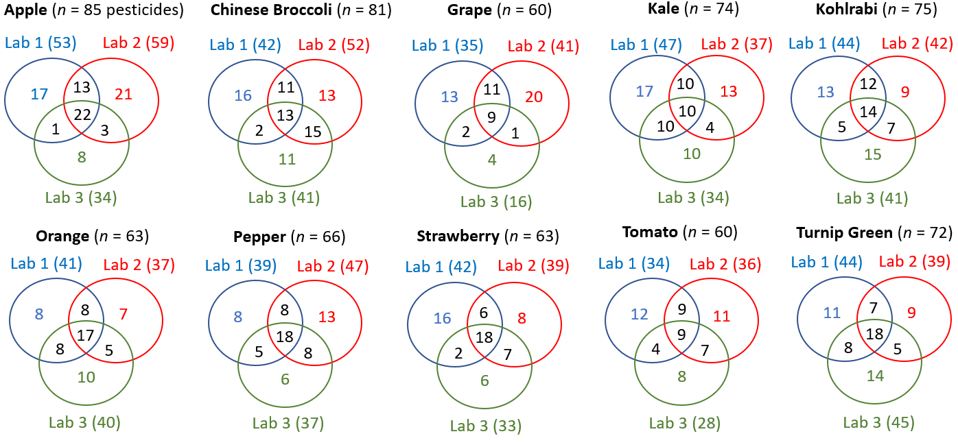
02_Number of Detects in Commodities determined by Three Laboratories
Distribution of pesticides commonly detected in each produce commodity by three laboratories. n is the total number of pesticides detected by all three laboratories.

 | Total from all Three Laboratories |  |  |  |  | Laboraotory 1 |  |  | Laboraotory 2 |  |  | Laboraotory 3
 | Total Number of Detects (Σ3 Labs) | Number of Pesticides < 10 μg/kg or Misidentified | Number of Pesticides detected by all three laboratories | # Identified Pesticides > 10 μg/kg | # found by GC-MS/MS only | # Detects | # Detects shared by Lab 1 and another lab | # Detects determined only by Laboratory 1 | # Detects | # Detects shared by Lab 2 and another lab | # Detects determined only by Laboratory 2 | # Detects | # Detects shared by Lab 3 and another lab | # Detects determined only by Laboratory 3
Apple | 85 | 81 | 22 | 4 | 0 | 53 | 14 | 17 | 59 | 16 | 21 | 34 | 4 | 8
Chinese Broccoli | 81 | 73 | 13 | 8 | 2 | 42 | 13 | 16 | 52 | 26 | 13 | 41 | 17 | 13
Grape | 60 | 59 | 9 | 1 | 0 | 35 | 13 | 13 | 41 | 45 | 20 | 16 | 3 | 4
Kale | 74 | 71 | 10 | 3 | 0 | 47 | 20 | 17 | 37 | 14 | 13 | 34 | 14 | 10
Kohlrabi | 75 | 71 | 14 | 4 | 1 | 44 | 17 | 14 | 42 | 19 | 9 | 41 | 12 | 15
Orange | 63 | 57 | 17 | 6 | 0 | 41 | 16 | 8 | 37 | 13 | 7 | 40 | 13 | 10
Pepper | 66 | 57 | 18 | 9 | 0 | 39 | 13 | 8 | 47 | 16 | 13 | 37 | 13 | 6
Strawberry | 63 | 53 | 18 | 10 | 0 | 42 | 8 | 16 | 39 | 13 | 8 | 33 | 9 | 5
Tomato | 60 | 54 | 9 | 6 | 0 | 34 | 13 | 12 | 36 | 16 | 11 | 28 | 11 | 8
Turnip Green | 72 | 66 | 18 | 6 | 1 | 44 | 15 | 11 | 39 | 12 | 9 | 45 | 13 | 14

