LOD+LOQ Calc Explanation
LOD and LOQ calculations were performed according to Bertram, et al. 2011 using the following equation:

Where B is the background count rate (counts per second), Cf is the calibration factor (a.k.a. slope of the calibration curve; counts per second per pptv), [X] is the mixing ratio (pptv), and t is the integration time (seconds)
To use this equation to calculate limits of detection (LODs) and limits of quantitation (LOQs), the S/N ratio is set to 3 and 10, respectively, and the equation is solved for [X]. The resulting mixing ratio [X] in pptv is the LOD or LOQ, respectively.

Example:
 | TFA
Cf | 12.543 | cps/pptv
[X] LOD | 6.01 | pptv
[X] LOQ | 23.19 | pptv
t | 1 | sec
B | 277.523 | cps

S/N LOD | 3.00 | Set to 3
S/N LOQ | 10.00 | Set to 10

Highlighted values are experiment-dependent values that are user updated; the Cf values are taken from calibration curves created and linearly fit in Igor and the B values are taken from background signal data processed in Tofware
For our instrument, t = 1 sec always
The cells labeled LOD and LOQ contain equations equivalent to the equation above
To solve for [X] LOD, the Solver function is used by selecting the S/N LOD cell as the objective, setting the target value to a value of 3, and selecting the [X] LOD cell for the variable cell to be changed (see screenshot below)
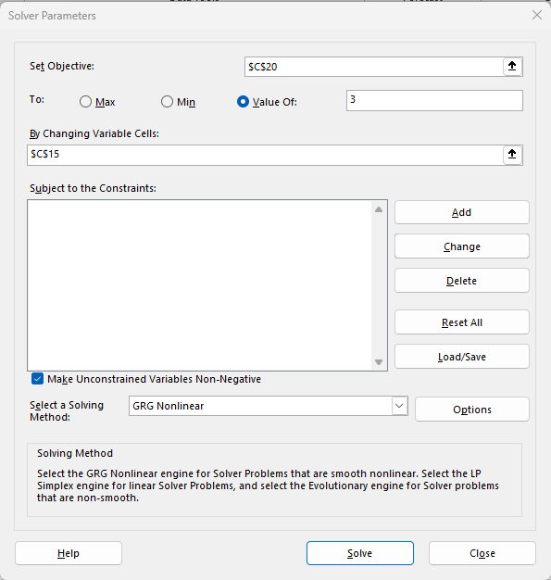

The same thing is done to solve for [X] LOQ using the [X] LOQ and S/N LOQ cells with a target value of 10

