ReadMe
Figure S2. I-CIMS calibration curves for 4:2 FTOH (red), 6:2 FTOH (orange), 8:2 FTOH (light teal), and 10:2 FTOH (dark teal). Open circles represent the mean of the triplicate standard injections at each level and error bars represent one standard deviation of the mean. Solid lines represent an unweighted linear fit to the mean calibration data.

Table 3. Comparison of I-CIMS sensitivities to FTOHs reported in the literature to this study.
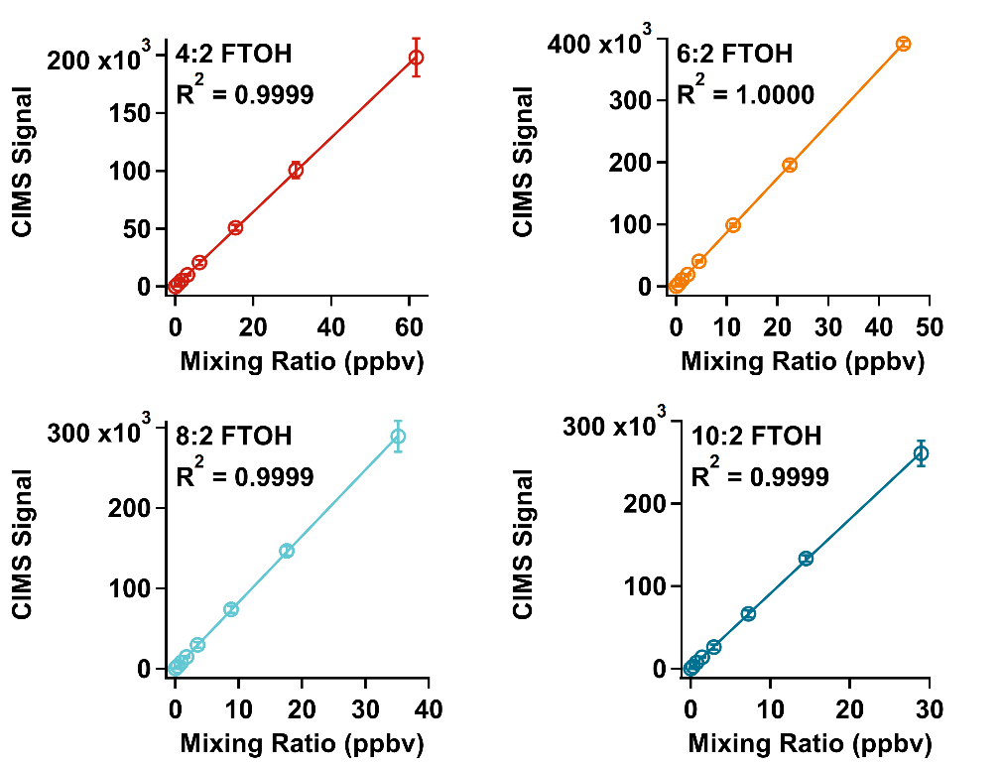
Calibration injections of combined FTOH standards at 0.2 and 2 ng/µL in ethyl acetate were performed at volumes ranging from 1-10 µL
The mass of each FTOH that was introduced by each calibration injection was converted to a mixing ratio in ppbv (see "MR Calculations")
The mean I-CIMS signal resulting from each calibration injection was plotted as a function of the mixing ratios of the injections to generate calibration curves.
The standard deviation of the I-CIMS signal at each calibration level was used to add error bars to the plots.
A linear fit was applied to the data, the slope of which represented the instrument's sensitivity to the analyte in terms of Hz/ppbv
The sensitivities were divided by 1000 to convert them to Hz/pptv and were summarized in Table 3.

Abbreviations |  | Data Dictionary
avg | average | final_MR_4_2 | 4:2 FTOH calibration mixing ratios (ppbv)
cal | calibration | final_signal_avg_4_2 | 4:2 FTOH calibration average I-CIMS signal
FTOH | fluorotelomer alcohol | final_signal_sdev_4_2 | 4:2 FTOH calibration I-CIMS signal standard deviation
g | grams | final_MR_6_2 | 6:2 FTOH calibration mixing ratios (ppbv)
Hz | Hertz | final_signal_avg_6_2 | 6:2 FTOH calibration average I-CIMS signal
I-CIMS | iodide chemical ionization mass spectrometer | final_signal_sdev_6_2 | 6:2 FTOH calibration I-CIMS signal standard deviation
L | liters | final_MR_8_2 | 8:2 FTOH calibration mixing ratios (ppbv)
min | minutes | final_signal_avg_8_2 | 8:2 FTOH calibration average I-CIMS signal
mL | milliliter | final_signal_sdev_8_2 | 8:2 FTOH calibration I-CIMS signal standard deviation
mol | mole | final_MR_10_2 | 10:2 FTOH calibration mixing ratios (ppbv)
MR | mixing ratio | final_signal_avg_10_2 | 10:2 FTOH calibration average I-CIMS signal
µg | microgram | final_signal_sdev_10_2 | 10:2 FTOH calibration I-CIMS signal standard deviation
µL | microliter
ng | nanogram
ppbv | parts per billion by volume
pptv | parts per trillion by volume
s | second(s)
sdev | standard deviation

