Read Me
Figure S1. TD-GC/MS calibration curves for 4:2 FTOH (red), 6:2 FTOH (orange), 8:2 FTOH (light teal), and 10:2 FTOH (dark teal). Open circles represent the mean of the triplicate spiked tubes at each level and error bars represent one standard deviation of the mean. Solid lines represent an unweighted linear fit to the mean calibration data.

PFAS TD tubes were spiked in triplicate with 1 µL of methanolic calibration standards ranging from 0.25-4 ng/µL to prepare a calibration ranging from 0.25-4 ng on tube.
The spiked TD tubes were analyzed on a Markes TD100-xr coupled to an Agilent 7890B/5977B GC/MS.
Bromochloromethane and 1,4-dichlorobenzene were used as internal standards to monitor retention times and injection quality.
The mean and standard deviation of the peak areas for the triplicate spiked standards at each level were calculated to prepare the calibration curves (see "Avg Cals").
Mean and std dev data were exported to Igor Pro v9 to create final calibration curve figure.

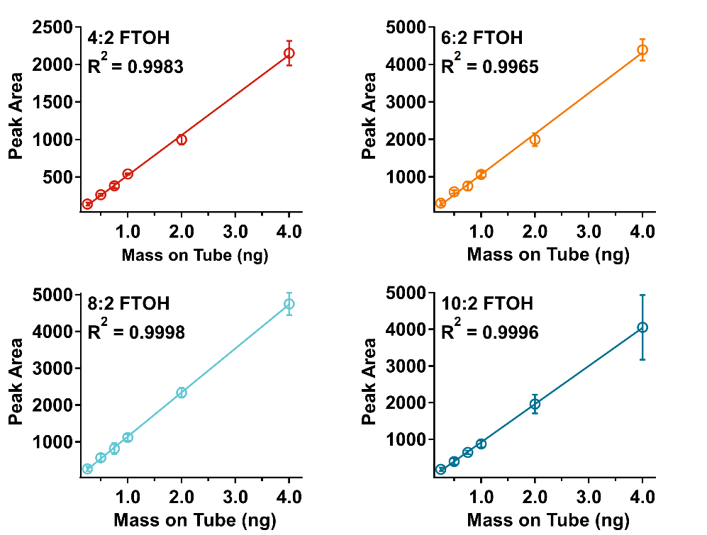
Abbreviations
Acq | acquisition
Avg | average
Cal(s) | calibration(s)
Cond | conditioned
ext vol | extended volume
FTOH | fluorotelomer alcohol
GC | gas chromatograph/gas chromatography
Info | information
Min | minute(s)
Misc | miscellaneous
MS | mass spectrometer/mass spectrometry
µL | microliter
ng | nanograms
PFAS | per- and polyfluorinated alkyl substances
Ret Time | retention time
SIM | selected ion monitoring
Std Dev | standard deviation
TD | thermal desorption

Avg Cals
Compound Name |  |  |  |  |  |  | 4:2 FTOH | 4:2 FTOH | 4:2 FTOH | 4:2 FTOH |  |  | 6:2 FTOH | 6:2 FTOH | 6:2 FTOH | 6:2 FTOH |  |  | 8:2 FTOH | 8:2 FTOH | 8:2 FTOH | 8:2 FTOH |  |  | 10:2 FTOH | 10:2 FTOH | 10:2 FTOH | 10:2 FTOH
Labels | Date Acquired | Data File Name | Acq. Method File | Sample Name | Misc Info | Vial Number | (# 3) Name | (# 3) Ret Time | (# 3) Amount | (# 3) Target Response | Mean | Std. Dev. | (# 4) Name | (# 4) Ret Time | (# 4) Amount | (# 4) Target Response | Mean | Std. Dev. | (# 5) Name | (# 5) Ret Time | (# 5) Amount | (# 5) Target Response | Mean | Std. Dev. | (# 6) Name | (# 6) Ret Time | (# 6) Amount | (# 6) Target Response | Mean | Std. Dev.
 | 4/10/25 | 20250410001.D | VF-200ms SIM Scan Target 20250218_Etune.M | 876571 | PFAS ext vol Blank cond. 4/9/25 | 1 | 4:2 FTOH | 0 | 0 | 0 |  |  | 6:2 FTOH | 0 | 0 | 0 |  |  | 8:2 FTOH | 0 | 0 | 0 |  |  | 10:2 FTOH | 0 | 0 | 0
 | 4/10/25 | 20250410002.D | VF-200ms SIM Scan Target 20250218_Etune.M | 876571 | PFAS ext vol Blank cond. 4/9/25 | 1 | 4:2 FTOH | 5.84 | 0 | 13 |  |  | 6:2 FTOH | 0 | 0 | 0 |  |  | 8:2 FTOH | 0 | 0 | 0 |  |  | 10:2 FTOH | 0 | 0 | 0
 | 4/10/25 | 20250410003.D | VF-200ms SIM Scan Target 20250218_Etune.M | 876573 | PFAS ext vol Blank cond. 4/9/25 | 2 | 4:2 FTOH | 0 | 0 | 0 |  |  | 6:2 FTOH | 7.55 | 0 | 50 |  |  | 8:2 FTOH | 0 | 0 | 0 |  |  | 10:2 FTOH | 0 | 0 | 0
 | 4/10/25 | 20250410004.D | VF-200ms SIM Scan Target 20250218_Etune.M | 902634 | Methanol blank spiked 4/09/25 | 3 | 4:2 FTOH | 0 | 0 | 0 |  |  | 6:2 FTOH | 0 | 0 | 0 |  |  | 8:2 FTOH | 0 | 0 | 0 |  |  | 10:2 FTOH | 0 | 0 | 0
 | 4/10/25 | 20250410005.D | VF-200ms SIM Scan Target 20250218_Etune.M | 902623 | 0.25 ng FTOH cal spiked 4/09/25 | 4 | 4:2 FTOH | 5.86 | 0.25 | 137 | 138 | 20 | 6:2 FTOH | 7.55 | 0.25 | 321 | 300 | 67 | 8:2 FTOH | 9 | 0.25 | 267 | 266 | 61 | 10:2 FTOH | 10.27 | 0.25 | 191 | 182 | 49
 | 4/10/25 | 20250410006.D | VF-200ms SIM Scan Target 20250218_Etune.M | 902637 | 0.25 ng FTOH cal spiked 4/09/25 | 5 | 4:2 FTOH | 5.86 | 0.25 | 119 |  |  | 6:2 FTOH | 7.55 | 0.25 | 225 |  |  | 8:2 FTOH | 9 | 0.25 | 205 |  |  | 10:2 FTOH | 10.27 | 0.25 | 130
 | 4/10/25 | 20250410007.D | VF-200ms SIM Scan Target 20250218_Etune.M | 902602 | 0.25 ng FTOH cal spiked 4/09/25 | 6 | 4:2 FTOH | 5.86 | 0.25 | 158 |  |  | 6:2 FTOH | 7.55 | 0.25 | 354 |  |  | 8:2 FTOH | 9 | 0.25 | 326 |  |  | 10:2 FTOH | 10.27 | 0.25 | 226
 | 4/10/25 | 20250410008.D | VF-200ms SIM Scan Target 20250218_Etune.M | 902610 | 0.5 ng FTOH cal spiked 4/09/25 | 7 | 4:2 FTOH | 5.86 | 0.5 | 268 | 265 | 16 | 6:2 FTOH | 7.55 | 0.5 | 568 | 601 | 45 | 8:2 FTOH | 9 | 0.5 | 478 | 572 | 99 | 10:2 FTOH | 10.27 | 0.5 | 312 | 397 | 85
 | 4/10/25 | 20250410009.D | VF-200ms SIM Scan Target 20250218_Etune.M | 902636 | 0.5 ng FTOH cal spiked 4/09/25 | 8 | 4:2 FTOH | 5.86 | 0.5 | 247 |  |  | 6:2 FTOH | 7.55 | 0.5 | 584 |  |  | 8:2 FTOH | 9 | 0.5 | 562 |  |  | 10:2 FTOH | 10.27 | 0.5 | 397
 | 4/10/25 | 20250410010.D | VF-200ms SIM Scan Target 20250218_Etune.M | 902624 | 0.5 ng FTOH cal spiked 4/09/25 | 9 | 4:2 FTOH | 5.86 | 0.5 | 279 |  |  | 6:2 FTOH | 7.55 | 0.5 | 652 |  |  | 8:2 FTOH | 9 | 0.5 | 676 |  |  | 10:2 FTOH | 10.27 | 0.5 | 482
 | 4/10/25 | 20250410011.D | VF-200ms SIM Scan Target 20250218_Etune.M | 902628 | 0.75 ng FTOH cal spiked 4/09/25 | 10 | 4:2 FTOH | 5.86 | 0.75 | 416 | 382 | 34 | 6:2 FTOH | 7.55 | 0.75 | 873 | 757 | 110 | 8:2 FTOH | 9 | 0.75 | 972 | 819 | 150 | 10:2 FTOH | 10.27 | 0.75 | 690 | 648 | 46
 | 4/10/25 | 20250410012.D | VF-200ms SIM Scan Target 20250218_Etune.M | 902626 | 0.75 ng FTOH cal spiked 4/09/25 | 11 | 4:2 FTOH | 5.86 | 0.75 | 382 |  |  | 6:2 FTOH | 7.55 | 0.75 | 746 |  |  | 8:2 FTOH | 9 | 0.75 | 814 |  |  | 10:2 FTOH | 10.27 | 0.75 | 655
 | 4/10/25 | 20250410013.D | VF-200ms SIM Scan Target 20250218_Etune.M | 902640 | 0.75 ng FTOH cal spiked 4/09/25 | 12 | 4:2 FTOH | 5.86 | 0.75 | 349 |  |  | 6:2 FTOH | 7.55 | 0.75 | 653 |  |  | 8:2 FTOH | 9 | 0.75 | 672 |  |  | 10:2 FTOH | 10.27 | 0.75 | 598
 | 4/10/25 | 20250410014.D | VF-200ms SIM Scan Target 20250218_Etune.M | 902606 | 1.0 ng FTOH cal spiked 4/09/25 | 13 | 4:2 FTOH | 5.86 | 1 | 549 | 540 | 8 | 6:2 FTOH | 7.55 | 1 | 1140 | 1067 | 80 | 8:2 FTOH | 9 | 1 | 1142 | 1122 | 92 | 10:2 FTOH | 10.27 | 1 | 819 | 874 | 98
 | 4/10/25 | 20250410015.D | VF-200ms SIM Scan Target 20250218_Etune.M | 902612 | 1.0 ng FTOH cal spiked 4/09/25 | 14 | 4:2 FTOH | 5.86 | 1 | 536 |  |  | 6:2 FTOH | 7.55 | 1 | 982 |  |  | 8:2 FTOH | 9 | 1 | 1022 |  |  | 10:2 FTOH | 10.27 | 1 | 815
 | 4/11/25 | 20250410016.D | VF-200ms SIM Scan Target 20250218_Etune.M | 902603 | 1.0 ng FTOH cal spiked 4/09/25 | 15 | 4:2 FTOH | 5.86 | 1 | 534 |  |  | 6:2 FTOH | 7.55 | 1 | 1078 |  |  | 8:2 FTOH | 9 | 1 | 1203 |  |  | 10:2 FTOH | 10.27 | 1 | 987
 | 4/11/25 | 20250410017.D | VF-200ms SIM Scan Target 20250218_Etune.M | 902621 | 2.0 ng FTOH cal spiked 4/09/25 | 16 | 4:2 FTOH | 5.86 | 2 | 1011 | 999 | 64 | 6:2 FTOH | 7.55 | 2 | 1999 | 1993 | 173 | 8:2 FTOH | 9 | 2 | 2337 | 2342 | 136 | 10:2 FTOH | 10.27 | 2 | 1749 | 1964 | 254
 | 4/11/25 | 20250410018.D | VF-200ms SIM Scan Target 20250218_Etune.M | 902611 | 2.0 ng FTOH cal spiked 4/09/25 | 17 | 4:2 FTOH | 5.86 | 2 | 1057 |  |  | 6:2 FTOH | 7.55 | 2 | 2163 |  |  | 8:2 FTOH | 9 | 2 | 2480 |  |  | 10:2 FTOH | 10.27 | 2 | 1899
 | 4/11/25 | 20250410019.D | VF-200ms SIM Scan Target 20250218_Etune.M | 902614 | 2.0 ng FTOH cal spiked 4/09/25 | 18 | 4:2 FTOH | 5.86 | 2 | 930 |  |  | 6:2 FTOH | 7.55 | 2 | 1817 |  |  | 8:2 FTOH | 9 | 2 | 2209 |  |  | 10:2 FTOH | 10.27 | 2 | 2244
 | 4/11/25 | 20250410020.D | VF-200ms SIM Scan Target 20250218_Etune.M | 902604 | 4.0 ng FTOH cal spiked 4/09/25 | 19 | 4:2 FTOH | 5.86 | 4 | 2267 | 2152 | 163 | 6:2 FTOH | 7.55 | 4 | 4448 | 4395 | 283 | 8:2 FTOH | 9 | 4 | 4536 | 4752 | 305 | 10:2 FTOH | 10.28 | 4 | 3158 | 4057 | 882
 | 4/11/25 | 20250410021.D | VF-200ms SIM Scan Target 20250218_Etune.M | 902608 | 4.0 ng FTOH cal spiked 4/09/25 | 20 | 4:2 FTOH | 5.86 | 4 | 2224 |  |  | 6:2 FTOH | 7.55 | 4 | 4648 |  |  | 8:2 FTOH | 9 | 4 |  |  |  | 10:2 FTOH | 10.27 | 4 | 4921
 | 4/11/25 | 20250410022.D | VF-200ms SIM Scan Target 20250218_Etune.M | 902607 | 4.0 ng FTOH cal spiked 4/09/25 | 21 | 4:2 FTOH | 5.86 | 4 | 1965 |  |  | 6:2 FTOH | 7.55 | 4 | 4089 |  |  | 8:2 FTOH | 9 | 4 | 4967 |  |  | 10:2 FTOH | 10.27 | 4 | 4092
 | 4/11/25 | 20250410023.D | VF-200ms SIM Scan Target 20250218_Etune.M | 876577 | PFAS ext vol Blank cond. 4/9/25 | 31 | 4:2 FTOH | 0 | 0 | 0 |  |  | 6:2 FTOH | 7.55 | 0 | 96 |  |  | 8:2 FTOH | 9 | 0 | 498 |  |  | 10:2 FTOH | 10.27 | 0 | 2074

 | 4:2 FTOH
0.25 | 138
0.25
0.25
0.5 | 265
0.5
0.5
0.75 | 382
0.75
0.75
1 | 540
1
1
2 | 999
2
2
4 | 2152
4
4
 | 8:2 FTOH
0.25 | 266
0.25
0.25
0.5 | 572
0.5
0.5
0.75 | 819
0.75
0.75
1 | 1122
1
1
2 | 2342
2
2
4 | 4752
4
4

 | 6:2 FTOH
0.25 | 300
0.25
0.25
0.5 | 601
0.5
0.5
0.75 | 757
0.75
0.75
1 | 1067
1
1
2 | 1993
2
2
4 | 4395
4
4
 | 10:2 FTOH
0.25 | 182
0.25
0.25
0.5 | 397
0.5
0.5
0.75 | 648
0.75
0.75
1 | 874
1
1
2 | 1964
2
2
4 | 4057
4
4

