Fe-10r Pb
 |  | Fe-10r |  |  |  |  | Quality Control Sample Results

 |  | MDL1 (ppb) | 0.0840 |  |  |  | Blank | Sample | [Pb]
 |  | LLOQ2 (ppb) | 1.00 |  |  |  | Index Number | ID | ppb
 |  | Sample ID | [Pb] (ug/g) | Standard Deviation |  |  | 18 | 1 Fe-10 | 0.040134705663
 | Vegetation Experiments | B1 | 1796.266 | 60.297 |  | 0 | 19 | 2 | -0.0031550108845
 |  | B6 | 2091.543 | 652.850 |  | 0 | 20 | 3 | -0.0028163721381
 |  | B3 | 1955.597 | 210.602 |  | 0
 |  | B11 | 774.051 | 15.147 |  | 0 | Blank Spike | Sample | Dilution | Raw [Pb] | DF Corrected[Pb] | Recovery
 |  | B16 | 740.385 | 0.644 |  | 0 | Index Number | ID | Factor | ppb | ppb | %
 |  | B13 | 785.768 | 38.647 |  | 0 | 21 | 4 | 12500 | 1.6776086383 | 20970.107979 | 104.85%
 |  | B8 | 1500.252 | 63.225 |  | 0 | 22 | 5 | 12500 | 1.6394044306 | 20492.555382 | 102.46%
 |  | B18 | 589.629 | 15.527 |  | 0 | 23 | 6 | 12500 | 1.6712171668 | 20890.214585 | 104.45%
 | 1MDL calculated as the standard deviation of 8 low Pb dust replicates multiplied by 3.14. Refers to instrument raw values.
 | 2LLOQ was successfully verified at 1.0 ppb Pb. Refers to instrument raw values. |  |  |  |  |  | SRM | Sample | Dilution | Raw [Pb] | DF Corrected[Pb] | SRM Mass | Volume | Pb mass | [Pb] | Certified Recovery
 |  |  |  |  |  |  | Index Number | ID | Factor | ppb | ppb | g | L | ug | ug/g | %
 |  |  |  |  |  |  | 98 | 63 | 12500 | 19.922886561 | 249036.08201 | 0.2568 | 0.004 | 996.1443 | 3879.0667 | 76.06%
#REF! |  |  |  |  |  |  | 99 | 64 | 12500 | 19.844036494 | 248050.45617 | 0.2531 | 0.004 | 992.2018 | 3920.1969 | 76.87%
#REF! | Spike and SRM Pb Concentrations |  |  |  |  |  | 100 | 65 | 12500 | 19.673784589 | 245922.30736 | 0.254 | 0.004 | 983.6892 | 3878.9007 | 76.06%
#REF! | Blank Spike | Certified SRM 2583 | Round-robin SRM 2583 | SRM 2710a | Matrix Spike
#REF! | ppb | ppm (ug Pb/g SRM) | ppm (ug Pb/g SRM) | ppm (ug Pb/g SRM) | ppb |  | Analytical Replicates | Sample | Dilution | Raw [Pb] | DF Corrected[Pb] | Limits | Repeatability (%) | Target | Pass/Fail | RPD
#REF! | 20000 | 85.9 | 78 | 5100 | 2500 |  | Index Number | ID | Factor | ppb | ppb
#REF! |  |  |  |  |  |  | 27 | 10 | 12500 | 3.2989342556 | 41236.678196 |  | 99.95% | 85 to 115% | PASS | 0.05249444278
#REF! |  |  |  |  |  |  | 28 | 10 Rep | 12500 | 3.2972029529 | 41215.036911
#REF! |  |  |  |  |  |  | 40 | 20 | 12500 | 3.2042451035 | 40053.063794 |  | 100.82% | 85 to 115% | PASS | 0.8183586541
 |  |  |  |  |  |  | 41 | 20 Rep | 12500 | 3.2305750574 | 40382.188217
 |  |  |  |  |  |  | 53 | 30 | 12500 | 2.6299379985 | 32874.224981 |  | 98.94% | 85 to 115% | PASS | 1.0660968856
 |  |  |  |  |  |  | 54 | 30 Rep | 12500 | 2.6020489734 | 32525.612168 | MDL
 |  |  |  |  |  |  | 66 | 40 | 12500 | 0.59685682039 | 7460.7102549 | LLOQ | 100.93% | 85 to 115% | PASS | 0.92640980403
 |  |  |  |  |  |  | 67 | 40 Rep | 12500 | 0.60241189186 | 7530.1486482 | MDL
 |  |  |  |  |  |  | 79 | 50 | 12500 | 2.4378171481 | 30472.714351 |  | 98.55% | 85 to 115% | PASS | 1.4588432164
 |  |  |  |  |  |  | 80 | 50 Rep | 12500 | 2.4025107505 | 30031.384381 | MDL
 |  |  |  |  |  |  | 92 | 60 | 12500 | 8.0004970975 | 100006.21372 |  | 100.12% | 85 to 115% | PASS | 0.11615232094
 |  |  |  |  |  |  | 93 | 60 Rep | 12500 | 8.0097952605 | 100122.44076
 |  |  |  |  |  |  | 100 | 65 | 12500 | 19.673784589 | 245922.30736 |  | 100.44% | 85 to 115% | PASS | 0.44350739681
 |  |  |  |  |  |  | 101 | 65 Rep | 12500 | 19.761233199 | 247015.41499

 |  |  |  |  |  |  | Occurrence | ICV (%) | Flags | ICB | Flags | CCV (%) | Flags | CCB | Flags
 |  |  |  |  |  |  | 1 | 102% |  | 0.005 |  | 103.0% |  | 0.002213
 |  |  |  |  |  |  | 2 |  |  |  |  | 102.1% |  | 0.002045
 |  |  |  |  |  |  | 3 |  |  |  |  | 101.1% |  | 0.001715
 |  |  |  |  |  |  | 4 |  |  |  |  | 101.8% |  | 0.001799
 |  |  |  |  |  |  | 5 |  |  |  |  | 102.6% |  | 0.001690
 |  |  |  |  |  |  | 6 |  |  |  |  | 102.1% |  | 0.002437
 |  |  |  |  |  |  | 7 |  |  |  |  | 102.6% |  | 0.002600

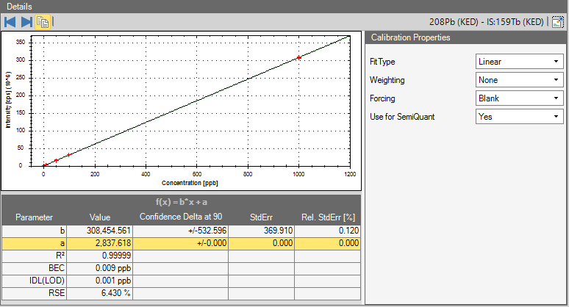
 |  |  |  |  |  |  | Occurrence | Calibration Verifications | [Pb] ppb |  |  | Calibration Stds. | Target [Pb] (Observed)
 |  |  |  |  |  |  | 1 | ICV | 10.24 |  |  | Cal 1 | 0.112 (0.100)
 |  |  |  |  |  |  |  | ICB | 0.00 |  |  | Cal 2 | 1.015 (1.000)
 |  |  |  |  |  |  | 1 | CCV | 10.30 |  |  | Cal 3 | 10.135 (10.000)
 |  |  |  |  |  |  |  | CCB | 0.00 |  |  | Cal 4 | 52.117 (50.000)
 |  |  |  |  |  |  | 2 | CCV | 10.21 |  |  | Cal 5 | 102.035 (100.000)
 |  |  |  |  |  |  |  | CCB | 0.00 |  |  | Cal 6 | 999.689 (1,000.000)
 |  |  |  |  |  |  | 3 | CCV | 10.11
 |  |  |  |  |  |  |  | CCB | 0.00
 |  |  |  |  |  |  | 4 | CCV | 10.18
 |  |  |  |  |  |  |  | CCB | 0.00
 |  |  |  |  |  |  | 5 | CCV | 10.26
 |  |  |  |  |  |  |  | CCB | 0.00
 |  |  |  |  |  |  | 6 | CCV | 10.21
 |  |  |  |  |  |  |  | CCB | 0.00
 |  |  |  |  |  |  | 7 | CCV | 10.26
 |  |  |  |  |  |  |  | CCB | 0.00

