Figure 1
Rank | Type | Log10_CFU/100mL
1 | Freshwater | 3.8129133566 | Key:
2 | Estuarine | 3.7558748557 | Rank: Sample ranking where 1 indicates the highest log10 CFU/100mL concentration of enterococci
3 | Freshwater | 3.4065401804 | Type: Indates water sample type including freshwater, estuarine, or marine
4 | Freshwater | 3.3424226808 | Log10_CFU/100mL: Indicates the enterococci concentration reported as log10 Colony Forming Units per 100mL
5 | Estuarine | 3.1367205672
6 | Marine | 3.0606978404
7 | Marine | 2.9800033716
8 | Marine | 2.8750612634
9 | Freshwater | 2.8095597146
10 | Marine | 2.7671558661
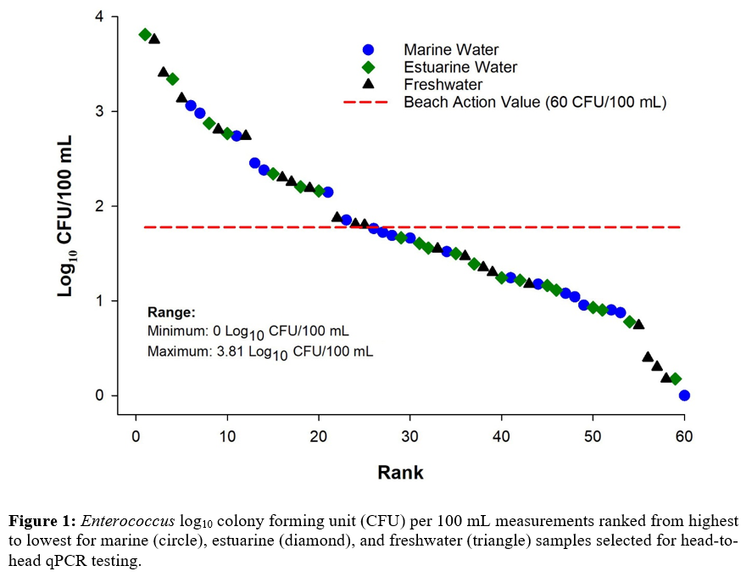
11 | Freshwater | 2.7403626895
12 | Freshwater | 2.7403626895
13 | Freshwater | 2.45484486
14 | Marine | 2.3802112417
15 | Marine | 2.3424226808
16 | Freshwater | 2.3010299957
17 | Freshwater | 2.2552725051
18 | Estuarine | 2.2041199827
19 | Freshwater | 2.1903316982
20 | Estuarine | 2.1613680022
21 | Freshwater | 2.1461280357
22 | Freshwater | 1.8750612634
23 | Freshwater | 1.8543060418
24 | Estuarine | 1.8095597146
25 | Estuarine | 1.8027737253
26 | Marine | 1.7634279936
27 | Estuarine | 1.7242758696
28 | Freshwater | 1.69019608
29 | Estuarine | 1.6674529529
30 | Freshwater | 1.6627578317
31 | Estuarine | 1.6074550232
32 | Estuarine | 1.5563025008
33 | Estuarine | 1.5502283531
34 | Marine | 1.5185139399
35 | Freshwater | 1.4983105538
36 | Freshwater | 1.469822016
37 | Estuarine | 1.3891660844
38 | Estuarine | 1.3521825181
39 | Freshwater | 1.3010299957
41 | Marine | 1.2430380487
40 | Freshwater | 1.2430380487
42 | Estuarine | 1.2174839442
44 | Estuarine | 1.1760912591
43 | Freshwater | 1.1760912591
45 | Marine | 1.1613680022
46 | Marine | 1.1139433523
47 | Marine | 1.079181246
48 | Marine | 1.0413926852
49 | Marine | 0.95424250944
50 | Estuarine | 0.92941892571
52 | Marine | 0.90308998699
51 | Estuarine | 0.90308998699
53 | Marine | 0.87506126339
54 | Marine | 0.77815125038
55 | Estuarine | 0.74036268949
56 | Marine | 0.39794000867
57 | Estuarine | 0.30102999566
58 | Estuarine | 0.17609125906
59 | Marine | 0.17609125906
60 | Marine | 0

Figure 2
Panel A | Sample No. | deltaCq_Mean | deltaCq_lb | delatCq_ub | deltadeltaCq_Mean | deltadeltaCq_lb | deltadeltaCq_ub
 | 1 | 1.106 | 1.01 | 1.207 | 1.176 | 1.072 | 1.278 | Key:
 | 2 | 1.205 | 1.115 | 1.298 | 1.3 | 1.205 | 1.396 | Sample No.: Indicates the sample number designation indicated on the x-axis for Panel A and y-axis for Panel B
 | 3 | 1.358 | 1.291 | 1.425 | 1.317 | 1.217 | 1.417 | deltaCq_Mean: Refers to the mean log10 target sequence copies per reaction for the Entero1a qPCR assay using the delta Cq model
 | 4 | 1.343 | 1.24 | 1.446 | 1.323 | 1.233 | 1.415 | deltaCq_lb: Indicates the 95% Bayesian Credible Interval lower bound for the mean log10 target sequence copies per reaction for the Entero1a qPCR assay using the delta Cq model
 | 5 | 1.273 | 1.18 | 1.366 | 1.349 | 1.232 | 1.466 | delatCq_ub: Indicates the 95% Bayesian Credible Interval upper bound for the mean log10 target sequence copies per reaction for the Entero1a qPCR assay using the delta Cq model
 | 6 | 1.332 | 1.2 | 1.467 | 1.373 | 1.246 | 1.502 | deltadeltaCq_Mean: Refers to the mean log10 target sequence copies per reaction for the Entero1a qPCR assay using the deltadelta Cq model
 | 7 | 1.44 | 1.327 | 1.555 | 1.376 | 1.24 | 1.515 | deltadeltaCq_lb: Indicates the 95% Bayesian Credible Interval lower bound for the mean log10 target sequence copies per reaction for the Entero1a qPCR assay using the delat delta Cq model
 | 8 | 1.438 | 1.264 | 1.612 | 1.456 | 1.169 | 1.746 | deltadeltaCq_ub: Indicates the 95% Bayesian Credible Interval upper bound for the mean log10 target sequence copies per reaction for the Entero1a qPCR assay using the delat delta Cq model
 | 9 | 1.451 | 1.35 | 1.554 | 1.5 | 1.374 | 1.628
 | 10 | 1.508 | 1.236 | 1.78 | 1.532 | 1.29 | 1.769
 | 11 | 1.619 | 1.505 | 1.734 | 1.605 | 1.457 | 1.753
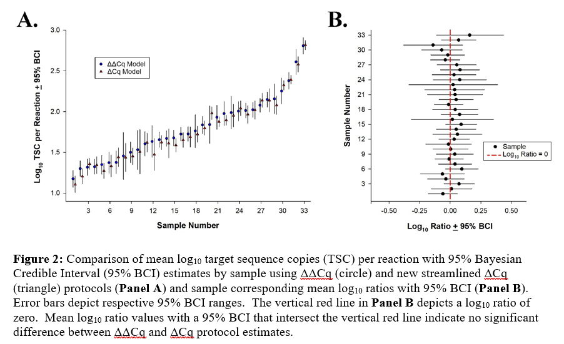
 | 12 | 1.474 | 1.277 | 1.67 | 1.633 | 1.439 | 1.828
 | 13 | 1.622 | 1.536 | 1.707 | 1.655 | 1.563 | 1.747
 | 14 | 1.61 | 1.434 | 1.788 | 1.67 | 1.576 | 1.764
 | 15 | 1.588 | 1.505 | 1.67 | 1.677 | 1.58 | 1.774
 | 16 | 1.651 | 1.561 | 1.742 | 1.724 | 1.639 | 1.81
 | 17 | 1.689 | 1.566 | 1.813 | 1.726 | 1.637 | 1.814
 | 18 | 1.722 | 1.623 | 1.82 | 1.762 | 1.558 | 1.962
 | 19 | 1.797 | 1.712 | 1.884 | 1.836 | 1.732 | 1.941
 | 20 | 1.981 | 1.904 | 2.059 | 1.841 | 1.611 | 2.07
 | 21 | 1.877 | 1.816 | 1.938 | 1.931 | 1.782 | 2.079
 | 22 | 1.895 | 1.834 | 1.957 | 1.976 | 1.829 | 2.123
 | 23 | 1.952 | 1.813 | 2.09 | 1.988 | 1.787 | 2.188
 | 24 | 2.041 | 1.951 | 2.131 | 2.006 | 1.887 | 2.124
 | 25 | 1.966 | 1.858 | 2.074 | 2.014 | 1.923 | 2.105
 | 26 | 2.019 | 1.907 | 2.131 | 2.023 | 1.931 | 2.114
 | 27 | 2.138 | 2.052 | 2.225 | 2.078 | 1.994 | 2.162
 | 28 | 2.139 | 1.999 | 2.28 | 2.149 | 2.057 | 2.241
 | 29 | 2.078 | 1.967 | 2.191 | 2.156 | 1.974 | 2.34
 | 30 | 2.323 | 2.265 | 2.382 | 2.253 | 2.097 | 2.411
 | 31 | 2.392 | 2.339 | 2.446 | 2.379 | 2.277 | 2.483
 | 32 | 2.579 | 2.487 | 2.673 | 2.61 | 2.456 | 2.764
 | 33 | 2.817 | 2.759 | 2.873 | 2.808 | 2.707 | 2.909

Figure 3
Panel A | Sample No. | Type | Mean Log10 TSC per Reaction | 95% BCI_LB | 95% BCI_UB
 | 1 | BioBall | 2.866 | 2.813 | 2.919 | Key:
 | 1 | MB H2O | 2.832 | 2.753 | 2.911 | Sample No.: Indicates the sewage polluted water sample number
 | 1 | MB PBS | 2.865 | 2.811 | 2.918 | Type: Indicates the source of Sketa22 measurements used in the delta delta Cq model
 | 1 | iWCDS | 2.839 | 2.779 | 2.899 | Mean Log10 TSC per Reaction: Indicates the Entero1a qPCR mean log10 target sequence copies per reaction using the delta Cq model
 | 2 | BioBall | 2.113 | 2.051 | 2.174 | 95% CI_LB: Indicates the Entero1a qPCR 95% Bayesian Credible Interval lower bound using the delta Cq model
 | 2 | MB H2O | 2.079 | 1.994 | 2.163 | 95% CI_UB: Indicates the Entero1a qPCR 95% Bayesian Credible Interval upper bound using the delta Cq model
 | 2 | MB PBS | 2.112 | 2.05 | 2.173 | BioBall: Indeciates that a BioBall 550 Multishot was used as source of Sketa22 Cq measurements
 | 2 | iWCDS | 2.086 | 2.019 | 2.154 | MB H2O: Indicates that a Method Blank with Phophate Buffered Saline was used as the source of Sketa22 Cq measurements
 |  |  |  |  |  | MB PBS: Indciates that a Method Blank with laboratory grade water was used as the source of Sketa22 Cq measurements
 |  |  |  |  |  | iWCDS: Indicates that an inactived Whole Cell DNA Standard material was used as the source of Sketa22 Cq measurements

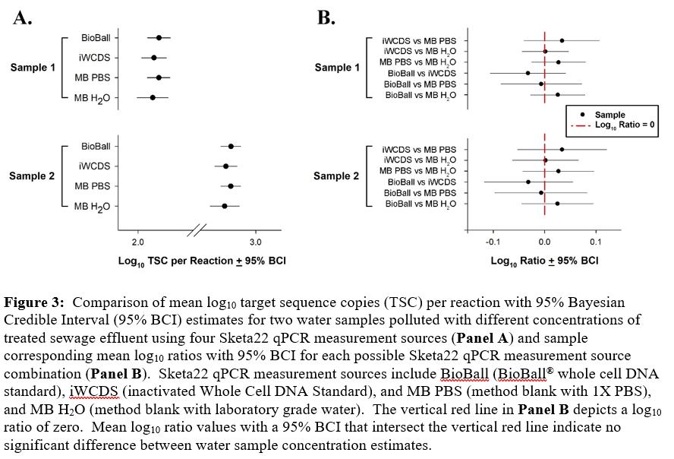

Figure 4
Panel A | iWCDS_Tube No. | Filter | Rep | Cq | Panel B | Time Point | Cq
 | 2 | 1 | 1 | 20.668514 |  | T4 | 20.89802 | Key:
 | 2 | 1 | 2 | 20.301437 |  | T4 | 20.97157 | iWCDS_Tube No.: Indicates the inactived Whole Cell DNA Standard vendor aliquot tube number
 | 2 | 1 | 3 | 20.447054 |  | T4 | 21.065294 | Filter: Indicates the replicate filter number
 | 2 | 2 | 1 | 20.217478 |  | T4 | 20.906479 | Rep: Indicates the replicate measurement number
 | 2 | 2 | 2 | 19.779673 |  | T4 | 20.553621 | Cq_FAM: Indicates the observed quantitative threshold for the Entero1a qPCR assay measurement
 | 2 | 2 | 3 | 19.862839 |  | T4 | 20.504507 | Time Point: Indicates the amount of storage time where T1 = 1 week, T2 = 6 weeks, T3 = 12 weeks, and T4 = 38 weeks
 | 2 | 3 | 1 | 20.400301 |  | T4 | 20.54391
 | 2 | 3 | 2 | 20.26873 |  | T3 | 20.527946
 | 2 | 3 | 3 | 19.976355 |  | T3 | 20.566309
 | 3 | 1 | 1 | 20.189417 |  | T3 | 20.476192
 | 3 | 1 | 2 | 20.039892 |  | T3 | 20.723396
 | 3 | 1 | 3 | 20.224655 |  | T3 | 20.664843
 | 3 | 2 | 1 | 20.491629 |  | T3 | 20.793392
 | 3 | 2 | 2 | 20.403187 |  | T3 | 20.939842
 | 3 | 2 | 3 | 20.223055 |  | T3 | 20.85229
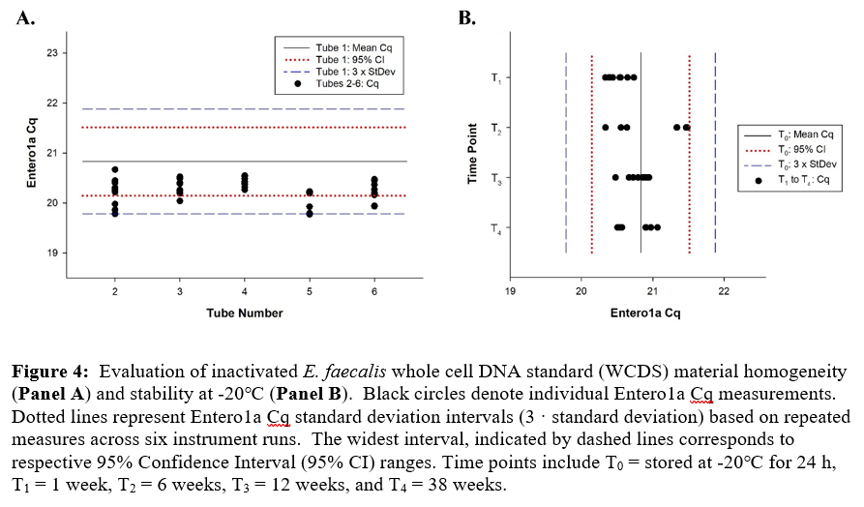
 | 3 | 3 | 1 | 20.524961 |  | T3 | 20.8824
 | 3 | 3 | 2 | 20.259464 |  | T4 | 20.946495
 | 3 | 3 | 3 | 20.384367 |  | T4 | 20.896444
 | 4 | 1 | 1 | 20.37337 |  | T2 | 20.553
 | 4 | 1 | 2 | 20.400702 |  | T2 | 20.336
 | 4 | 1 | 3 | 20.533339 |  | T2 | 20.636
 | 4 | 2 | 1 | 20.31452 |  | T2 | 21.469
 | 4 | 2 | 2 | 20.429113 |  | T2 | 21.335
 | 4 | 2 | 3 | 20.264122 |  | T2 | 21.478
 | 4 | 3 | 1 | 20.481464 |  | T2 | 21.482
 | 4 | 3 | 2 | 20.547962 |  | T2 | 21.465
 | 4 | 3 | 3 | 20.483295 |  | T2 | 21.340
 | 5 | 1 | 1 | 20.220776 |  | T1 | 20.397327
 | 5 | 1 | 2 | 20.20472 |  | T1 | 20.644709
 | 5 | 1 | 3 | 20.190825 |  | T1 | 20.64406
 | 5 | 2 | 1 | 19.786694 |  | T1 | 20.381605
 | 5 | 2 | 2 | 19.770832 |  | T1 | 20.438583
 | 5 | 2 | 3 | 19.79311 |  | T1 | 20.332504
 | 5 | 3 | 1 | 20.229267 |  | T1 | 20.536327
 | 5 | 3 | 2 | 20.228823 |  | T1 | 20.733675
 | 5 | 3 | 3 | 19.923414 |  | T1 | 20.547958
 | 6 | 1 | 1 | 20.180637
 | 6 | 1 | 2 | 20.363152
 | 6 | 1 | 3 | 20.2067
 | 6 | 2 | 1 | 20.158857
 | 6 | 2 | 2 | 19.930634
 | 6 | 2 | 3 | 19.942001
 | 6 | 3 | 1 | 20.269592
 | 6 | 3 | 2 | 20.443138
 | 6 | 3 | 3 | 20.471792

