Glucose
Date | Glucose | Microcystis | Date
2024-06-12 | 0 | 24 | 2024-06-12 | 2024-06-12 | 24
2024-06-14 | 0 | 24 |  | 2024-06-21 | 77
2024-06-20 | 0 | 24 |  | 2024-06-24 | 35
2024-06-21 | 0 | 77 | 2024-06-21 | 2024-06-28 | 163
2024-06-24 | 0 | 35 | 2024-06-24 | 2024-07-01 | 253
2024-06-28 | 0 | 163 | 2024-06-28 | 2024-07-10 | 248
2024-07-01 | 0 | 253 | 2024-07-01 | 2024-07-24 | 134
2024-07-03 | 50 | 253
2024-07-04 | 50 | 253
2024-07-06 | 50 | 253
2024-07-08 | 50 | 253
2024-07-10 | 25 | 248 | 2024-07-10
2024-07-15 | 0 | 248
2024-07-18 | 150 | 248
2024-07-24 | 0 | 134 | 2024-07-24

Microcystin
BSA Environmental
 | Site | Date Sampled | Time | Date Analyzed | Microcystin (µg/L) | Enviroscience | 2025-01-17 | Site | Date Sampled | Time | Date Analyzed | Microcystin (µg/L) | Enviroscience | Date | Site | Date Sampled | Time | Date Analyzed | Microcystin (µg/L) | Enviroscience | Date | Table |  | Treated |  |  | Control
 | H2O Blank | 2024-06-14 |  | 2024-10-18 | <0.05 | T1A | 11.6 | T1A | 2024-06-14 |  | 2024-10-18 | 11.6 |  |  | C1A | 2024-06-14 |  | 2024-10-18 | 10.01 |  |  |  | Week | Microcystin (µg/L) | SD |  | Microcystin (µg/L) | SD
 | T1B | 2024-06-14 |  | 2024-10-18 | 9.78 |  |  | T1B | 2024-06-14 |  | 2024-10-18 | 9.78 |  |  | C1B | 2024-06-14 |  | 2024-10-18 | 9.3 |  |  |  | 0 | 10.6 | 1 |  | 10.2 | 1.4
 |  |  |  |  |  |  |  | T2A | 2024-06-14 |  | 2024-10-18 | 11.29 |  |  | C2A | 2024-06-14 |  | 2024-10-18 | 9.28 |  |  |  | 1 | 10.3 | 1.3 |  | 9.8 | 0.9
 |  |  |  |  |  |  |  | T2B | 2024-06-14 |  | 2024-10-18 | 9.78 |  |  | C2B | 2024-06-14 |  | 2024-10-18 | 12.18 |  |  |  | 2 | 4.5 | 1 |  | 13.5 | 1.3
 | C1A | 2024-06-14 |  | 2024-10-18 | 10.01 |  |  | AVG |  |  |  | 10.61 |  |  | AVG |  |  |  | 10.2 |  |  |  | 3 | 3.1 | 2 |  | 11 | 1.4
 | C1B | 2024-06-14 |  | 2024-10-18 | 9.3 |  |  | SD |  |  |  | 1 |  |  | SD |  |  |  | 1.4 |  |  |  | 4 | 2.6 | 1.3 |  | 5.1 | 2.3

 |  |  |  |  |  |  |  | T1A | 2024-06-20 |  | 2024-10-18 | 11.99 |  |  | C1A | 2024-06-20 |  | 2024-10-18 | 10.75
 | T2A | 2024-06-14 |  | 2024-10-18 | 11.29 |  |  | T1B | 2024-06-20 |  | 2024-10-18 | 10.64 |  |  | C1B | 2024-06-20 |  | 2024-10-18 | 10.67
 | T2B | 2024-06-14 |  | 2024-10-18 | 9.78 |  |  | T2A | 2024-06-20 |  | 2024-10-18 | 9.19 |  |  | C2A | 2024-06-20 |  | 2024-10-18 | 8.83 |  |  |  | Date Sampled | Treated | Control | Week | Treated | Control
 |  |  |  |  |  |  |  | T2B | 2024-06-20 |  | 2024-10-18 | 9.19 |  |  | C2B | 2024-06-20 |  | 2024-10-18 | 9.07 |  |  |  | 2024-06-14 | 10.6 | 10.2 | 0 | 10.6 | 10.2
 |  |  |  |  |  |  |  | AVG |  |  |  | 10.25 | 9.19 | 2025-01-24 | AVG |  |  |  | 9.8 |  |  |  | 2024-06-20 | 10.3 | 9.8 | 1 | 10.3 | 9.8
 | C2A | 2024-06-14 |  | 2024-10-18 | 9.28 |  |  | SD |  |  |  | 1.3 |  |  | SD |  |  |  | 0.9 |  |  |  | 2024-06-28 | 4.5 | 13.5 | 2 | 4.5 | 13.5
 | C2B | 2024-06-14 |  | 2024-10-18 | 12.18 |  |  |  |  |  |  |  |  |  |  |  |  |  |  |  |  |  | 2024-07-02 | 3.1 | 11 | 3 | 3.1 | 11
 |  |  |  |  |  |  |  |  |  |  |  |  |  |  |  |  |  |  |  |  |  |  | 2024-07-11 | 2.6 | 5.1 | 4 | 2.6 | 5.1
 |  |  |  |  |  |  |  | T1A | 2024-06-28 |  | 2024-10-18 | 5.5 |  |  | C1A | 2024-06-28 |  | 2024-10-18 | 14.66 |  |  |  | AVG all | 6.22 | 9.92
 | T1A | 2024-06-20 |  | 2024-10-18 | 11.99 |  |  | T1B | 2024-06-28 |  | 2024-10-18 | 5.5 |  |  | C1B | 2024-06-28 |  | 2024-10-18 | 14.66
 | T1B | 2024-06-20 |  | 2024-10-18 | 10.64 |  |  | T2A | 2024-06-28 |  | 2024-10-18 | 3.72 | 5.5 | 2025-01-24 | C2A | 2024-06-28 |  | 2024-10-18 | 12.24
 |  |  |  |  |  |  |  | T2B | 2024-06-28 |  | 2024-10-18 | 3.33 |  |  | C2B | 2024-06-28 |  | 2024-10-18 | 12.57 | 14.66 | 2025-01-24
 |  |  |  |  |  |  |  | AVG |  |  |  | 4.5 |  |  | AVG |  |  |  | 13.5 |  |  |  |  | Treated | Control
 | C1A | 2024-06-20 |  | 2024-10-18 | 10.75 |  |  | SD |  |  |  | 1 |  |  | SD |  |  |  | 1.3 |  |  |  |  | Microcystin (µg/L) | Microcystin (µg/L)
 | C1B | 2024-06-20 |  | 2024-10-18 | 10.67 |  |  |  |  |  |  |  |  |  |  |  |  |  |  |  |  |  | 0 | 10.6 | 10.2
 |  |  |  |  |  |  |  |  |  |  |  |  |  |  | C1A | 2024-07-02 |  | 2024-10-18 | 9.14 |  |  |  | 1 | 10.3 | 9.8
 |  |  |  |  |  |  |  | T1A | 2024-07-02 |  | 2024-10-18 | 1.708 | 4.81 | 2025-01-24 | C1B | 2024-07-02 |  | 2024-10-18 | 10.91 |  |  |  | 2 | 4.5 | 13.5
 | T2A | 2024-06-20 |  | 2024-10-18 | 4.62 |  |  | T1B | 2024-07-02 |  | 2024-10-18 | 0.924 |  |  | C2A | 2024-07-02 |  | 2024-10-18 | 12.27 |  |  |  | 3 | 3.1 | 11
 | T2B | 2024-06-20 |  | 2024-10-18 | 4.8 |  |  | T2A | 2024-07-02 |  | 2024-10-18 | 4.81 |  |  | C2B | 2024-07-02 |  | 2024-10-18 | 11.67 |  |  |  | 4 | 2.6 | 5.1
 |  |  |  |  |  |  |  | T2B | 2024-07-02 |  | 2024-10-18 | 4.81 |  |  | AVG |  |  |  | 11
 |  |  |  |  |  |  |  | AVG |  |  |  | 3.1 |  |  | SD |  |  |  | 1.4
 | C2A | 2024-06-20 |  | 2024-10-18 | 8.83 |  |  | SD |  |  |  | 2
 | C2B | 2024-06-20 |  | 2024-10-18 | 9.07 |  |  |  |  |  |  |  |  |  | C1A | 2024-07-11 |  | 2024-10-18 | 3.11
 |  |  |  |  |  |  |  | T1A | 2024-07-11 |  | 2024-10-18 | 1.612 |  |  | C1B | 2024-07-11 |  | 2024-10-18 | 3.23
 |  |  |  |  |  |  |  | T1B | 2024-07-11 |  | 2024-10-18 | 1.157 |  |  | C2A | 2024-07-11 |  | 2024-10-18 | 7.53
 | T1A | 2024-06-28 |  | 2024-10-18 | 9.52 |  |  | T2A | 2024-07-11 |  | 2024-10-18 | 3.83 |  |  | C2B | 2024-07-11 |  | 2024-10-18 | 6.47 | 6.47 | 2025-01-24
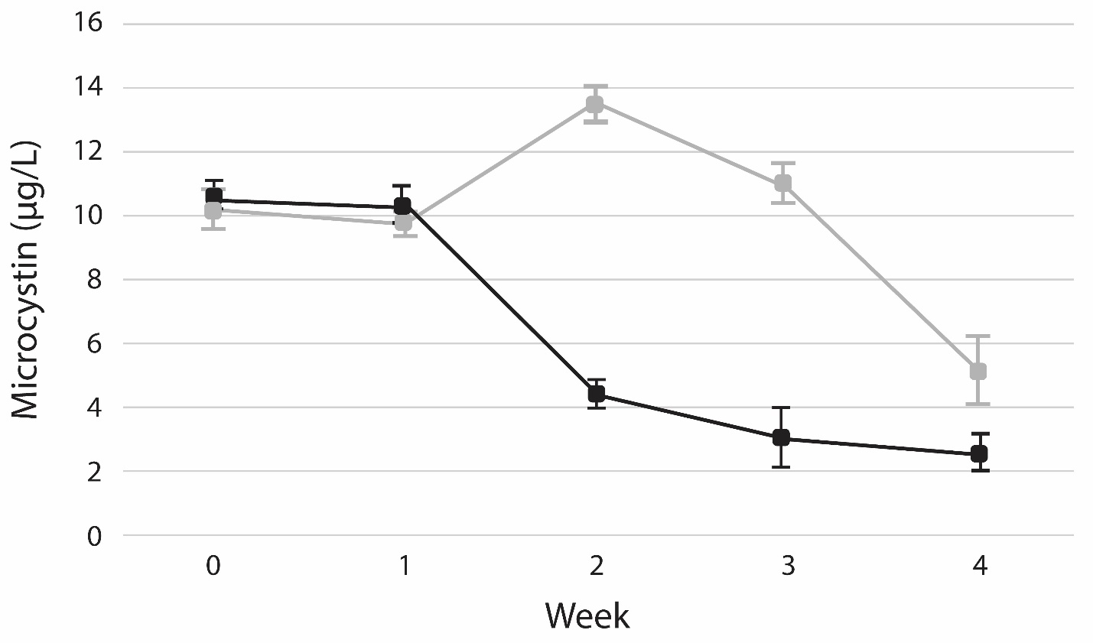
 | T1B | 2024-06-28 |  | 2024-10-18 | 8.98 |  |  | T2B | 2024-07-11 |  | 2024-10-18 | 3.98 |  |  | AVG |  |  |  | 5.1
 |  |  |  |  |  |  |  |  |  |  |  | 2.64 |  |  | SD |  |  |  | 2.3
 |  |  |  |  |  |  |  |  |  |  |  | 1.3
 | C1A | 2024-06-28 |  | 2024-10-18 | 1.337
 | C1B | 2024-06-28 |  | 2024-10-18 | 1.363

 | T2A | 2024-06-28 |  | 2024-10-18 | 3.72
 | T2B | 2024-06-28 |  | 2024-10-18 | 3.33

 | C2A | 2024-06-28 |  | 2024-10-18 | 12.24
 | C2B | 2024-06-28 |  | 2024-10-18 | 12.57

 | T1A | 2024-07-02 |  | 2024-10-18 | 1.708
 | T1B | 2024-07-02 |  | 2024-10-18 | 0.924

 | C1A | 2024-07-02 |  | 2024-10-18 | 9.14
 | C1B | 2024-07-02 |  | 2024-10-18 | 10.91

 | T2A | 2024-07-02 |  | 2024-10-18 | 10.93
 | T2B | 2024-07-02 |  | 2024-10-18 | 11.23

 | C2A | 2024-07-02 |  | 2024-10-18 | 12.27
 | C2B | 2024-07-02 |  | 2024-10-18 | 11.67

 | T1A | 2024-07-11 |  | 2024-10-18 | 1.612
 | T1B | 2024-07-11 |  | 2024-10-18 | 1.157

 | C1A | 2024-07-11 |  | 2024-10-18 | 3.11
 | C1B | 2024-07-11 |  | 2024-10-18 | 3.23

 | T2A | 2024-07-11 |  | 2024-10-18 | 3.83
 | T2B | 2024-07-11 |  | 2024-10-18 | 3.98

 | C2A | 2024-07-11 |  | 2024-10-18 | 7.53
 | C2B | 2024-07-11 |  | 2024-10-18 | 13.71

