Figure 1-EMKA
Figure 1 data
Isoprene 2 - Pre-exposure (6/14/16)
 |  |  | Ti | Te | PIF | PEF | TV | RT | MV | f | Penh | Body | MV Normalized to Body Weight | TV Normalized to Body Weight
Animal # | Strain | Exposure | (msec) | (msec) | (ml/s) | (ml/s) | (ml) | (msec) | (ml) | (bpm) |  | Weight
13 | WKY | AIR | 79 | 147.4 | 20.72 | 15.852 | 1.172 | 83.2 | 303.8 | 232.8 | 0.522 | 243 | 1.2502057613 | 0.0048230452675
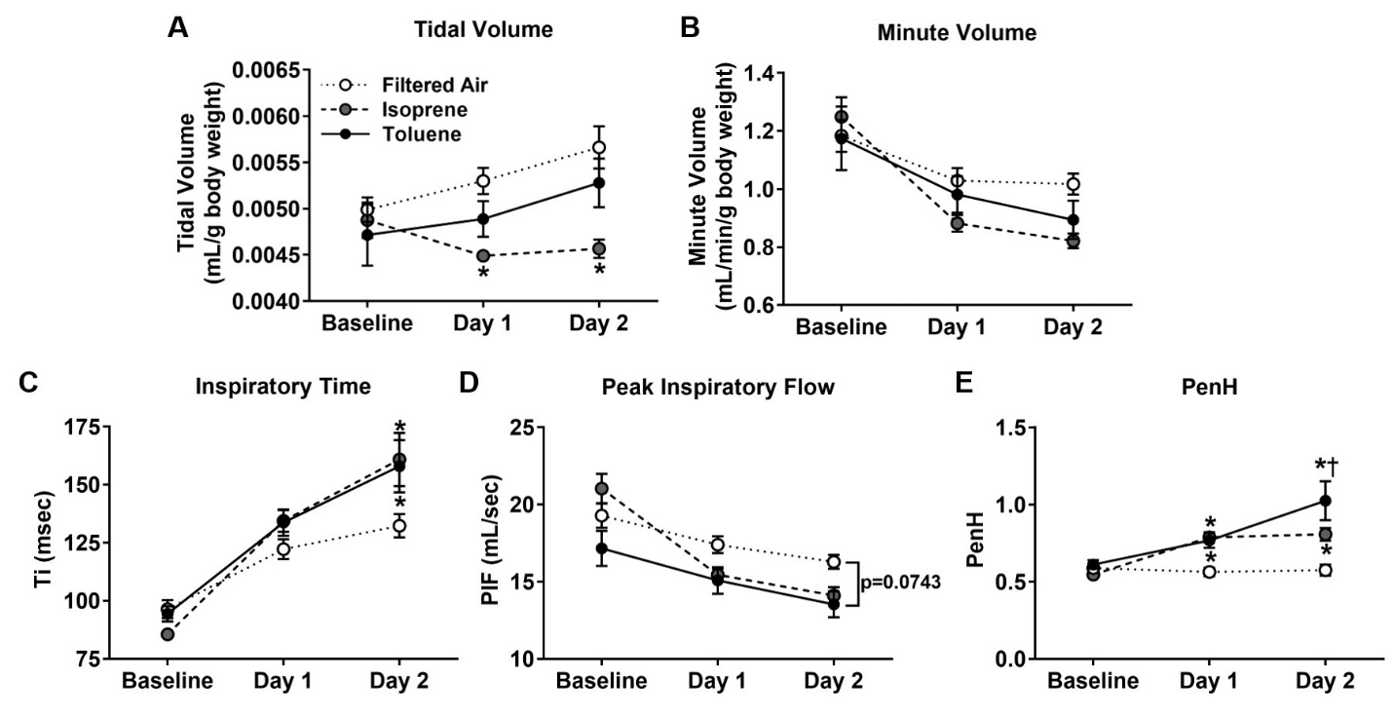
14 | WKY | AIR | 90 | 155.6 | 22.81 | 23.812 | 1.432 | 82.8 | 373 | 224.2 | 0.724 | 257 | 1.4513618677 | 0.0055719844358
15 | WKY | AIR | 95.4 | 181.8 | 20.194 | 16.808 | 1.308 | 97 | 318 | 228 | 0.61 | 254 | 1.2519685039 | 0.0051496062992
16 | WKY | AIR | 90.6 | 161.2 | 21.62 | 20.576 | 1.376 | 87 | 354.4 | 230.6 | 0.68 | 258 | 1.3736434109 | 0.0053333333333
17 | WKY | AIR | 90.8 | 149.4 | 24.084 | 22.984 | 1.568 | 87.8 | 406.8 | 240.8 | 0.608 | 256 | 1.5890625 | 0.006125
18 | WKY | AIR | 79.8 | 137 | 22.914 | 18.424 | 1.304 | 83.8 | 357 | 246.2 | 0.426 | 259 | 1.3783783784 | 0.0050347490347
19 | WKY | AIR | 74.8 | 131.4 | 20.798 | 14.004 | 1.15 | 78 | 300.8 | 218.2 | 0.372 | 262 | 1.1480916031 | 0.0043893129771
20 | WKY | AIR | 85.8 | 158.4 | 23.8 | 16.972 | 1.378 | 87.8 | 347.6 | 250.8 | 0.552 | 275 | 1.264 | 0.0050109090909
21 | WKY | Isoprene 2 | 86.8 | 196.8 | 17.3 | 11.86 | 1.002 | 111 | 232 | 215 | 0.474 | 232 | 1 | 0.0043189655172
22 | WKY | Isoprene 2 | 84.4 | 169 | 21.058 | 16.848 | 1.204 | 95.6 | 315.4 | 244.4 | 0.558 | 249 | 1.2666666667 | 0.0048353413655
23 | WKY | Isoprene 2 | 87 | 160.6 | 17.69 | 10.866 | 1.068 | 90.8 | 256.6 | 215.4 | 0.44 | 258 | 0.99457364341 | 0.0041395348837
24 | WKY | Isoprene 2 | 85 | 146.6 | 20.186 | 16.994 | 1.272 | 83.6 | 311.2 | 214 | 0.57 | 252 | 1.2349206349 | 0.0050476190476
25 | WKY | Isoprene 2 | 87.2 | 156.6 | 23.112 | 20.304 | 1.382 | 85.8 | 373.6 | 264.2 | 0.63 | 255 | 1.4650980392 | 0.0054196078431
26 | WKY | Isoprene 2 | 90.2 | 176.6 | 22.436 | 16.724 | 1.346 | 103.6 | 333.6 | 233 | 0.514 | 268 | 1.2447761194 | 0.0050223880597
27 | WKY | Isoprene 2 | 71 | 124.4 | 21.042 | 19.464 | 1.218 | 66 | 340.8 | 229.4 | 0.586 | 270 | 1.2622222222 | 0.0045111111111
28 | WKY | Isoprene 2 | 92.6 | 151.8 | 25.416 | 21.508 | 1.582 | 86.4 | 422.8 | 267.2 | 0.594 | 277 | 1.5263537906 | 0.0057111913357

Isoprene 2 - Day 1 (6/16/16)
 |  |  | Ti | Te | PIF | PEF | TV | RT | MV | f | Penh | Body | MV Normalized to Body Weight | TV Normalized to Body Weight
Animal # | Strain | Exposure | (msec) | (msec) | (ml/s) | (ml/s) | (ml) | (msec) | (ml) | (bpm) |  | Weight
13 | WKY | AIR | 91.2 | 174.2 | 19.718 | 14.7 | 1.13 | 104.4 | 290 | 247 | 0.472 | 243 | 1.1934156379 | 0.0046502057613
14 | WKY | AIR | 132.4 | 250.6 | 16.746 | 11.806 | 1.344 | 132 | 235.4 | 179.4 | 0.664 | 257 | 0.91595330739 | 0.0052295719844
15 | WKY | AIR | 154.6 | 298.2 | 14.71 | 10.18 | 1.316 | 152.6 | 188 | 150.2 | 0.732 | 254 | 0.74015748031 | 0.0051811023622
16 | WKY | AIR | 142.8 | 279 | 15.652 | 10.178 | 1.368 | 150.8 | 215 | 164.8 | 0.59 | 258 | 0.83333333333 | 0.0053023255814
17 | WKY | AIR | 115 | 232.4 | 19.042 | 13.028 | 1.402 | 133.2 | 267.8 | 180.4 | 0.474 | 256 | 1.04609375 | 0.0054765625
18 | WKY | AIR | 134 | 226.4 | 17.806 | 12.654 | 1.494 | 134 | 273.6 | 192.6 | 0.482 | 259 | 1.0563706564 | 0.0057683397683
19 | WKY | AIR | 138 | 220.2 | 19.214 | 12.744 | 1.73 | 135 | 312.2 | 184.2 | 0.43 | 262 | 1.1916030534 | 0.0066030534351
20 | WKY | AIR | 107.8 | 195 | 20.914 | 13.666 | 1.496 | 114.6 | 315.4 | 208.2 | 0.444 | 275 | 1.1469090909 | 0.00544
21 | WKY | Isoprene 2 | 128.4 | 203.6 | 14.468 | 11.462 | 1.048 | 108.2 | 208.6 | 209.8 | 0.818 | 232 | 0.89913793103 | 0.0045172413793
22 | WKY | Isoprene 2 | 116.2 | 186.8 | 16.906 | 13.198 | 1.164 | 102.8 | 255.4 | 230.4 | 0.702 | 249 | 1.0257028112 | 0.0046746987952
23 | WKY | Isoprene 2 | 137.2 | 205.6 | 15.826 | 12.45 | 1.18 | 110 | 222 | 203.4 | 0.836 | 258 | 0.86046511628 | 0.0045736434109
24 | WKY | Isoprene 2 | 122.6 | 194.2 | 16.956 | 12.18 | 1.2 | 103.8 | 243.6 | 216.4 | 0.696 | 252 | 0.96666666667 | 0.0047619047619
25 | WKY | Isoprene 2 | 145.4 | 219 | 14.27 | 11.392 | 1.114 | 114.2 | 201.8 | 190.2 | 0.91 | 255 | 0.79137254902 | 0.004368627451
26 | WKY | Isoprene 2 | 125.6 | 210 | 15.99 | 11.952 | 1.16 | 114.4 | 231.4 | 207 | 0.67 | 268 | 0.86343283582 | 0.004328358209
27 | WKY | Isoprene 2 | 144.6 | 209.4 | 14.528 | 12.656 | 1.166 | 110.2 | 214.6 | 195.6 | 0.904 | 270 | 0.79481481481 | 0.0043185185185
28 | WKY | Isoprene 2 | 155 | 213.2 | 14.592 | 12.418 | 1.212 | 115.2 | 235.4 | 198.8 | 0.762 | 277 | 0.84981949458 | 0.0043754512635

Isoprene 2 - Day 2 (6/17/16)
 |  |  | Ti | Te | PIF | PEF | TV | RT | MV | f | Penh | Body | MV Normalized to Body Weight | TV Normalized to Body Weight
Animal # | Strain | Exposure | (msec) | (msec) | (ml/s) | (ml/s) | (ml) | (msec) | (ml) | (bpm) |  | Weight
13 | WKY | AIR | 109.2 | 187.2 | 16.688 | 12.18 | 1.242 | 112.6 | 259.8 | 195.8 | 0.44 | 243 | 1.0691358025 | 0.0051111111111
14 | WKY | AIR | 160.8 | 227.4 | 16.68 | 13.468 | 1.838 | 130.4 | 293.2 | 156 | 0.61 | 257 | 1.1408560311 | 0.0071517509728
15 | WKY | AIR | 147.4 | 233.8 | 17.442 | 12.192 | 1.546 | 134.4 | 261.6 | 175.6 | 0.56 | 254 | 1.0299212598 | 0.0060866141732
16 | WKY | AIR | 137 | 223 | 17.536 | 11.78 | 1.56 | 132.8 | 281 | 185 | 0.462 | 258 | 1.0891472868 | 0.0060465116279
17 | WKY | AIR | 106.6 | 174.4 | 13.266 | 9.558 | 1.168 | 94.8 | 205.4 | 140.8 | 0.526 | 256 | 0.80234375 | 0.0045625
18 | WKY | AIR | 129.6 | 212.6 | 17.062 | 11.834 | 1.318 | 122 | 251.6 | 193.8 | 0.566 | 259 | 0.97142857143 | 0.0050888030888
19 | WKY | AIR | 133.8 | 219.6 | 15.816 | 14.006 | 1.43 | 111.6 | 246 | 164.8 | 0.982 | 262 | 0.93893129771 | 0.0054580152672
20 | WKY | AIR | 114.2 | 188 | 15.116 | 11.064 | 1.208 | 108.8 | 238.6 | 180.8 | 0.524 | 275 | 0.86763636364 | 0.0043927272727
21 | WKY | Isoprene 2 | 150.6 | 223 | 12.348 | 9.796 | 1.012 | 121 | 172.4 | 178.4 | 0.786 | 232 | 0.74310344828 | 0.0043620689655
22 | WKY | Isoprene 2 | 166 | 223 | 14.002 | 11.794 | 1.246 | 121.2 | 212 | 185 | 0.854 | 249 | 0.85140562249 | 0.0050040160643
23 | WKY | Isoprene 2 | 219.2 | 211.4 | 11.864 | 14.344 | 1.172 | 145 | 180.2 | 166 | 0.67 | 258 | 0.6984496124 | 0.0045426356589
24 | WKY | Isoprene 2 | 154.4 | 227 | 14.222 | 10.988 | 1.176 | 121.6 | 201.4 | 183.8 | 0.79 | 252 | 0.79920634921 | 0.0046666666667
25 | WKY | Isoprene 2 | 138 | 206.2 | 15.576 | 13.57 | 1.164 | 111.8 | 227.6 | 206.2 | 0.842 | 255 | 0.89254901961 | 0.0045647058824
26 | WKY | Isoprene 2 | 137.8 | 216.2 | 15.66 | 11.452 | 1.17 | 118.8 | 223.2 | 205.6 | 0.712 | 268 | 0.8328358209 | 0.0043656716418
27 | WKY | Isoprene 2 | 197.2 | 169.8 | 13.296 | 17.462 | 1.316 | 115.6 | 230.2 | 187.8 | 0.752 | 270 | 0.85259259259 | 0.0048740740741
28 | WKY | Isoprene 2 | 123.6 | 192.8 | 15.836 | 14.32 | 1.152 | 90.8 | 249.2 | 219.4 | 1.046 | 277 | 0.89963898917 | 0.0041588447653

Toluene - Pre-Exposure (8/1/16)
 |  |  | Ti | Te | PIF | PEF | TV | RT | MV | f | Penh | Body | MV Normalized to Body Weight | TV Normalized to Body Weight
Animal # | Strain | Exposure | (msec) | (msec) | (ml/s) | (ml/s) | (ml) | (msec) | (ml) | (bpm) |  | Weight
29 | WKY | AIR | 121.86 | 206.23 | 16.1 | 12 | 1.229 | 116.288 | 245 | 201 | 0.581 | 220 | 1.1136363636 | 0.0055863636364
30 | WKY | AIR | 91.14 | 168.79 | 15.72 | 10.62 | 0.988 | 93.705 | 230 | 207 | 0.468 | 223 | 1.0313901345 | 0.0044304932735
31 | WKY | AIR | 123.4 | 232.62 | 14.72 | 10.56 | 1.099 | 129.761 | 197 | 189 | 0.58 | 235 | 0.83829787234 | 0.0046765957447
32 | WKY | AIR | 119.5 | 235.56 | 17.39 | 11.5 | 1.297 | 133.99 | 243 | 192 | 0.493 | 247 | 0.98380566802 | 0.0052510121457
33 | WKY | AIR | 84.09 | 131.81 | 18.07 | 18.97 | 1.115 | 69.317 | 300 | 223 | 0.778 | 215 | 1.3953488372 | 0.0051860465116
34 | WKY | AIR | 113.13 | 233.22 | 15.35 | 10.2 | 1.079 | 125.508 | 206 | 195 | 0.589 | 233 | 0.88412017167 | 0.0046309012876
35 | WKY | AIR | 100.53 | 199.95 | 16.86 | 12.75 | 1.027 | 108.287 | 239 | 222 | 0.593 | 241 | 0.99170124481 | 0.0042614107884
36 | WKY | AIR | 101.76 | 196.68 | 17.43 | 13.11 | 1.118 | 93.344 | 254 | 221 | 0.835 | 257 | 0.98832684825 | 0.0043501945525
37 | WKY | Toluene | 89.6 | 145.18 | 21.32 | 20.42 | 1.314 | 82.305 | 336 | 225 | 0.659 | 214 | 1.5700934579 | 0.0061401869159
38 | WKY | Toluene | 94.75 | 162.58 | 15.69 | 14.11 | 1.025 | 90.294 | 253 | 222 | 0.632 | 223 | 1.134529148 | 0.0045964125561
39 | WKY | Toluene | 105.71 | 177.61 | 14.49 | 11.98 | 0.967 | 102.939 | 222 | 216 | 0.55 | 240 | 0.925 | 0.0040291666667
40 | WKY | Toluene | 106.21 | 225.94 | 15.43 | 10.74 | 1.041 | 120.772 | 212 | 202 | 0.634 | 233 | 0.90987124464 | 0.0044678111588
41 | WKY | Toluene | 89.91 | 145.36 | 18.83 | 18.89 | 1.126 | 78.734 | 310 | 257 | 0.714 | 215 | 1.4418604651 | 0.0052372093023
42 | WKY | Toluene | 97.19 | 143.62 | 17.05 | 14.9 | 1.141 | 81.223 | 293 | 247 | 0.63 | 231 | 1.2683982684 | 0.0049393939394
43 | WKY | Toluene | 77.56 | 158.79 | 12.74 | 9.41 | 0.716 | 90.888 | 165 | 181 | 0.452 | 237 | 0.69620253165 | 0.0030210970464
44 | WKY | Toluene | 93.8 | 157.35 | 21.66 | 19.97 | 1.301 | 90.777 | 357 | 261 | 0.617 | 246 | 1.4512195122 | 0.0052886178862

Toluene - Day 1 (8/2/16)
 |  |  | Ti | Te | PIF | PEF | TV | RT | MV | f | Penh | Body | MV Normalized to Body Weight | TV Normalized to Body Weight
Animal # | Strain | Exposure | (msec) | (msec) | (ml/s) | (ml/s) | (ml) | (msec) | (ml) | (bpm) |  | Weight
...

Figure 2- BAL NAL
...
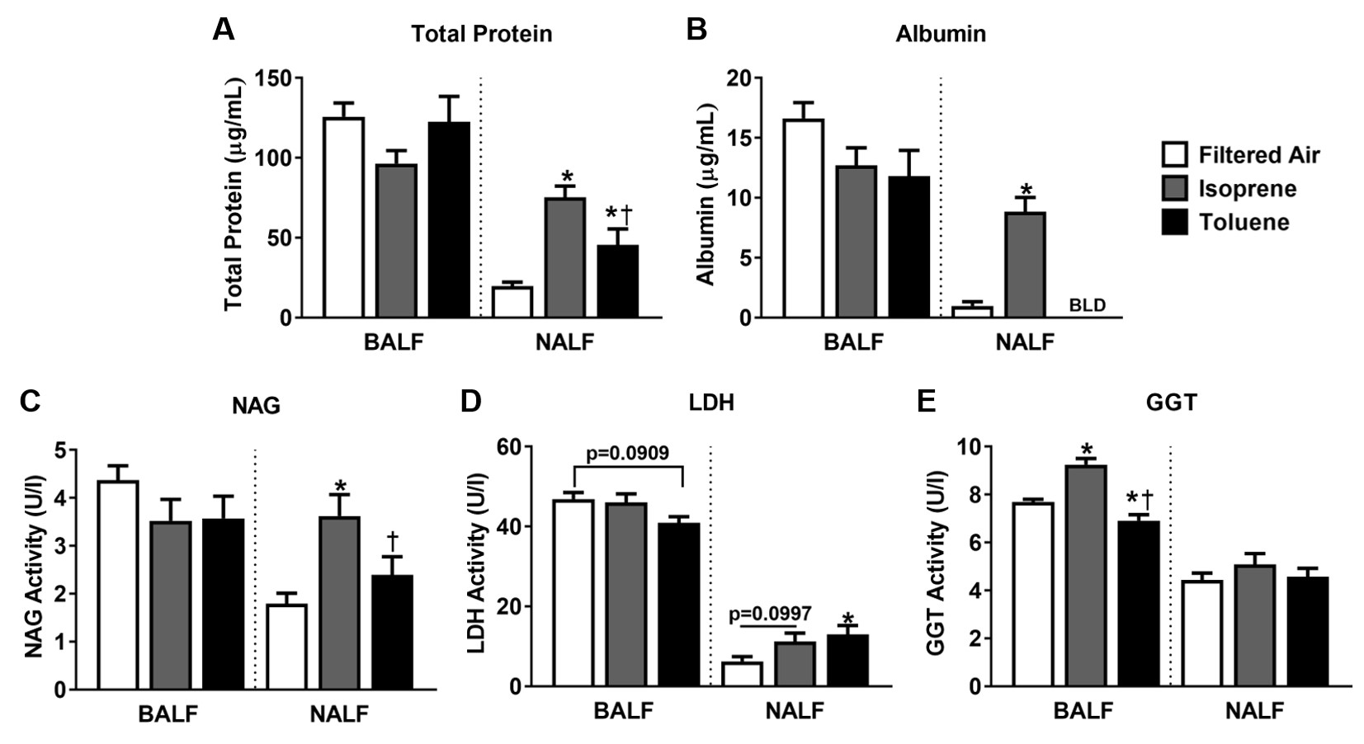
Albumin | Total Protein | NAG
(µg/mL) | (µg/mL) | (U/L)
2.914 | 38.406 | 0.266
0.354 | 11.202 | 2.109
2.17 | 38.917 | 1.566
0.473 | 9.997 | 2.308
0.356 | 14.215 | 2.477
0.744 | 17.014 | 2.453
0.19 | 14.867 | 2.95
0.562 | 20.659 | 3.104
7.483 | 76.151 | 2.057
6.964 | 65.768 | 5.348
8.222 | 65.766 | 3.29
8.526 | 85.759 | 4.27
11.78 | 83.401 | 5.045
5.722 | 46.063 | 2.45
6.025 | 66.722 | 4.089
15.873 | 113.236 | 2.45
...
Albumin | NAG | Total Protein
(µg/mL) | (U/L) | (µg/mL)
-6.954 | 2.176 | 19.164
...

Figure 3 data
...
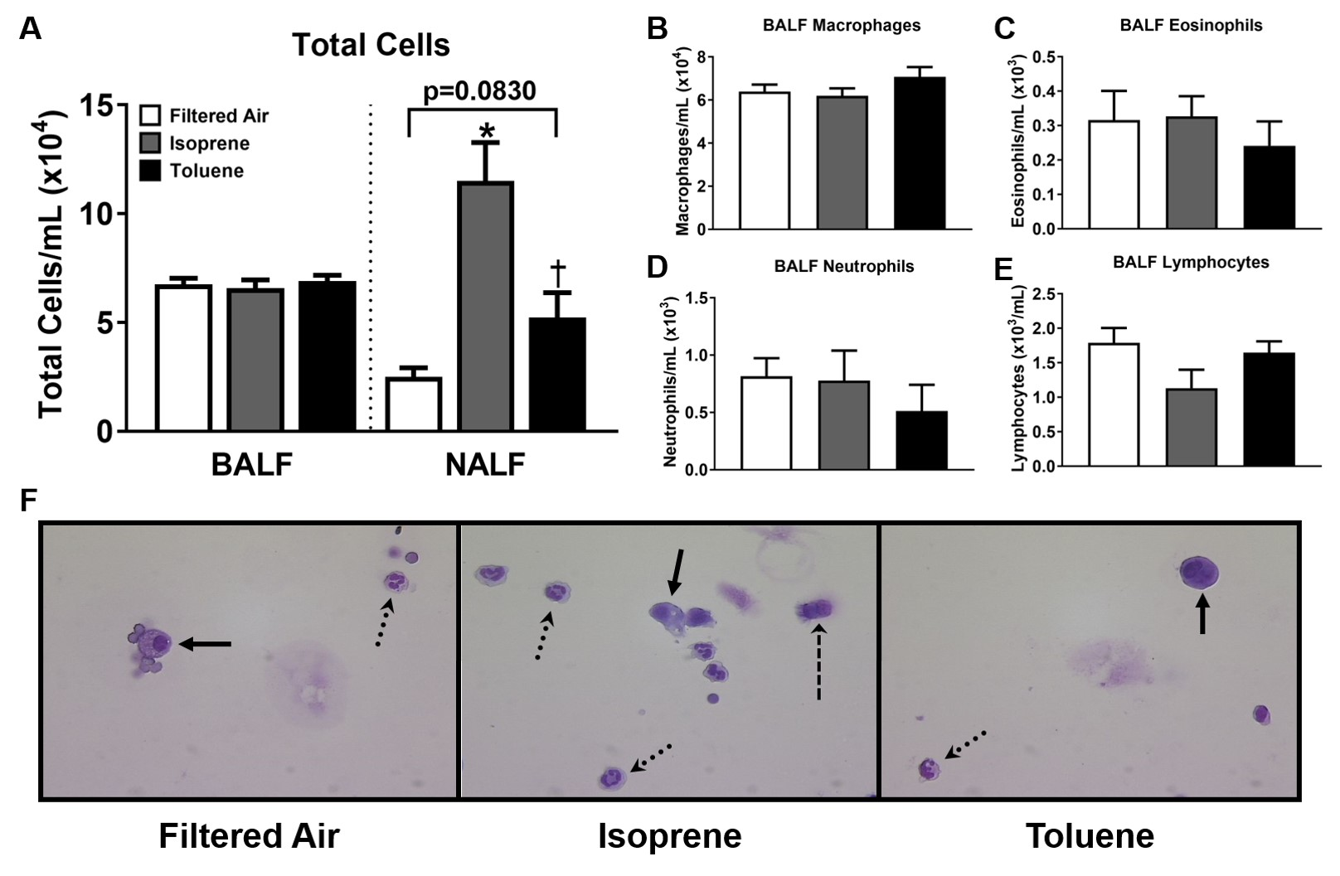
Neutrophils | Eosinophils | Lymphocytes
x 10^3 | x 10^3 | x 10^3
0.638 | 0.000 | 1.915
0.729 | 0.182 | 1.276
1.223 | 0.350 | 0.699
1.422 | 0.158 | 1.580
0.475 | 0.158 | 1.426
0.765 | 0.127 | 0.892
0.790 | 0.197 | 1.777
2.688 | 0.576 | 1.344
1.605 | 0.573 | 0.459
0.513 | 0.256 | 2.307
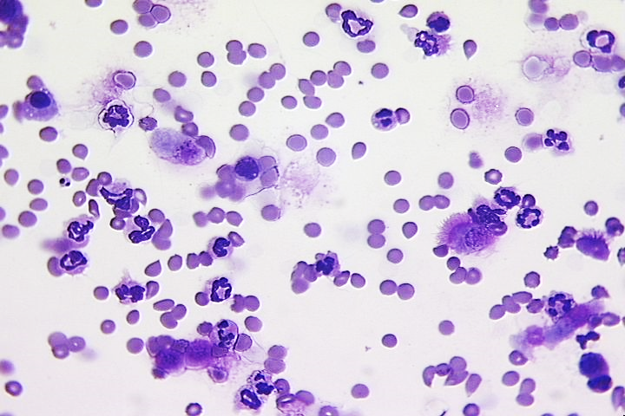
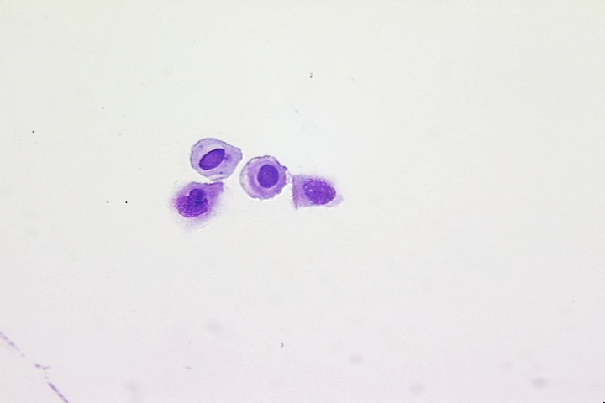
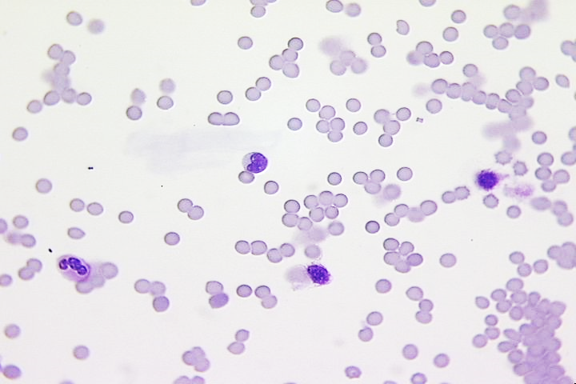
IS
Air
TL
2.154 | 0.196 | 0.979
0.390 | 0.585 | 0.975 | F
0.207 | 0.207 | 1.451
0.523 | 0.174 | 2.091
0.000 | 0.294 | 0.294
0.837 | 0.335 | 0.502
...

