Fig S1
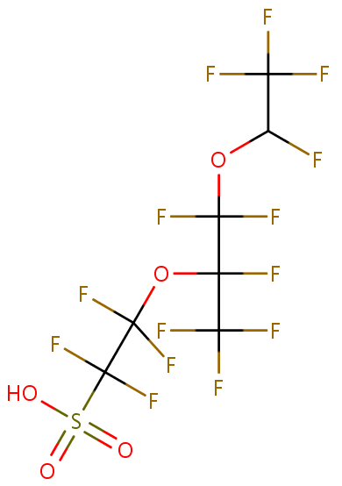

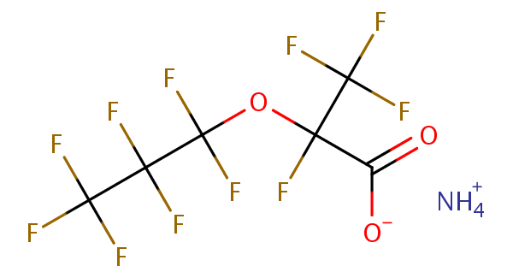

Hexafluoropropylene oxide-dimer acid
(HFPO-DA or GenX)
CASRN: 62037-80-3
Nafion byproduct 2 (NBP2)
CASRN: 749836-20-2
Perfluorooctanesulfonate (PFOS)
CASRN: 2795-39-3

Figure S1. Study design diagram of fetal and postnatal studies of NBP2 and/or PFOS.

Fig S2
Figure S2. PND0 pup liver glycogen severity scores as determined using Periodic Acid Schiff staining and evaluated by a Board certified Veterinary Pathologist. Data analyzed by non-parametric Kruskal-Wallis test following by Mann-Whitney U test for pairwise comparison to control using GraphPad Prism. Asterisks represent significant difference versus concurrent control (* p<0.05).

Fig S3
Figure S3. F1 fetal versus neonatal (upper panel; GD17-21 vs. GD8-GD22/PND0 dosing intervals) and maternal (lower panel; GD14-18 vs GD17-21 dosing intervals) liver NBP2 concentrations. Data analyzed using PROC GLM two factor ANOVA on log₁₀ transformed values in SAS with main effects of dose and interval. There was no effect of interval on maternal serum concentrations across the dose range of 1-30 mg/kg/d. There was a significant effect of interval on F1 liver levels with pup greater than fetal, however the only within dose group significant difference was at 1 mg/kg/d. Within dose group differences in age/dosing interval indicated by asterisks (*, p<0.05).

Fig S4
Figure S4. F1 pup (upper panel; PND0 versus PND2 with maternal dosing beginning GD8) and maternal (lower panel; GD17-21 versus GD8-PND2 dosing intervals) liver NBP2 concentrations. Data analyzed using PROC GLM two factor ANOVA on log₁₀ transformed values in SAS with main effects of dose and interval. There was a significant main effect of interval on F1 liver levels with PND2 pup greater than PND0. Within dose group differences in age/dosing interval indicated by asterisks (*, p<0.05).

