Metadata
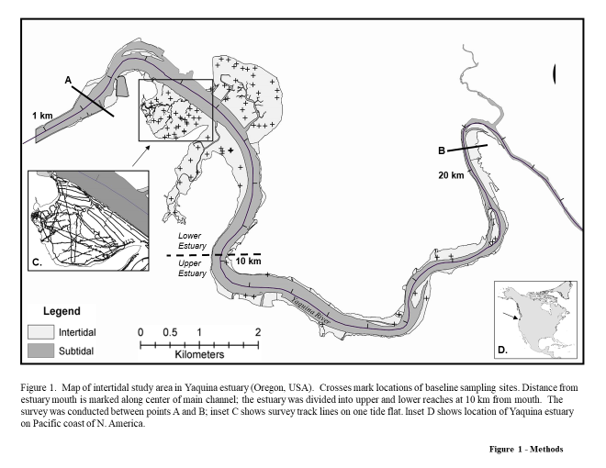
Definition of abbreviations used in all tables
Term | Definition
Neo | Neotrypaea californiensis
Upo | Upogebia pugettensis
Mixed Spp. | Both Neo and Upo
Bare | No burrowing shrimp present
b m-2 , burrows m-2 | burrow openings per square meter
No shrimp | number of shrimp (abundance)
Lower estuary | see figure 1
Upper estuary | see figure 1
Original 2002 | Mapping method used by DeWitt et al 2004, results in Table A & B
Grid2002 | Mapping method used by Dumbauld et al. 2021 using data from DeWitt et al. 2004

Description of Tables
Table | Description or Definition
Shrimp Pop Size table | This table provides original estimates of the density and total population size of the burrowing shrimps, Neotrypaea californiensis and Upogebia pugettensis within the Yaquina estuary (Oregon) in 2002.

Shrimp Habitat Size table | This table provides original estimates of the area of tideflats that were dominated by either or both species of burrowing shrimps in Yaqunia estuary (OR) in 2002 that

Table S1 | Estimated area (ha) for each burrowing shrimp class (bare, mixed, Neotrypaea, and Upogebia on Sally’s Bend and Idaho Flat of Yaquina Bay, OR in the original 2002 map (Orig 2002), and the grid-based maps for 2002 (recalculated per Dumbauld et al. 2021 using their map extents within the estuary)

Table S2 | Number of shrimp burrows in the original 2002 map, and the grid based 2002 maps were converted to shrimp counts using the combined data set equation (Fig. 8 of Dumbauld et al 2021). The percent change between each of these maps is also shown.

Figure S1 | Shrimp density and distribution: Original 2002 burrow density map (A - DeWitt et al. 2004), and grid-based burrow density maps from 2002 (Dumbauld et al 2021)

Refernces | DeWitt, T.H., A.F. D'Andrea, C.A. Brown, B.D. Griffen, and P.M. Eldridge. 2004. Impact of burrowing shrimp populations on nitrogen cycling and water quality in western North American temperate estuaries. In Symposium on "Ecology of large bioturbators in tidal flats and shallow sublittoral sediments-from individual behavior to their role as ecosystem engineers", ed. A. Tamaki, 107-118. Nagasaki, Japan: Nagasaki University.

 | Dumbauld, BR, LM McCoy, TH DeWitt, JW Chapman. 2021. Estimating long-term trends in populations of two ecosystem engineering burrowing shrimps in Pacific Northwest (USA) estuaries. Hydrobiologia doi.org/10.1007/s10750-021-04544-7

Figure S1
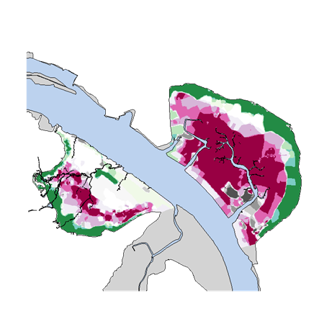
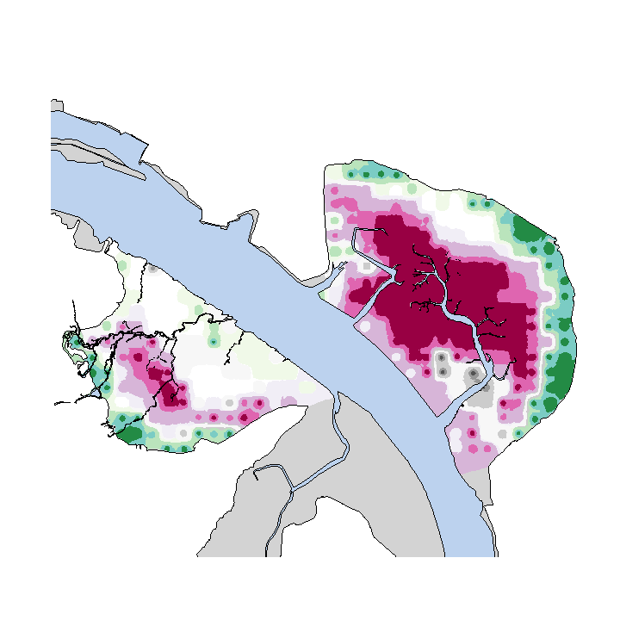

Orig2002 shrimp burrow density map | Grid2002 shrimp burrow density map

