code change figure
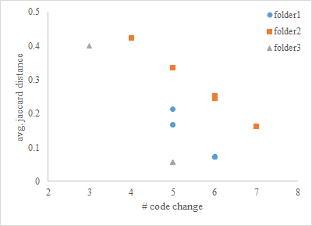
folder1 | file1 | file2 | file3 | file4 | file5 | file6 | file7 | file8
# code change | 6 | 6 | 6 | 5 | 5 | 5 | 6 | 6
avg. jaccard distance | 0.071428571429 | 0.071428571429 | 0.071428571429 | 0.16666666667 | 0.16666666667 | 0.21428571429 | 0.071428571429 | 0.071428571429

folder2
# code change | 7 | 7 | 6 | 4 | 7 | 5 | 6 | 6
avg. jaccard distance | 0.16326530612 | 0.16326530612 | 0.25170068027 | 0.4231292517 | 0.16326530612 | 0.33469387755 | 0.24489795918 | 0.24489795918

folder3
# code change | 5 | 5 | 5 | 5 | 5 | 5 | 5 | 3
avg. jaccard distance | 0.057142857143 | 0.057142857143 | 0.057142857143 | 0.057142857143 | 0.057142857143 | 0.057142857143 | 0.057142857143 | 0.4

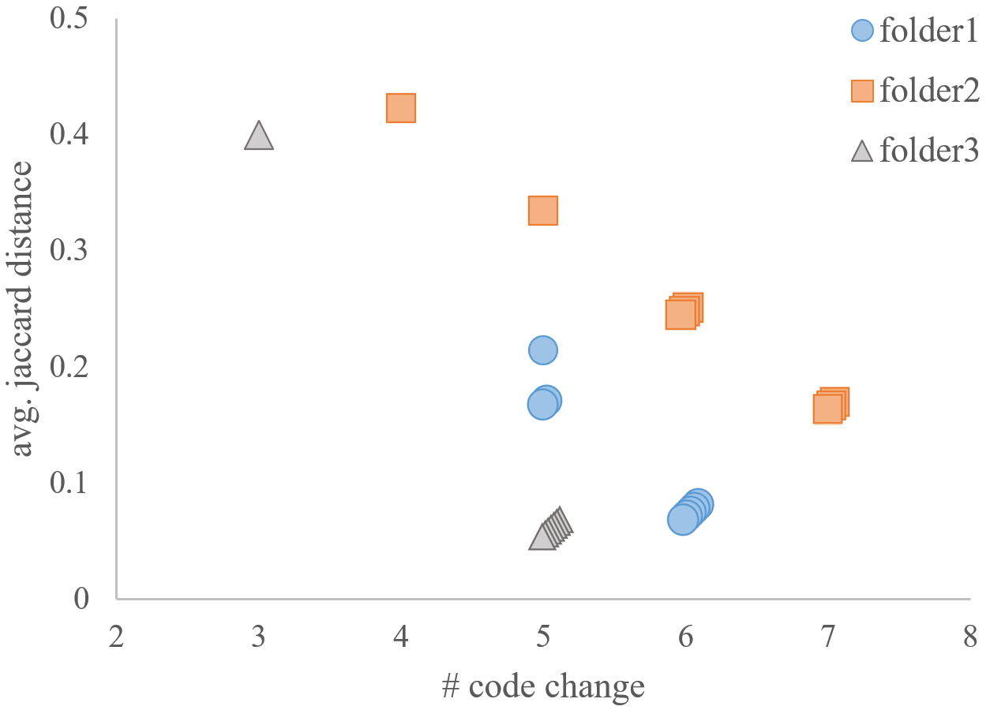
 |  |  |  |  |  |  |  |  | dendrogram
 |  |  |  |  |  |  |  | Statistics | stem-leaf graph
 |  |  |  |  |  |  |  | 1.8 | x x x x
 |  |  |  |  |  |  |  | 1.7 | x x
 |  |  |  |  |  |  |  | 1.6 | x x x x x x x
 |  |  |  | visually appealing |  | information visualization |  | 1.5
 |  |  |  | intuitive

 |  |  |  | confusing; missing information
 |  |  |  | key message | no more, no less
 |  |  |  | there is some extra about 3D

