TPH Narrative
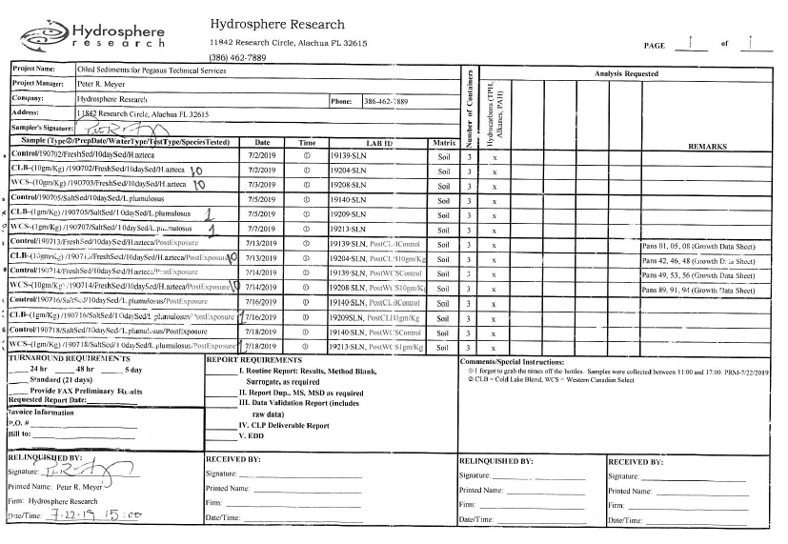
Weathered dilbit in sediment samples (Hydrosphere CoC dated 7/22/19) were extracted with DCM using the ASE 350 in lab 709 and analyzed for TPH as per EPA Method 8015B.
COCs for the samples are at L:\Public\NRMRL-PUB\rconmy\CoC. See copy below.
For detailed procedure, see AW-343, pg 48.
Instrument Data Path
Samples were run on the GC/FID in Rm 520.
Raw files stored at C:\CHEM32\2\DATA\
Analysts
Devi Sundaravadivelu
Data Reviewed by
Leah Juilfs
Narrative
Complete resuts are at L:\Public\NRMRL-PUB\rconmy\Toxicity\FL Sediment\sediment-TPH and PAH-2020
All QC criteria met. Check standards passed. Spike recoveries were within method acceptance limits.
All samples results are >LCMRL of 0.047 mg/mL (L:\Public\NRMRL-PUB\rconmy\GC-Oil Analysis\LCMRL and MDL\LCMRL-TPH\GC-FID)
Final result summary below. Results and reported as mg TPH per g of sediment.
For control sample with no dilbit added, the TPH is 0.18 mg/g on average. | mg/g = g/kg
For 1g/Kg dosed samples, the TPH is 0.91 mg/g on average.
For 10g/Kg dosed samples, the TPH is 9.38 mg/g on average.
The baseline TPH of the sediments used for the tests is 0.09 mg/g on average.

CoC Copy

