Parameters
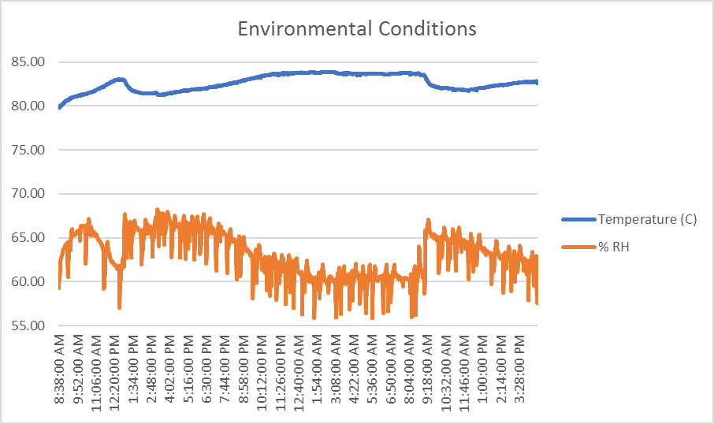
 | Time | Inoculum | Decon LR | Decon Total | Control Total
Glass | 0 | 6.79 | 0.20 | 6.59 | 6.59
 | 4 Hr | 6.79 | 0.31 | 6.35 | 6.66
 | 8 Hr | 6.79 | -0.03 | 6.13 | 6.11
 | 24 Hr | 6.79 | 5.20 | 0.67 | 5.87
 | 32 Hr | 6.79 | 5.46 | 1.01 | 6.48
Stainless Steel | 0 | 6.79 | 0.04 | 6.74 | 6.74
 | 4 Hr | 6.79 | -0.22 | 6.52 | 6.30
 | 8 Hr | 6.79 | -0.04 | 6.31 | 6.27
 | 24 Hr | 6.79 | 4.15 | 2.04 | 6.19
 | 32 Hr | 6.79 | 6.36 | 0.00 | 6.36
Ceramic Tile | 0 | 6.79 | -0.14 | 6.93 | 6.93
 | 4 Hr | 6.79 | 0.08 | 6.65 | 6.73
 | 8 Hr | 6.79 | -0.57 | 6.04 | 5.47
 | 24 Hr | 6.79 | 5.93 | 0.67 | 6.60
 | 32 Hr | 6.79 | 4.75 | 2.04 | 6.79
N95 | 0 | 6.79 | 0.16 | 6.63 | 6.63
 | 4 Hr | 6.79 | 0.70 | 5.96 | 6.66
 | 8 Hr | 6.79 | 0.32 | 6.23 | 6.55
 | 24 Hr | 6.79 | 5.22 | 1.32 | 6.53
 | 32 Hr | 6.79 | 5.62 | 0.77 | 6.13
Painted Joint Tape | 0 | 6.79 | 0.11 | 6.68 | 6.68
 | 4 Hr | 6.79 | 0.81 | 5.90 | 6.7
 | 8 Hr | 6.79 | 0.84 | 6.23 | 6.71
 | 24 Hr | 6.79 | 6.71 | 0.00 | 6.71
 | 32 Hr | 6.79 | 5.89 | 0.61 | 6.50
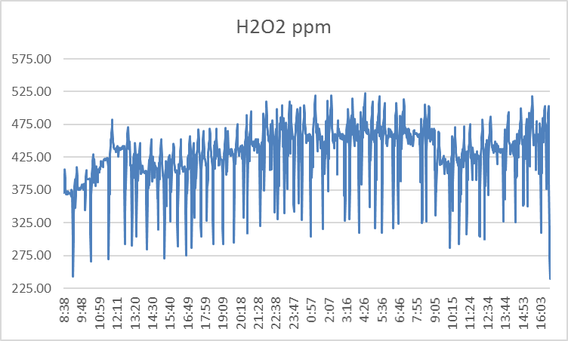
Bare Pine Wood | 0 | 6.79 | 0.09 | 6.70 | 6.70
 | 4 Hr | 6.79 | 0.75 | 5.85 | 6.60
 | 8 Hr | 6.79 | 0.7 | 6.00 | 6.70
 | 24 Hr | 6.79 | 3.65 | 2.93 | 6.59
Average = 429 ppm
 | 32 Hr | 6.79 | 6.43 | 0.00 | 6.43

N95 - Phi 6: 400 ppm, 75% RH
Stainless - Phi 6: 400 ppm, 75% RH

Test 2: 400 ppm, 75% RH

Joint Tape - Phi 6: 400 ppm, 75% RH
Ceramic - Phi 6: 400 ppm, 75% RH

Glass - Phi 6: 400 ppm, 75% RH
Ceramic - Phi 6: 400 ppm, 75% RH

