Fig1
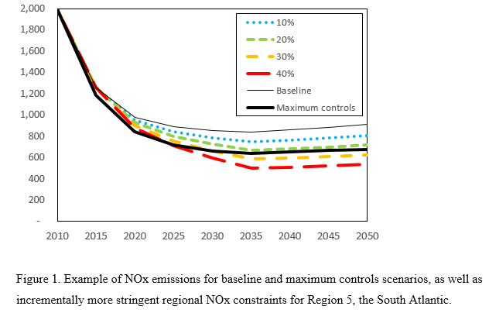

 | Region 5 NOx emissions (kTonnes) for the baseline and several representative constraints

 | Year
 | 2005 | 2010 | 2015 | 2020 | 2025 | 2030 | 2035 | 2040 | 2045 | 2050 | 2055
Baseline | 3,094 | 1,994 | 1,257 | 980 | 890 | 851 | 842 | 862 | 881 | 910 | 944
Maximum controls | 3,093 | 1,993 | 1,186 | 840 | 722 | 658 | 640 | 653 | 667 | 679 | 706
NOx Reduction Targets
10% | 3,093 | 1,993 | 1,260 | 952 | 842 | 787 | 752 | 766 | 782 | 807 | 834
20% | 3,093 | 1,993 | 1,260 | 927 | 798 | 724 | 668 | 681 | 695 | 717 | 741
30% | 3,093 | 1,993 | 1,256 | 903 | 753 | 660 | 585 | 596 | 608 | 628 | 648
40% | 3,093 | 1,992 | 1,255 | 879 | 709 | 596 | 501 | 511 | 521 | 538 | 556

Fig2
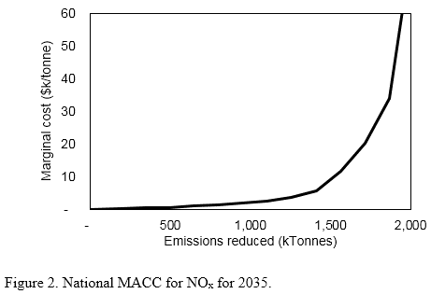

 | National MACC considering end-of-pipe controls and other measures

 | Emissions reduced (kTonnes)
 | - | 192 | 344 | 498 | 650 | 802 | 954 | 1,106 | 1,258 | 1,410 | 1,562 | 1,714 | 1,866 | 2,019 | 2,171 | 2,323 | 2,475
Marginal cost ($k/tonne) | - | 0.31 | 0.42 | 0.64 | 1.12 | 1.47 | 2.02 | 2.44 | 3.52 | 5.72 | 11.58 | 20.08 | 34.00 | 83.91 | 131.09 | 157.13 | 232.57

Fig3
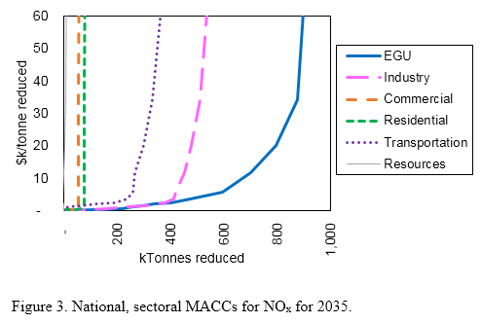

 | National, sectoral NOx reductions (kTonnes) as a function of marginal cost of NOx abatement

 | Marginal abatement cost ($k/tonne)
Sector | 0.00 | 0.31 | 0.42 | 0.64 | 1.12 | 1.47 | 2.02 | 2.44 | 3.52 | 5.72 | 11.58 | 20.08 | 34.00 | 83.91 | 131.09 | 157.13 | 232.57
EGU | - | 116 | 144 | 220 | 259 | 298 | 340 | 404 | 476 | 597 | 703 | 798 | 877 | 920 | 958 | 1,010 | 1,065
Industry | - | 47 | 100 | 160 | 239 | 307 | 355 | 381 | 412 | 422 | 455 | 479 | 514 | 560 | 625 | 678 | 737
Commercial | - | 22 | 55 | 50 | 55 | 55 | 55 | 55 | 55 | 55 | 57 | 57 | 57 | 57 | 58 | 59 | 60
Residential | - | 7 | 45 | 68 | 77 | 77 | 77 | 78 | 78 | 78 | 78 | 78 | 78 | 79 | 79 | 80 | 82
Transportation | - | (0) | (0) | 1 | 20 | 66 | 127 | 190 | 239 | 259 | 269 | 299 | 333 | 392 | 436 | 472 | 487
Resources | - | (0) | (0) | (0) | (1) | (1) | (1) | (1) | (2) | (1) | 0 | 3 | 7 | 11 | 15 | 25 | 44

Fig4
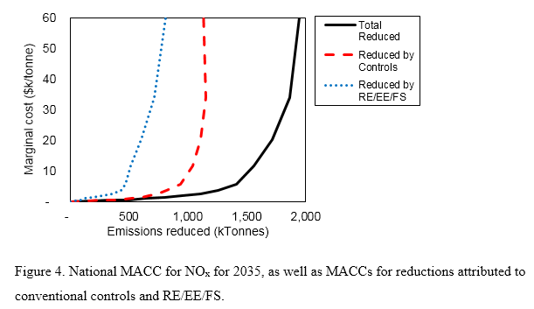

 | National, sectoral NOx reductions by controls or RE/EE/FS as a function of marginal cost of NOx abatement

 | Marginal abatement cost ($k/tonne)
Category | 0.00 | 0.31 | 0.42 | 0.64 | 1.12 | 1.47 | 2.02 | 2.44 | 3.52 | 5.72 | 11.58 | 20.08 | 34.00 | 83.91 | 131.09 | 157.13 | 232.57
Reduced by RE/EE/FS | - | 41 | 80 | 94 | 124 | 192 | 280 | 361 | 436 | 472 | 519 | 605 | 716 | 903 | 1,051 | 1,198 | 1,381
Reduced by Controls | - | 151 | 264 | 404 | 526 | 609 | 674 | 745 | 821 | 938 | 1,043 | 1,109 | 1,150 | 1,115 | 1,120 | 1,125 | 1,094
Total Reduced | - | 192 | 344 | 498 | 650 | 802 | 954 | 1,106 | 1,258 | 1,410 | 1,562 | 1,714 | 1,866 | 2,019 | 2,171 | 2,323 | 2,475

Fig5
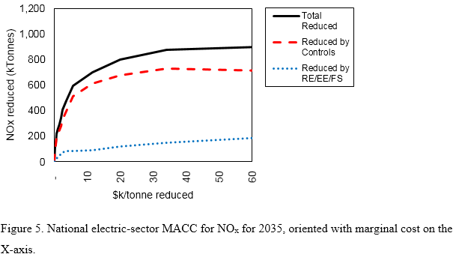

 | National, sectoral NOx reductions by controls or RE/EE/FS as a function of marginal cost of NOx abatement

 | Marginal abatement cost ($k/tonne)
$k/tonne | 0.00 | 0.31 | 0.42 | 0.64 | 1.12 | 1.47 | 2.02 | 2.44 | 3.52 | 5.72 | 11.58 | 20.08 | 34.00 | 83.91 | 131.09 | 157.13 | 232.57
Reduced by RE/EE/FS | - | 41 | 80 | 94 | 124 | 192 | 280 | 361 | 436 | 472 | 519 | 605 | 716 | 903 | 1,051 | 1,198 | 1,381
Reduced by Controls | - | 151 | 264 | 404 | 526 | 609 | 674 | 745 | 821 | 938 | 1,043 | 1,109 | 1,150 | 1,115 | 1,120 | 1,125 | 1,094
Total Reduced | - | 192 | 344 | 498 | 650 | 802 | 954 | 1,106 | 1,258 | 1,410 | 1,562 | 1,714 | 1,866 | 2,019 | 2,171 | 2,323 | 2,475

Fig6
Figure 6. Change in electricity production by fuel in 2035 as a function of marginal cost.
Electricity production by fuels or technologies not shown on the graphic (e.g., oil, biomass,
nuclear and hydropower) did not change.

 | National change in electricity production (MWh) by technology as a function of marginal NOx abatement cost

 | Marginal abatement cost ($k/tonne)
Technology | 0.00 | 0.31 | 0.42 | 0.64 | 1.12 | 1.47 | 2.02 | 2.44 | 3.52 | 5.72 | 11.58 | 20.08 | 34.00 | 83.91 | 131.09 | 157.13 | 232.57
Coal | - | (1,875) | (3,689) | (7,978) | (10,922) | (13,572) | (16,972) | (20,172) | (23,367) | (24,342) | (23,008) | (23,894) | (24,344) | (37,839) | (34,150) | (28,456) | (29,917)
Coal with CCS | - | - | - | - | - | - | - | - | - | - | - | - | - | - | - | - | -
Natural Gas | - | 2,839 | 4,806 | 11,292 | 14,672 | 18,125 | 27,394 | 37,719 | 46,297 | 47,308 | 40,611 | 19,994 | (11,728) | (17,781) | (15,600) | (47,386) | (143,383)
NGA with CCS | - | - | - | - | - | - | - | - | - | - | - | - | - | - | - | - | -
Oil | - | - | - | - | - | - | - | - | - | - | - | - | - | - | - | - | -
Nuclear | - | - | - | - | - | - | - | - | - | - | - | - | - | 3 | - | - | (3)
Biomass | - | - | - | - | - | - | - | - | - | - | - | - | - | (3) | (3) | (3) | (3)
Biomass with CCS | - | - | - | - | - | - | - | - | - | - | - | - | - | - | - | - | -
Geothermal Power | - | - | - | - | - | - | - | - | - | - | - | - | - | - | - | - | -
Hydropower | - | - | - | - | - | - | - | - | - | - | - | - | - | - | - | - | -
Wind Power | - | 686 | 1,142 | (89) | 153 | (303) | (794) | (117) | 36 | 4,975 | 29,692 | 53,061 | 64,800 | 69,478 | 84,953 | 118,439 | 213,392
Solar Power | - | 281 | (42) | 817 | 694 | 536 | (2,156) | (3,503) | (6,153) | (4,881) | (4,161) | 6,192 | 39,083 | 66,369 | 70,433 | 102,945 | 196,564
Net | - | 1,931 | 2,217 | 4,042 | 4,597 | 4,786 | 7,472 | 13,928 | 16,814 | 23,061 | 43,133 | 55,353 | 67,811 | 80,228 | 105,633 | 145,539 | 236,650

Conversion factor (PJ->MWh) |  | 277.778

 | Marginal abatement cost ($k/tonne)
Technology | 0.00 | 0.31 | 0.42 | 0.64 | 1.12 | 1.47 | 2.02 | 2.44 | 3.52 | 5.72 | 11.58 | 20.08 | 34.00 | 83.91 | 131.09 | 157.13 | 232.57
Coal | 0 | -6.75 | -13.28 | -28.72 | -39.32 | -48.86 | -61.1 | -72.62 | -84.12 | -87.63 | -82.83 | -86.02 | -87.64 | -136.22 | -122.94 | -102.44 | -107.7
Coal with CCS | 0 | 0 | 0 | 0 | 0 | 0 | 0 | 0 | 0 | 0 | 0 | 0 | 0 | 0 | 0 | 0 | 0
Natural Gas | 0 | 10.22 | 17.3 | 40.65 | 52.82 | 65.25 | 98.62 | 135.79 | 166.67 | 170.31 | 146.2 | 71.98 | -42.22 | -64.01 | -56.16 | -170.59 | -516.18
NGA with CCS | 0 | 0 | 0 | 0 | 0 | 0 | 0 | 0 | 0 | 0 | 0 | 0 | 0 | 0 | 0 | 0 | 0
Oil | 0 | 0 | 0 | 0 | 0 | 0 | 0 | 0 | 0 | 0 | 0 | 0 | 0 | 0 | 0 | 0 | 0
Nuclear | 0 | 0 | 0 | 0 | 0 | 0 | 0 | 0 | 0 | 0 | 0 | 0 | 0 | 0.0099999999998 | 0 | 0 | -0.01
Biomass | 0 | 0 | 0 | 0 | 0 | 0 | 0 | 0 | 0 | 0 | 0 | 0 | 0 | -0.01 | -0.01 | -0.01 | -0.01
Biomass with CCS | 0 | 0 | 0 | 0 | 0 | 0 | 0 | 0 | 0 | 0 | 0 | 0 | 0 | 0 | 0 | 0 | 0
Geothermal Power | 0 | 0 | 0 | 0 | 0 | 0 | 0 | 0 | 0 | 0 | 0 | 0 | 0 | 0 | 0 | 0 | 0
Hydropower | 0 | 0 | 0 | 0 | 0 | 0 | 0 | 0 | 0 | 0 | 0 | 0 | 0 | 0 | 0 | 0 | 0
Wind Power | 0 | 2.47 | 4.11 | -0.32 | 0.55 | -1.09 | -2.86 | -0.42 | 0.13 | 17.91 | 106.89 | 191.02 | 233.28 | 250.12 | 305.83 | 426.38 | 768.21
Solar Power | 0 | 1.01 | -0.15 | 2.94 | 2.5 | 1.93 | -7.76 | -12.61 | -22.15 | -17.57 | -14.98 | 22.29 | 140.7 | 238.93 | 253.56 | 370.6 | 707.63
Net | 0 | 6.95 | 7.98 | 14.55 | 16.55 | 17.23 | 26.9 | 50.14 | 60.53 | 83.02 | 155.28 | 199.27 | 244.12 | 288.82 | 380.28 | 523.94 | 851.94

Fig7
1
9
8
2
6
3
5
4

 | Marginal cost of NOx reduction ($k/tonne) in 2035

 | Regional reduction target
Region | 0% | 3% | 5% | 8% | 10% | 13% | 15% | 18% | 20% | 23% | 25% | 28% | 30% | 33% | 35% | 38% | 40%
1 | - | 0 | 0 | 1 | 1 | 1 | 2 | 11 | 33 | 97 | 236 | 337 | 606 | 1,891 | 2,584 | 2,810 | 2,848
2 | - | 0 | 0 | 1 | 1 | 1 | 1 | 2 | 2 | 2 | 2 | 2 | 2 | 2 | 13 | 26 | 47
3 | - | 0 | 0 | 1 | 1 | 1 | 1 | 1 | 1 | 2 | 3 | 3 | 3 | 7 | 10 | 15 | 29
4 | - | 0 | 0 | 0 | 2 | 2 | 4 | 3 | 3 | 3 | 4 | 8 | 9 | 17 | 27 | 37 | 85
5 | - | 0 | 0 | 1 | 1 | 2 | 2 | 2 | 2 | 2 | 2 | 3 | 5 | 9 | 24 | 56 | 71
6 | - | 0 | 1 | 1 | 2 | 1 | 2 | 2 | 2 | 2 | 2 | 3 | 5 | 7 | 12 | 16 | 29
7 | - | 0 | 0 | 0 | 1 | 1 | 1 | 2 | 3 | 3 | 6 | 8 | 14 | 17 | 35 | 46 | 103
8 | - | 0 | 0 | 0 | 1 | 2 | 3 | 3 | 3 | 3 | 8 | 15 | 19 | 39 | 77 | 87 | 192
9 | - | 0 | 0 | 1 | 1 | 2 | 2 | 4 | 7 | 11 | 15 | 61 | 111 | 206 | 385 | 492 | 999

Fig8
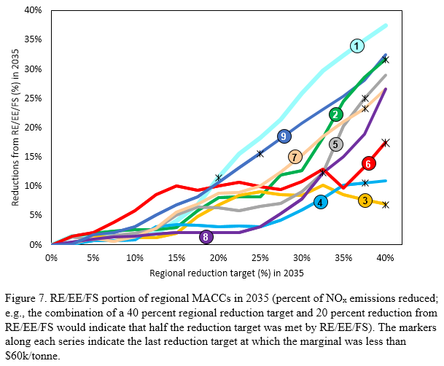

 | Regional percent of total emissions reduced by RE/EE/FSs as a function of overall percent reduction target

 | % reduction
Region | 0.0% | 2.5% | 5.0% | 7.5% | 10.0% | 12.5% | 15.0% | 17.5% | 20.0% | 22.5% | 25.0% | 27.5% | 30.0% | 32.5% | 35.0% | 37.5% | 40.0%
1 | 0.0% | 1.5% | 1.5% | 1.5% | 1.5% | 2.0% | 4.1% | 6.9% | 11.5% | 15.5% | 18.3% | 21.4% | 25.8% | 29.8% | 32.4% | 34.9% | 37.4%
2 | 0.0% | 1.5% | 2.0% | 2.3% | 2.6% | 2.6% | 3.0% | 5.9% | 8.1% | 8.2% | 8.2% | 11.9% | 12.7% | 18.3% | 24.5% | 28.6% | 31.7%
3 | 0.0% | 0.3% | 1.5% | 1.3% | 1.3% | 1.3% | 2.0% | 4.9% | 6.8% | 8.4% | 9.0% | 8.6% | 8.5% | 10.2% | 8.6% | 7.7% | 7.0%
4 | 0.0% | 0.2% | 0.7% | 0.8% | 0.8% | 3.1% | 3.4% | 3.3% | 3.2% | 3.3% | 3.2% | 4.2% | 6.0% | 8.0% | 10.2% | 10.6% | 10.9%
5 | 0.0% | 1.3% | 0.9% | 1.6% | 2.0% | 2.7% | 5.0% | 6.5% | 6.3% | 5.8% | 6.6% | 7.1% | 9.1% | 12.3% | 20.3% | 25.0% | 29.0%
6 | 0.0% | 1.5% | 2.1% | 3.9% | 5.8% | 8.6% | 10.1% | 9.3% | 10.1% | 10.6% | 9.9% | 9.4% | 10.8% | 13.0% | 9.6% | 13.3% | 17.5%
7 | 0.0% | 0.3% | 1.1% | 0.7% | 1.4% | 2.9% | 5.6% | 7.0% | 8.8% | 8.9% | 10.1% | 12.5% | 15.2% | 18.5% | 21.1% | 23.3% | 26.6%
8 | 0.0% | 0.5% | 1.0% | 1.4% | 1.5% | 1.8% | 2.1% | 2.1% | 2.1% | 2.1% | 3.1% | 5.4% | 7.8% | 12.4% | 15.0% | 18.9% | 26.7%
9 | 0.0% | 0.1% | 1.7% | 2.1% | 3.1% | 5.1% | 6.8% | 8.2% | 10.7% | 13.2% | 15.6% | 18.1% | 20.8% | 23.1% | 25.3% | 28.1% | 32.4%

The first data point at which the marginal cost for each series exceeds $60k/tonne is indicated by a asterics-like symbol. Costs are provided below

 | Regional marginal cost as a function of overall percent reduction target

% reduction | 0.0% | 2.5% | 5.0% | 7.5% | 10.0% | 12.5% | 15.0% | 17.5% | 20.0% | 22.5% | 25.0% | 27.5% | 30.0% | 32.5% | 35.0% | 37.5% | 40.0%
1 | 0.00 | 0.28 | 0.39 | 0.62 | 0.86 | 1.22 | 1.79 | 10.76 | 33.45 | 96.75 | 235.93 | 337.07 | 606.21 | 1891.01 | 2584.35 | 2809.94 | 2848.29
2 | 0.00 | 0.28 | 0.39 | 0.58 | 0.58 | 0.82 | 1.31 | 1.79 | 1.93 | 2.19 | 1.79 | 2.28 | 2.28 | 2.50 | 13.20 | 25.69 | 46.52
3 | 0.00 | 0.28 | 0.39 | 0.50 | 0.58 | 0.82 | 1.26 | 1.26 | 1.49 | 1.92 | 2.87 | 2.90 | 3.27 | 7.17 | 9.93 | 15.20 | 29.12
4 | 0.00 | 0.28 | 0.39 | 0.47 | 1.79 | 2.03 | 3.73 | 3.47 | 2.95 | 3.00 | 3.73 | 8.29 | 9.38 | 17.12 | 26.64 | 36.58 | 84.95
5 | 0.00 | 0.28 | 0.41 | 0.67 | 0.98 | 1.51 | 1.87 | 1.84 | 1.83 | 1.79 | 1.83 | 2.85 | 4.83 | 9.13 | 24.00 | 55.98 | 71.40
6 | 0.00 | 0.41 | 0.58 | 1.10 | 1.54 | 1.47 | 1.79 | 1.79 | 1.79 | 1.79 | 2.50 | 2.85 | 5.40 | 7.14 | 12.01 | 15.75 | 29.12
7 | 0.00 | 0.28 | 0.39 | 0.36 | 1.26 | 1.40 | 1.49 | 1.84 | 2.84 | 2.85 | 6.21 | 8.49 | 13.89 | 16.55 | 35.21 | 45.55 | 102.94
8 | 0.00 | 0.37 | 0.41 | 0.43 | 1.01 | 2.03 | 2.85 | 2.85 | 2.85 | 2.85 | 8.21 | 14.96 | 18.73 | 38.88 | 77.07 | 87.41 | 191.88
9 | 0.00 | 0.28 | 0.39 | 1.16 | 1.37 | 1.69 | 2.50 | 3.71 | 6.97 | 10.95 | 14.81 | 60.91 | 110.74 | 205.97 | 384.56 | 492.45 | 998.88

Table1
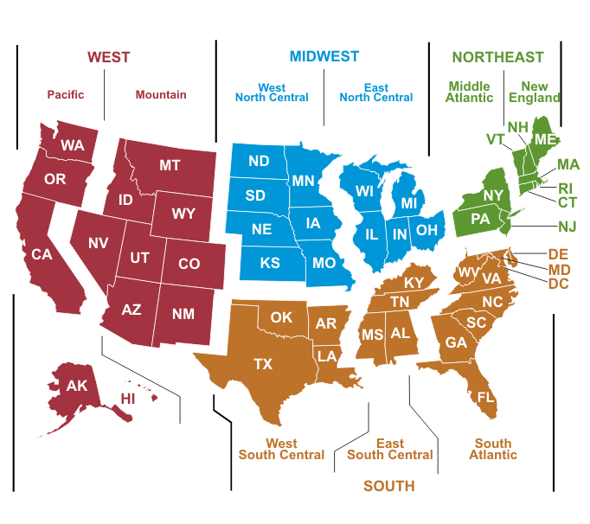
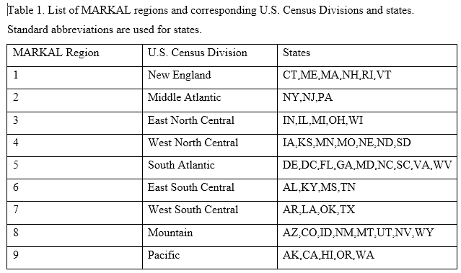

These are standard U.S. Census Division Regions and standard two-letter state abbreviations.
For reference, the U.S. Census Divisions are depicted in the figure below (source: U.S. EIA)

